Feuil1
 | COLLECTION RIO

 | 2021-09-17 14:22:33
 | ENTREPRISE
 | NOM | MAIL

PRODUIT |  |  |  |  | PRODUCT FEATURES
PHOTO | REFERENCE | DESCRIPTION | ASSORTIMENT | NB PCS / COLIS | EAN | MARQUE | GAMME | UNIVERS | FAMILLE | SOUS FAMILLE | DIMENSION PRODUIT CM | DIMENSION COLIS CM | LIEN PHOTO HD
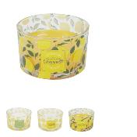 | BO5595 | BOUGIE PARFUMEE CITRONNELLE 3 MECHES M12 | 4 | 12 | 3664944372486 | HOME DECO FACTORY |  | DECO | BOUGIE ET SENTEUR | BOUGIE | 13.00x13.00x8.00 | 41.50x28.00x19.00 | https://asset.product-live.com/cbc732aa42b253b0f034b025dba696a3865f1ae3.jpg
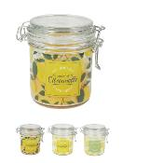 | BO5596 | BOUGIE PARFUMEE CITRONNELLE BOCAL A CLIP H11CM M12 | 3 | 12 | 3664944372578 | HOME DECO FACTORY |  | DECO | BOUGIE ET SENTEUR | BOUGIE | 8.50x10.00x11.00 | 27.50x18.50x22.50 | https://asset.product-live.com/3e405d0ff03902d9b5e5b9de8dd6ae98d5f9986e.jpg
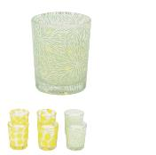 | BO5598 | BOUGIE PARFUMEE CITRONNELLE X6 COFFRET M12 | 1 | 12 | 3664944372493 | HOME DECO FACTORY |  | DECO | BOUGIE ET SENTEUR | BOUGIE | 4.50x4.50x5.50 | 39.00x18.00x31.50 | https://asset.product-live.com/8964921f82283f09e9662ea2111d5ed61668df9e.jpg
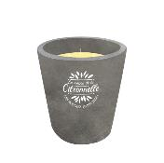 | BO5600 | BOUGIE PARFUMEE CITRONNELLE CIMENT H16CM M4 | 1 | 4 | 3664944372516 | HOME DECO FACTORY |  | DECO | BOUGIE ET SENTEUR | BOUGIE | 13.00x13.00x16.00 | 30.00x30.00x20.00 | https://asset.product-live.com/dfdb4fc13d94d4dcdfad2715fa4c3361c71e059f.jpg
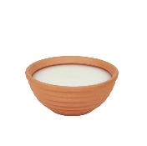 | BO5601 | BOUGIE PARFUMEE CITRONNELLE TERRACOTTA D14.7CM M12 | 2 | 12 | 3664944372523 | HOME DECO FACTORY |  | DECO | BOUGIE ET SENTEUR | BOUGIE | 14.70x14.70x6.70 | 47.00x32.00x16.00 | https://asset.product-live.com/5ad8edb59dccf29196b6d9b287b5606e6e37156c.jpg
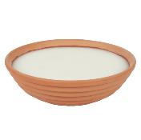 | BO5602 | BOUGIE PARFUMEE CITRONNELLE TERRACOTTA D26CM M6 | 2 | 6 | 3664944372530 | HOME DECO FACTORY |  | DECO | BOUGIE ET SENTEUR | BOUGIE | 26.00x26.00x8.00 | 54.00x28.00x27.00 | https://asset.product-live.com/f927fe30276a9dbd9a3be91443a87631cbe55fae.jpg
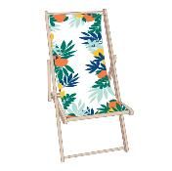 | HDO2048B | CHILIENNE RIO M2 | 1 | 2 | 3664944377849 | HOME DECO FACTORY |  | MOBILIER | MOBILIER D'EXTERIEUR | ASSISE D'EXTERIEUR | 58.00x91.00x88.00 | 139.00x10.00x61.00 | https://asset.product-live.com/f5f5636ccb9800eceb49711df5858200989b59d3.jpg
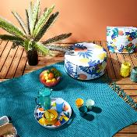 | HDO2049B | POUF GONFLABLE RIO M6 | 1 | 6 | 3664944377870 | HOME DECO FACTORY |  | MOBILIER | MOBILIER D'EXTERIEUR | ASSISE D'EXTERIEUR | 25.00x56.00x56.00 | 42.00x28.00x29.00 | https://asset.product-live.com/7f301fa48fa29d3555b6307e12fc12694254eb2a.jpg
 | HDO2050D | TABLE DE REPAS EXTERIEUR PLIABLE RIO 70X70X71CM M1 | 1 | 1 | 3664944395041 | HOME DECO FACTORY |  | MOBILIER | MOBILIER D'EXTERIEUR | TABLE D'EXTERIEUR | xx | xx
 | HDO2051D | CHAISE EXTERIEUR PLIABLE RIO M2 | 1 | 2 | 3664944395058 | HOME DECO FACTORY |  | MOBILIER | MOBILIER D'EXTERIEUR | ASSISE D'EXTERIEUR | xx | xx
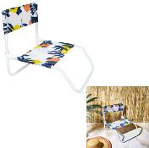 | HDO2055 | CHAISE DE PLAGE PLIANTE RIO M6 | 1 | 6 | 3664944377962 | HOME DECO FACTORY |  | MOBILIER | MOBILIER D'EXTERIEUR | ASSISE D'EXTERIEUR | 47.00x52.00x44.00 | 80.00x24.00x48.00 | https://asset.product-live.com/f9ef3df4e2e8de341f5963ea2fa7c4b940289c99.jpg
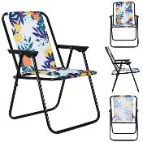 | HDO2057A | CHAISE PLIANTE RIO M4 | 1 | 4 | 3664944391883 | HOME DECO FACTORY |  | MOBILIER | MOBILIER D'EXTERIEUR | ASSISE D'EXTERIEUR | 73.00x51.00x60.00 | 57.00x14.00x68.00 | https://asset.product-live.com/f7027d40e5dc91d8ae9e0ac6faf0d1d2daffdf1e.jpg
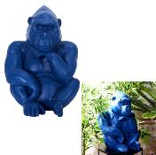 | HDO6000 | GORILLE MAGNESIA BLEU H54CM M1 | 1 | 1 | 3664944375586 | HOME DECO FACTORY |  | DECO | OBJET DECO | AUTRE OBJET DECO | 38.00x37.00x54.00 | 44.00x43.00x60.00 | https://asset.product-live.com/61b524b2fc79fe309012109c30431b4e5d96e50f.jpg
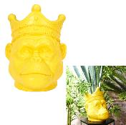 | HDO6019 | ORANG-OUTAN MAGNESIA JAUNE PORTE PLANTE H38.5CM M1 | 1 | 1 | 3664944375777 | HOME DECO FACTORY |  | DECO | OBJET DECO | AUTRE OBJET DECO | 38.00x29.50x38.50 | 62.00x40.50x41.00 | https://asset.product-live.com/a4ff037ca345f0a8449f80bc2a7ed74897632b57.jpg
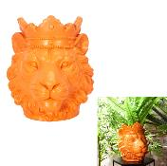 | HDO6020 | LION MAGNESIA ORANGE PORTE PLANTE H35CM M1 | 1 | 1 | 3664944375784 | HOME DECO FACTORY |  | DECO | OBJET DECO | AUTRE OBJET DECO | 30.00x29.00x35.00 | 61.00x32.50x38.00 | https://asset.product-live.com/e2f54b143179adb420c2c776bb5f9fa00b590617.jpg
 | HDO6067 | GORILLE MAGNESIA JAUNE H54CM M1 | 1 | 1 | 3664944393092 | HOME DECO FACTORY |  | DECO | OBJET DECO | AUTRE OBJET DECO | 38.00x37.00x54.00 | 44.00x43.00x60.00 | https://asset.product-live.com/03e5188cfce75dabdd7413e70453f72ecb72dbba.jpg
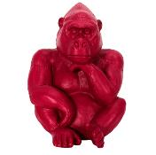 | HDO6068 | GORILLE MAGNESIA ROUGE H54CM M1 | 1 | 1 | 3664944393108 | HOME DECO FACTORY |  | DECO | OBJET DECO | AUTRE OBJET DECO | 38.00x37.00x54.00 | 44.00x43.00x60.00 | https://asset.product-live.com/a13a4a9feba21f50bbeb310826ab1253721458e0.jpg
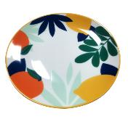 | KA5524 | ASSIETTE RIO D26CM M12 | 1 | 12 | 3664944365556 | HOME DECO FACTORY |  | ART DE LA TABLE | VAISSELLE | ASSIETTE | 26.50x26.50x3.10 | 29.50x26.00x29.80 | https://asset.product-live.com/b1a6c70ce0fb4862fe2297e769fd64af783f6deb.jpg
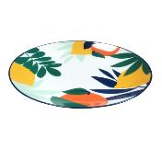 | KA5525 | ASSIETTE RIO D20CM M12 | 1 | 12 | 3664944365563 | HOME DECO FACTORY |  | ART DE LA TABLE | VAISSELLE | ASSIETTE | 20.00x20.00x2.50 | 25.00x24.50x25.00 | https://asset.product-live.com/ae68a1dbfad9dee5245a2deed77f491e8c4f6e95.jpg
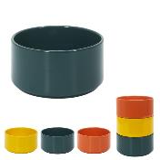 | KA5529 | COUPELLE RIO D12CM M12 | 3 | 12 | 3664944365600 | HOME DECO FACTORY |  | ART DE LA TABLE | SERVICE DE TABLE | SALADIER ET COUPELLE | 7.00x12.00x0.00 | 38.00x26.00x16.00 | https://asset.product-live.com/a7c3e2c72f33247390e3a897b60187e9b7c0ed9c.jpg
 | KA5530 | PLAT DE SERVICE RIO 43X32CM M12 | 1 | 12 | 3664944365617 | HOME DECO FACTORY |  | ART DE LA TABLE | SERVICE DE TABLE | PLATEAU ET CORBEILLE | 43.00x32.80x3.50 | 44.50x34.00x15.00 | https://asset.product-live.com/733a36db18aa5a63c685b0e048fa94b72c18c352.jpg
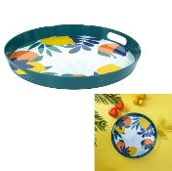 | KA5531 | PLATEAU RIO D38CM M8 | 1 | 8 | 3664944365624 | HOME DECO FACTORY |  | ART DE LA TABLE | SERVICE DE TABLE | PLATEAU ET CORBEILLE | 38.00x38.00x4.20 | 39.50x39.50x12.20 | https://asset.product-live.com/5a4bb29db75df491d0f7412f27a5eafb32c70d35.jpg
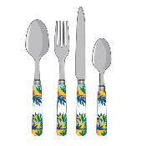 | KA5532 | MENAGERE RIO X24 M8 | 1 | 8 | 3664944365631 | HOME DECO FACTORY |  | ART DE LA TABLE | VAISSELLE | MENAGERE | 12.00x21.20x12.00 | 33.50x17.50x25.00 | https://asset.product-live.com/e7ec735e0e5abd436e2ab186175bac9b32fa160b.jpg
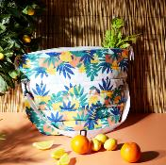 | KA5593 | SAC FRAICHEUR RIO 20L M12 | 1 | 12 | 3664944366683 | COOK CONCEPT |  | CUISINE | A EMPORTER | LUNCH BAG ET GLACIERE | 36.00x18.00x30.00 | 50.00x40.00x36.00 | https://asset.product-live.com/4efaaf4194a674bd1f0bad9f28ddaf6d522fa98c.jpg
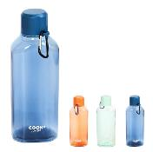 | KA5597 | BOUTEILLE DE TRANSPORT AVEC MOUSQUETON 70CL M24 | 3 | 24 | 3664944366720 | COOK CONCEPT |  | CUISINE | A EMPORTER | BOUTEILLE DE TRANSPORT | 8.00x5.90x25.50 | 25.00x24.60x26.50 | https://asset.product-live.com/a2a2e2e7b40902f30d569ac3e6a65385aef7c388.jpg
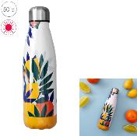 | KA5611 | BOUTEILLE DE TRANSPORT ISOTHERME RIO 50CL M12 | 1 | 12 | 3664944366867 | COOK CONCEPT |  | CUISINE | A EMPORTER | BOUTEILLE DE TRANSPORT | 7.00x7.00x25.80 | 23.00x30.00x27.80 | https://asset.product-live.com/2064fb1739e688034c1804fda7bfbd344355cb78.jpg
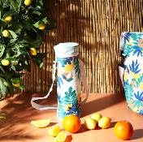 | KA5613 | SAC FRAICHEUR BOUTEILLE 1.5L RIO M16 | 1 | 16 | 3664944366881 | COOK CONCEPT |  | CUISINE | A EMPORTER | BOUTEILLE DE TRANSPORT | 11.00x11.00x35.00 | 30.00x30.00x20.00 | https://asset.product-live.com/e67247369f9ce3e0614b893b5ba71292d7219ff2.jpg
 | KA5628 | SAC FRAICHEUR RIO 25CM M18 | 1 | 18 | 3664944367031 | COOK CONCEPT |  | CUISINE | A EMPORTER | LUNCH BAG ET GLACIERE | 25.00x25.00x8.00 | 25.00x23.00x30.00 | https://asset.product-live.com/6d03bdc06fc92695c6fce24277fa93ddeb02b088.jpg
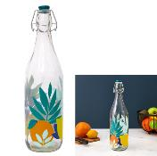 | KA5757 | BOUTEILLE VERRE CLAPET RIO 96CL M12 | 1 | 12 | 3664944368267 | HOME DECO FACTORY |  | ART DE LA TABLE | VAISSELLE | VERRE ET CARAFE | 30.00x8.70x0.00 | 38.00x28.00x34.00 | https://asset.product-live.com/387098e6d11667ee05b7418860166b5b00471776.jpg
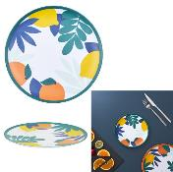 | KA5793 | ASSIETTE MELAMINE RIO D20CM M24 | 1 | 24 | 3664944368632 | HOME DECO FACTORY |  | ART DE LA TABLE | VAISSELLE | ASSIETTE | 1.00x20.00x0.00 | 21.60x8.60x20.00 | https://asset.product-live.com/f21334c74255bf7f11b94d29de057346ebf49414.jpg
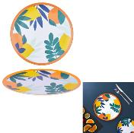 | KA5794 | ASSIETTE MELAMINE RIO D25.5CM M24 | 1 | 24 | 3664944368649 | HOME DECO FACTORY |  | ART DE LA TABLE | VAISSELLE | ASSIETTE | 1.30x25.30x0.00 | 26.80x26.80x8.50 | https://asset.product-live.com/d108ff27bfa4a17e1a0d08e3a96e95de10751ff0.jpg
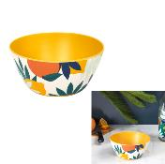 | KA5795 | BOL MELAMINE RIO D15CM M24 | 1 | 24 | 3664944368656 | HOME DECO FACTORY |  | ART DE LA TABLE | SERVICE DE TABLE | SALADIER ET COUPELLE | 7.00x15.00x0.00 | 17.00x17.00x25.50 | https://asset.product-live.com/3e2a41cb433a88175337e5ae08a22d4d91d00e17.jpg
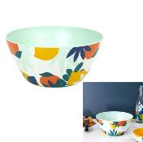 | KA5796 | SALADIER MELAMINE RIO D25CM M24 | 1 | 24 | 3664944368663 | HOME DECO FACTORY |  | ART DE LA TABLE | SERVICE DE TABLE | SALADIER ET COUPELLE | 12.00x25.20x0.00 | 26.80x26.80x33.00 | https://asset.product-live.com/21f617cc836e14b4fcccbb8c6044e9eb3082d866.jpg
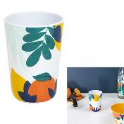 | KA5797 | GOBELET MELAMINE RIO 20CL M24 | 1 | 24 | 3664944368670 | HOME DECO FACTORY |  | ART DE LA TABLE | VAISSELLE | VERRE ET CARAFE | 10.00x7.10x0.00 | 28.00x18.00x20.00 | https://asset.product-live.com/637e7393bfb237d8349412dff525a1d910341b0c.jpg
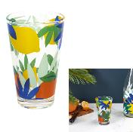 | KA5798 | VERRE RIO X3 25 CL M8 | 1 | 8 | 3664944368687 | HOME DECO FACTORY |  | ART DE LA TABLE | VAISSELLE | VERRE ET CARAFE | 12.50x7.90x0.00 | 26.70x35.00x28.00 | https://asset.product-live.com/0e1d521e66cf2f5c97e72fecf27159f764c53e29.jpg
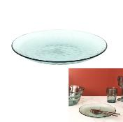 | KA5826 | ASSIETTE PLASTIQUE 23.5 CM MARTELE M24 | 2 | 24 | 3664944368960 | HOME DECO FACTORY |  | ART DE LA TABLE | VAISSELLE | ASSIETTE | 2.90x24.00x0.00 | 25.00x25.50x15.00 | https://asset.product-live.com/830955f21d344f1b8e6689a5326ac157f6a18c19.jpg
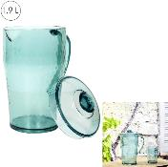 | KA5831 | PICHET PLASTIQUE MARTELE 1.9L M12 | 2 | 12 | 3664944369011 | HOME DECO FACTORY |  | ART DE LA TABLE | JETABLE - REUTILISABLE | REUTILISABLE | 21.30x3.50x0.00 | 61.00x43.00x26.00 | https://asset.product-live.com/d6592916894a8c209288a2f117a9dd4cfa6803e3.jpg
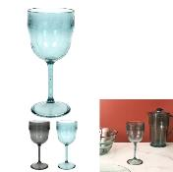 | KA5832 | VERRE A PIED PLASTIQUE MARTELE 30CL M24 | 2 | 24 | 3664944369028 | HOME DECO FACTORY |  | ART DE LA TABLE | VAISSELLE | VERRE ET CARAFE | 20.30x9.00x0.00 | 34.00x29.00x22.00 | https://asset.product-live.com/6d59ade8133393b1bad60e3c163e1f5dec82ac14.jpg
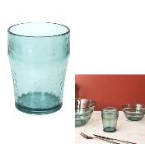 | KA5833 | VERRE PLASTIQUE MARTELE 35CL M24 | 2 | 24 | 3664944369035 | HOME DECO FACTORY |  | ART DE LA TABLE | VAISSELLE | VERRE ET CARAFE | 11.50x8.50x0.00 | 36.00x22.00x25.00 | https://asset.product-live.com/46da458ea3c34c2c04150d6dba49d9ded86cdcf0.jpg
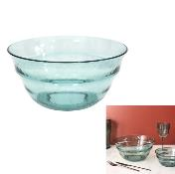 | KA5836 | SALADIER PLASTIQUE MARTELE D12CM M12 | 2 | 12 | 3664944369066 | HOME DECO FACTORY |  | ART DE LA TABLE | SERVICE DE TABLE | SALADIER ET COUPELLE | 12.30x25.10x0.00 | 26.00x26.00x19.00 | https://asset.product-live.com/e303c708fcd63d1ecd073083dfc3729c6e16d067.jpg
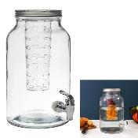 | KA5854 | FONTAINE AVEC INFUSEUR 5.5L M6 | 1 | 6 | 3664944369240 | HOME DECO FACTORY |  | ART DE LA TABLE | BOISSON ET APERO | COCKTAIL - BIERE ET JUS | 30.70x17.50x0.00 | 57.00x38.00x32.00 | https://asset.product-live.com/b5b88d820ae4103ae56d0e830ebf8496ff221b90.jpg
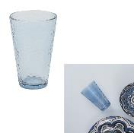 | KA5862 | VERRE EFFET MARTELE BLEU IRISE 34CL M24 | 1 | 24 | 3664944369325 | HOME DECO FACTORY |  | ART DE LA TABLE | VAISSELLE | VERRE ET CARAFE | 13.00x8.10x0.00 | 34.40x26.30x27.40 | https://asset.product-live.com/59f0e8a364093f0fe5abaddf792bc24213fe87b0.jpg
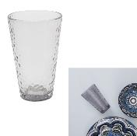 | KA5863 | VERRE EFFET MARTELE GRIS IRISE 34CL M24 | 1 | 24 | 3664944369332 | HOME DECO FACTORY |  | ART DE LA TABLE | VAISSELLE | VERRE ET CARAFE | 13.00x8.10x0.00 | 34.40x26.30x27.40 | https://asset.product-live.com/e063561ed6d301b8893cc63a133dceb4eac32ded.jpg
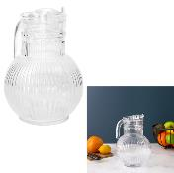 | KA5901 | PICHET VERRE STRIE 1.8L M12 | 1 | 12 | 3664944369714 | HOME DECO FACTORY |  | ART DE LA TABLE | VAISSELLE | VERRE ET CARAFE | 22.50x180.00x0.00 | 62.00x70.00x25.00 | https://asset.product-live.com/0d383cb230ca5efbac419f6c12e4b9df0753f084.jpg
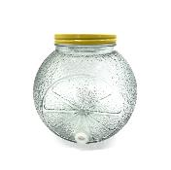 | KA5935 | DISTRIBUTEUR 5L M2 | 1 | 2 | 3664944370048 |  |  | CUISINE | CONSERVATION | BOCAL | 23.00x17.40x23.80 | 38.00x30.00x25.50 | https://asset.product-live.com/2a3d74f3f263fd813719d219b006a0eab8bec869.jpg
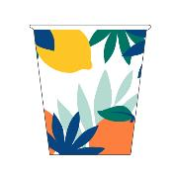 | KA5944 | GOBELET EXPRESSO RIO 7CL M24 | 1 | 24 | 3664944387985 | HOME DECO FACTORY |  | ART DE LA TABLE | VAISSELLE | BOL - MUG ET TASSE | 0.00x6.00x6.00 | 29.00x13.00x19.00 | https://asset.product-live.com/c7ab165f7de59ea4ab3f1ca0f508f91f8a2e4338.jpg
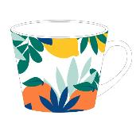 | KA5945 | MUG RIO 30CL M18 | 1 | 18 | 3664944387992 | HOME DECO FACTORY |  | ART DE LA TABLE | VAISSELLE | BOL - MUG ET TASSE | 0.00x9.00x9.00 | 29.50x29.50x24.50 | https://asset.product-live.com/0cd5a11cb0ac4e8970041121ee534f7c878e18ab.jpg
 | KA6063 | ASSIETTE JETABLE RIO X6 M24 | 1 | 24 | 3664944406334 | HOME DECO FACTORY |  | ART DE LA TABLE | JETABLE - REUTILISABLE | JETABLE | 25.00x0.00x0.00 | 52.00x21.00x26.50
 | KA6064 | SERVIETTE JETABLE RIO X20 M24 | 1 | 24 | 3664944406341 | HOME DECO FACTORY |  | ART DE LA TABLE | JETABLE - REUTILISABLE | JETABLE | 0.00x33.00x33.00 | 37.00x22.50x19.00
 | KA6065 | GOBELET JETABLE RIO X6 M24 | 1 | 24 | 3664944406358 | HOME DECO FACTORY |  | ART DE LA TABLE | JETABLE - REUTILISABLE | JETABLE | 7.60x5.30x8.60 | 33.00x17.00x21.50
 | KA6066 | PAILLE JETABLE RIO X24 M24 | 1 | 24 | 3664944406365 | HOME DECO FACTORY |  | ART DE LA TABLE | JETABLE - REUTILISABLE | JETABLE | 0.00x19.70x0.00 | 42.00x18.00x10.00
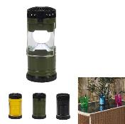 | LAO0130 | LANTERNE LED AVEC VENTILATEUR M12 | 4 | 12 | 3664944387435 | JE CHERCHE UNE IDEE |  | MAISON ET BAZAR | BAZAR ET QUINCAILLERIE | SECURITE ET ACCESSOIRE | 7.30x7.30x12.00 | 33.50x33.00x14.50 | https://asset.product-live.com/07ceb6996c2f3bad014898548518911684ec6518.jpg
 | SE5923 | TORCHE A HUILE EN BAMBOU NOIR H90CM M12 | 1 | 12 | 3664944397243 | HOME DECO FACTORY |  | DECO | BOUGIE ET SENTEUR | BOUGIE | 6.50x6.50x90.00 | 95.00x30.00x45.00
 | SE5924 | TORCHE A HUILE EN BAMBOU COLORE H90CM M12 | 3 | 12 | 3664944397250 | HOME DECO FACTORY |  | DECO | BOUGIE ET SENTEUR | BOUGIE | 6.50x6.50x90.00 | 95.00x30.00x45.00
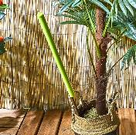 | SE5925 | STICK BOUGIE CITRONNELLE BAMBOU H70CM M24 | 1 | 24 | 3664944407652 | HOME DECO FACTORY |  | DECO | BOUGIE ET SENTEUR | BOUGIE | 0.00x0.00x70.00 | 0.00x0.00x0.00 | https://asset.product-live.com/05ab47245b7b01b39c62b6d145f0a83162f786b6.jpg
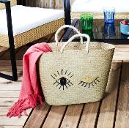 | SHO1919 | SAC DE PLAGE CLIN D OEIL 58X34CM M6 | 1 | 6 | 3664944383932 | JET LAG |  | LOISIR VOYAGE | ACCESSOIRE DE PLEIN-AIR | ACCESSOIRE DE PLAGE | 58.00x15.00x34.00 | 52.00x52.00x33.00 | https://asset.product-live.com/c31d46ef76de3c8774cc999cd9bba7d05158a897.jpg
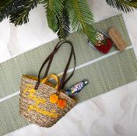 | SHO1932 | SAC DE PLAGE EN JONC DE MER PLAGE PRIVEE M4 | 1 | 4 | 3664944384069 | JET LAG |  | LOISIR VOYAGE | ACCESSOIRE DE PLEIN-AIR | ACCESSOIRE DE PLAGE | 55.00x18.00x30.00 | 88.00x45.00x56.00 | https://asset.product-live.com/7cec8f7f13b9eff454306e048485b4932b365de4.jpg
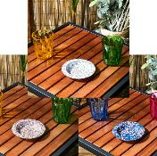 | TB1047 | CENDRIER EN METAL RIO D13CM M36 | 3 | 36 | 3664944385929 | HOME DECO FACTORY |  | DRUGSTORE GIFT | TABAC | ACCESSOIRE TABAC | 13.50x13.50x1.50 | 45.00x31.00x17.00 | https://asset.product-live.com/c426c42b847640a9e76fc78cbfdb402b35079e61.jpg
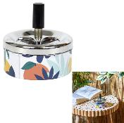 | TB1048 | CENDRIER POUSSOIR RIO M24 | 1 | 24 | 3664944385936 | HOME DECO FACTORY |  | DRUGSTORE GIFT | TABAC | ACCESSOIRE TABAC | 9.00x9.00x9.50 | 28.00x24.00x28.00 | https://asset.product-live.com/9138d02a0e73f481e28d6e771891a02d5a2dcd25.jpg
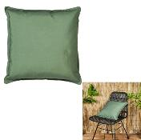 | TXO0106 | COUSSIN DEPERLANT SAUGE 40X40CM M6 | 1 | 6 | 3664944371960 | HOME DECO FACTORY |  | DECO | TEXTILE D'INTERIEUR | COUSSIN | 40.00x40.00x6.00 | 43.00x43.00x45.00 | https://asset.product-live.com/a545b70e9c234c301bc192536be7efd07f97b7df.jpg
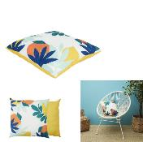 | TXO0107 | COUSSIN DEPERLANT IMPRIME RIO 40X40CM M6 | 1 | 6 | 3664944371977 | HOME DECO FACTORY |  | DECO | TEXTILE D'INTERIEUR | COUSSIN | 40.00x40.00x6.00 | 41.00x41.00x45.00 | https://asset.product-live.com/4355b354aa3bdceee2094f6690d2d5ca2e7c95d6.jpg
 | TXO0129 | GALETTE DE CHAISE DEPERLANTE RIO 40X40CM M12 | 1 | 12 | 3664944372196 | HOME DECO FACTORY |  | DECO | TEXTILE D'INTERIEUR | COUSSIN | 40.00x40.00x5.00 | 40.00x40.00x45.00 | https://asset.product-live.com/1c8c41ef92b48445b5f1b220d1c3e49b3e8fbbc4.jpg
 | VO2142 | SAC FILET DE PLAGE 45X26CM M24 | 1 | 24 | 3664944383413 | JET LAG |  | LOISIR VOYAGE | ACCESSOIRE DE PLEIN-AIR | ACCESSOIRE DE PLAGE | 45.00x45.00x26.00 | 20.00x30.00x15.00 | https://asset.product-live.com/a0114ad069139641f866fb94f544d0c592c9f8e5.jpg
 | VO2148 | NATTE DE PLAGE 180X60CM M24 | 4 | 24 | 3664944383475 | JET LAG |  | LOISIR VOYAGE | ACCESSOIRE DE PLEIN-AIR | ACCESSOIRE DE PLAGE | 60.00x0.50x180.00 | 32.00x25.00x63.00 | https://asset.product-live.com/39b21799594fa8312a250f3013f0a38bd7c42c67.jpg
 | VO2158 | POCHETTE FRAICHEUR RIO 36X22CM M12 | 1 | 12 | 3664944384670 | JET LAG |  | LOISIR VOYAGE | ACCESSOIRE DE PLEIN-AIR | ACCESSOIRE DE PLAGE | 36.00x6.50x22.00 | 42.00x27.00x15.00 | https://asset.product-live.com/7064e6001aca590737a631946db83cda59a982fe.jpg
 | VO2164 | SERVIETTE DE PLAGE DOUBLE RIO 140X170CM M6 | 1 | 6 | 3664944387350 | JET LAG |  | LOISIR VOYAGE | ACCESSOIRE DE PLEIN-AIR | ACCESSOIRE DE PLAGE | 140.00x0.50x170.00 | 49.00x30.00x15.00 | https://asset.product-live.com/e742773b280bd1b7558fce3c0d5647c33cecf1d2.jpg
 | VO2165 | SERVIETTE DE PLAGE RIO 70X140CM M12 | 1 | 12 | 3664944387367 | JET LAG |  | LOISIR VOYAGE | ACCESSOIRE DE PLEIN-AIR | ACCESSOIRE DE PLAGE | 70.00x0.50x140.00 | 50.00x30.00x20.00 | https://asset.product-live.com/f5df2097d0c401bd7e98e0005742057b7b832c99.jpg
 | VO2183 | EVENTAIL RIO M24 | 1 | 24 | 3664944399407 | JET LAG |  | LOISIR VOYAGE | ACCESSOIRE DE PLEIN-AIR | ACCESSOIRE DE PLAGE | 14.20x2.00x24.80 | 15.00x23.00x14.50

