Feuil1
 | COLLECTION PATIO

 | 2021-09-17 16:12:57
 | ENTREPRISE
 | NOM | MAIL

PRODUIT |  |  |  |  | PRODUCT FEATURES
PHOTO | REFERENCE | DESCRIPTION | ASSORTIMENT | NB PCS / COLIS | EAN | MARQUE | UNIVERS | FAMILLE | SOUS FAMILLE | DIMENSION PRODUIT CM | LIEN PHOTO HD
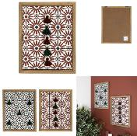 | HD1953 | DECORATION MURALE POMPONS PATIO M6 | 2 | 6 | 3664944389484 | HOME DECO FACTORY | DECO | DECO MURALE | AUTRE DECO MURALE | 1.00x38.00x48.00 | https://asset.product-live.com/e0e143d6dab372117f4ab0b76a4539f83a78ef22.jpg
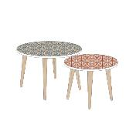 | HD5171 | TABLE GOGOGNE PATIO X2 M1 | 1 | 1 | 3664944389019 | HOME DECO FACTORY | MOBILIER | TABLE ET BUREAU | TABLE D'APPOINT - GIGOGNE | 48.00x48.00x43.00 | https://asset.product-live.com/450f5193848e3bcdfc103d89849c1f0a3c6f32ad.jpg
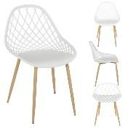 | HDO2022A | CHAISE EXTERIEUR PP MALAGA BLANC M4 | 1 | 4 | 3664944377429 | HOME DECO FACTORY | MOBILIER | MOBILIER D'EXTERIEUR | ASSISE D'EXTERIEUR | 0.00x0.00x0.00 | https://asset.product-live.com/f9e8216373db76ef29009c477ac993a931292aed.jpg
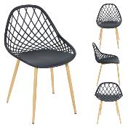 | HDO2022B | CHAISE EXTERIEUR PP MALAGA GRIS M4 | 1 | 4 | 3664944377436 | HOME DECO FACTORY | MOBILIER | MOBILIER D'EXTERIEUR | ASSISE D'EXTERIEUR | 0.00x0.00x0.00 | https://asset.product-live.com/64afaeb93d14a670497cbbc47c284f718b19d473.jpg
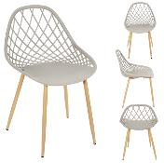 | HDO2022C | CHAISE EXTERIEUR PP MALAGA TAUPE M4 | 1 | 4 | 3664944377443 | HOME DECO FACTORY | MOBILIER | MOBILIER D'EXTERIEUR | ASSISE D'EXTERIEUR | 0.00x0.00x0.00 | https://asset.product-live.com/343a33b18223af47c4d62a2b6874c4046c032ee4.jpg
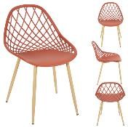 | HDO2022D | CHAISE EXTERIEUR PP MALAGA TERRACOTTA M4 | 1 | 4 | 3664944377450 | HOME DECO FACTORY | MOBILIER | MOBILIER D'EXTERIEUR | ASSISE D'EXTERIEUR | 0.00x0.00x0.00 | https://asset.product-live.com/692d67993c6352636b2d5e58e27a80416494354e.jpg
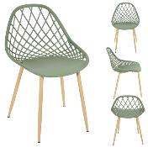 | HDO2022E | CHAISE EXTERIEUR PP MALAGA VERT M4 | 1 | 4 | 3664944377467 | HOME DECO FACTORY | MOBILIER | MOBILIER D'EXTERIEUR | ASSISE D'EXTERIEUR | 0.00x0.00x0.00 | https://asset.product-live.com/7b371f8ba3064077036596b9bcdb13fa3d9234b5.jpg
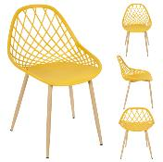 | HDO2022F | CHAISE EXTERIEUR PP MALAGA JAUNE M4 | 1 | 4 | 3664944391876 | HOME DECO FACTORY | MOBILIER | MOBILIER D'EXTERIEUR | ASSISE D'EXTERIEUR | 0.00x0.00x0.00 | https://asset.product-live.com/4280d2e959368a8d54344ec5a3bd649510186da9.jpg
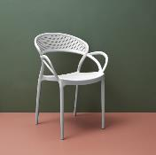 | HDO2024A | CHAISE EXTERIEUR PP SANTORIN BLANC M4 | 1 | 4 | 3664944377481 | HOME DECO FACTORY | MOBILIER | MOBILIER D'EXTERIEUR | ASSISE D'EXTERIEUR | 0.00x0.00x0.00 | https://asset.product-live.com/401ec2c6cf277ad66fa4e05a9e8a6accfb9a85d1.jpg
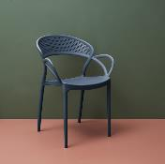 | HDO2024B | CHAISE EXTERIEUR PP SANTORIN GRIS M4 | 1 | 4 | 3664944377498 | HOME DECO FACTORY | MOBILIER | MOBILIER D'EXTERIEUR | ASSISE D'EXTERIEUR | 0.00x0.00x0.00 | https://asset.product-live.com/6f96991d8588d3cd5b252f560c419b196c072137.jpg
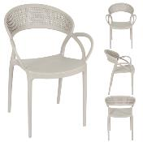 | HDO2024C | CHAISE EXTERIEUR PP SANTORIN TAUPE M4 | 1 | 4 | 3664944377504 | HOME DECO FACTORY | MOBILIER | MOBILIER D'EXTERIEUR | ASSISE D'EXTERIEUR | 0.00x0.00x0.00 | https://asset.product-live.com/dd353613b4465886753c384d8f34956193ac45fb.jpg
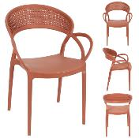 | HDO2024D | CHAISE EXTERIEUR PP SANTORIN TERRACOTTA M4 | 1 | 4 | 3664944386957 | HOME DECO FACTORY | MOBILIER | MOBILIER D'EXTERIEUR | ASSISE D'EXTERIEUR | 0.00x0.00x0.00 | https://asset.product-live.com/45699ac53d6b7208a8d5064678323aae41f2c631.jpg
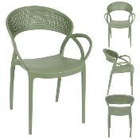 | HDO2024E | CHAISE EXTERIEUR PP SANTORIN VERT M4 | 1 | 4 | 3664944386964 | HOME DECO FACTORY | MOBILIER | MOBILIER D'EXTERIEUR | ASSISE D'EXTERIEUR | 0.00x0.00x0.00 | https://asset.product-live.com/16f3219bd28a0d65ccd1d1cb8f093830a567c964.jpg
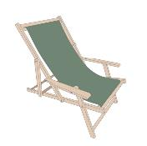 | HDO2045A | CHILIENNE AVEC ACCOUDOIRS VERT M2 | 1 | 2 | 3664944377788 | HOME DECO FACTORY | MOBILIER | MOBILIER D'EXTERIEUR | ASSISE D'EXTERIEUR | 0.00x0.00x0.00 | https://asset.product-live.com/46c3070ad4c0ac076b3f020558965c8f8ba44dd9.jpg
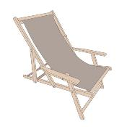 | HDO2045B | CHILIENNE AVEC ACCOUDOIRS TAUPE M2 | 1 | 2 | 3664944377795 | HOME DECO FACTORY | MOBILIER | MOBILIER D'EXTERIEUR | ASSISE D'EXTERIEUR | 0.00x0.00x0.00 | https://asset.product-live.com/14fd1def77e24f0d21f441dd8a9fad729f89ea1c.jpg
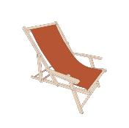 | HDO2045C | CHILIENNE AVEC ACCOUDOIRS TERRACOTTA M2 | 1 | 2 | 3664944393924 | HOME DECO FACTORY | MOBILIER | MOBILIER D'EXTERIEUR | ASSISE D'EXTERIEUR | 0.00x0.00x0.00 | https://asset.product-live.com/614fc0f22234521c75bddf14eb9c6da0712733ec.jpg
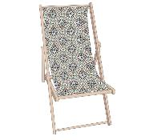 | HDO2048D | CHILIENNE PATIO VERT M2 | 1 | 2 | 3664944387046 | HOME DECO FACTORY | MOBILIER | MOBILIER D'EXTERIEUR | ASSISE D'EXTERIEUR | 0.00x0.00x0.00 | https://asset.product-live.com/191f7cc7f253f0e4c6312fa97f520212a47c8c60.jpg
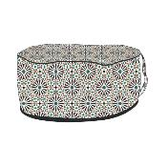 | HDO2049D | POUF GONFLABLE PATIO VERT M6 | 1 | 6 | 3664944387060 | HOME DECO FACTORY | MOBILIER | MOBILIER D'EXTERIEUR | ASSISE D'EXTERIEUR | 0.00x0.00x0.00 | https://asset.product-live.com/40addc4ffebbbc8747500c4e92e3a0e9e06ba5cb.jpg
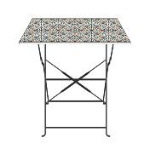 | HDO2050C | TABLE REPAS EXT PLIABLE PATIO VERT 70X70X71CM M1 | 1 | 1 | 3664944387084 | HOME DECO FACTORY | MOBILIER | MOBILIER D'EXTERIEUR | TABLE D'EXTERIEUR | xx | https://asset.product-live.com/d90186b56983a6a058b80bfe13d5e62aa2507369.jpg
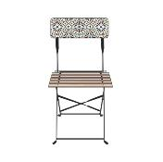 | HDO2051C | CHAISE EXTERIEUR PLIABLE PATIO VERT M2 | 1 | 2 | 3664944387091 | HOME DECO FACTORY | MOBILIER | MOBILIER D'EXTERIEUR | ASSISE D'EXTERIEUR | xx | https://asset.product-live.com/0b033bdbcc9693a685635bf5ea70f006572f888e.jpg
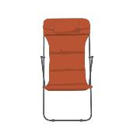 | HDO2052 | TRANSAT PLIABLE CORFOU TERRACOTTA M1 | 1 | 1 | 3664944377931 | HOME DECO FACTORY | MOBILIER | MOBILIER D'EXTERIEUR | ASSISE D'EXTERIEUR | xx | https://asset.product-live.com/81d0240846f5a2c3e9a1e56c70589ad41c29ecee.jpg
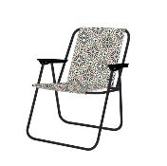 | HDO2057B | CHAISE PLIANTE PATIO M4 | 1 | 4 | 3664944397427 | HOME DECO FACTORY | MOBILIER | MOBILIER D'EXTERIEUR | ASSISE D'EXTERIEUR | 51.00x60.00x73.00 | https://asset.product-live.com/6b931fd0c43679aa59ecdee74a8b24d816bd7c25.jpg
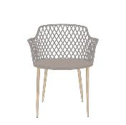 | HDO2240A | FAUTEUIL EXTERIEUR MALAGA TAUPE M4 | 1 | 4 | 3664944397489 | HOME DECO FACTORY | MOBILIER | MOBILIER D'EXTERIEUR | ASSISE D'EXTERIEUR | 54.10x62.20x80.00 | https://asset.product-live.com/b76947e74c3933663c9168a32c5015785ba8f6d7.jpg
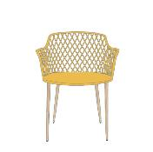 | HDO2240B | FAUTEUIL EXTERIEUR MALAGA JAUNE M4 | 1 | 4 | 3664944397496 | HOME DECO FACTORY | MOBILIER | MOBILIER D'EXTERIEUR | ASSISE D'EXTERIEUR | 54.10x62.20x80.00 | https://asset.product-live.com/b045bfa87e214549cc466dbef0c81a9648a76ff6.jpg
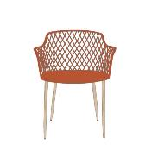 | HDO2240C | FAUTEUIL EXTERIEUR MALAGA TERRACOTTA M4 | 1 | 4 | 3664944397502 | HOME DECO FACTORY | MOBILIER | MOBILIER D'EXTERIEUR | ASSISE D'EXTERIEUR | 54.10x62.20x80.00 | https://asset.product-live.com/2f60557f156bda264f33425f958184ec3c96238b.jpg
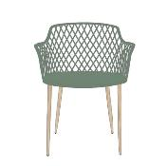 | HDO2240D | FAUTEUIL EXTERIEUR MALAGA VERT M4 | 1 | 4 | 3664944397519 | HOME DECO FACTORY | MOBILIER | MOBILIER D'EXTERIEUR | ASSISE D'EXTERIEUR | 54.10x62.20x80.00 | https://asset.product-live.com/94d80ca6ae629a3b7423e06e17bd9ba064029d10.jpg
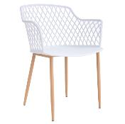 | HDO2240E | FAUTEUIL EXTERIEUR MALAGA BLANC M4 | 1 | 4 | 3664944398516 | HOME DECO FACTORY | MOBILIER | MOBILIER D'EXTERIEUR | ASSISE D'EXTERIEUR | 54.10x62.20x80.00 | https://asset.product-live.com/417714fc257aecb20682d3683ca1bb3c98ca5686.jpg
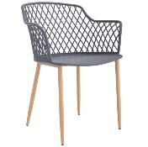 | HDO2240F | FAUTEUIL EXTERIEUR MALAGA GRIS M4 | 1 | 4 | 3664944398523 | HOME DECO FACTORY | MOBILIER | MOBILIER D'EXTERIEUR | ASSISE D'EXTERIEUR | 54.10x62.20x80.00 | https://asset.product-live.com/4200bf48a5d844e85a4e189a9295edc3eefe9311.jpg
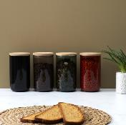 | KA5503 | BOCAL VERRE COLORE COUVERCLE BAMBOU 1L M12 | 1 | 12 | 3664944361503 | COOK CONCEPT | CUISINE | CONSERVATION | BOCAL | 10.00x10.00x18.40 | https://asset.product-live.com/51d7622329e45732ba616e0e14ab627a67554310.jpg
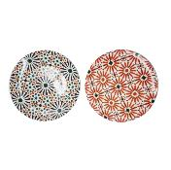 | KA5536 | ASSIETTE PATIO D26CM M12 | 2 | 12 | 3664944365648 | HOME DECO FACTORY | ART DE LA TABLE | VAISSELLE | ASSIETTE | 0.00x0.00x0.00 | https://asset.product-live.com/6ae3ddbf5367df422da6779a2494d33cf32a010b.jpg
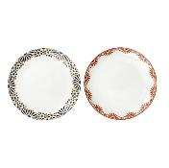 | KA5537 | ASSIETTE PATIO D20CM M12 | 2 | 12 | 3664944365655 | HOME DECO FACTORY | ART DE LA TABLE | VAISSELLE | ASSIETTE | 0.00x0.00x0.00 | https://asset.product-live.com/7d027c5316250d8fc7d237a6079f506d7420bea4.jpg
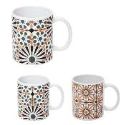 | KA5538 | MUG PATIO 30CL M18 | 2 | 18 | 3664944365662 | HOME DECO FACTORY | ART DE LA TABLE | VAISSELLE | BOL - MUG ET TASSE | 12.00x0.00x9.50 | https://asset.product-live.com/e14a4a025fe64bd4ccae4259ae657efaa406f7a6.jpg
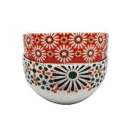 | KA5539 | BOL PATIO 45CL M12 | 2 | 12 | 3664944365679 | HOME DECO FACTORY | ART DE LA TABLE | VAISSELLE | BOL - MUG ET TASSE | 7.00x14.00x0.00 | https://asset.product-live.com/c2ff63c8e97034b0bba2149e462a247f86f32d74.jpg
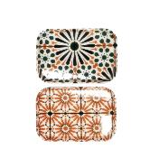 | KA5541 | PLATEAU PATIO 45X31CM M12 | 2 | 12 | 3664944365693 | HOME DECO FACTORY | ART DE LA TABLE | SERVICE DE TABLE | PLATEAU ET CORBEILLE | 45.00x31.00x2.00 | https://asset.product-live.com/c42867e8ab0604cc2739b130a0c71e0e872caec9.jpg
 | KA5542 | PLATEAU PATIO 21X14CM M24 | 2 | 24 | 3664944365709 | HOME DECO FACTORY | ART DE LA TABLE | SERVICE DE TABLE | PLATEAU ET CORBEILLE | 21.00x14.50x1.80 | https://asset.product-live.com/27b66fb53ca7f8789d0b92017b6199ebfed66832.jpg
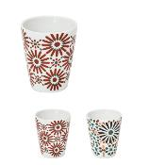 | KA5543 | GOBELET EXPRESSO PATIO 7CL M24 | 2 | 24 | 3664944365716 | HOME DECO FACTORY | ART DE LA TABLE | VAISSELLE | BOL - MUG ET TASSE | 7.00x6.00x0.00 | https://asset.product-live.com/d87372a10210056e93168eccc1fd2d5a19da4b73.jpg
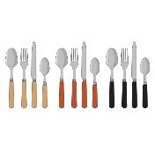 | KA5544 | MENAGERE COLOREE X24 M8 | 2 | 8 | 3664944365723 | HOME DECO FACTORY | ART DE LA TABLE | VAISSELLE | MENAGERE | 0.00x0.00x0.00 | https://asset.product-live.com/73d810bb9d1ccc9505d86840fedea618dc8fd7bd.jpg
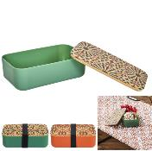 | KA5589 | LUNCH BOX COUVERCLE BAMBOU ET ELASTIQUE 85CL M12 | 2 | 12 | 3664944366645 | COOK CONCEPT | CUISINE | A EMPORTER | LUNCH BOX ET ACCESSOIRE | 18.80x11.50x6.00 | https://asset.product-live.com/3ffb5dd14a6dfd6a912e887e52dc36676308c70a.jpg
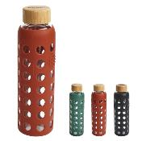 | KA5591 | BOUTEILLE DE TRANSPORT VERRE ET SILICONE 58CL M12 | 3 | 12 | 3664944366669 | COOK CONCEPT | CUISINE | A EMPORTER | BOUTEILLE DE TRANSPORT | 20.50x6.60x20.50 | https://asset.product-live.com/9ec61c5fd191599b09cbb2e5f4643c41bb90fade.jpg
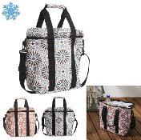 | KA5596 | SAC FRAICHEUR PATIO M18 | 2 | 18 | 3664944366713 | COOK CONCEPT | CUISINE | A EMPORTER | LUNCH BAG ET GLACIERE | 30.00x25.00x15.00 | https://asset.product-live.com/8f0155a04117969ef180895c0fa5784fff66c24d.jpg
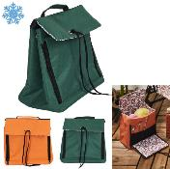 | KA5605 | SAC FRAICHEUR MULTI POCHETTE PATIO M12 | 2 | 12 | 3664944366805 | COOK CONCEPT | CUISINE | A EMPORTER | LUNCH BAG ET GLACIERE | 25.00x25.00x25.00 | https://asset.product-live.com/47793e3ffe66cffdf0ea92e91a293722f65ac24e.jpg
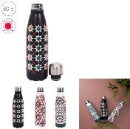 | KA5610 | BOUTEILLE DE TRANSPORT ISOTHERME PATIO 50CL M12 | 3 | 12 | 3664944366850 | COOK CONCEPT | CUISINE | A EMPORTER | BOUTEILLE DE TRANSPORT | 7.00x7.00x25.80 | https://asset.product-live.com/e7f4fe16b4cb4c3f98825b7a50e1d8a2a4fef265.jpg
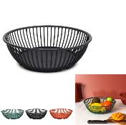 | KA5745 | CORBEILLE A FRUIT PLASTIQUE RONDE D26CM M24 | 1 | 24 | 3664944368144 | HOME DECO FACTORY | ART DE LA TABLE | SERVICE DE TABLE | PLATEAU ET CORBEILLE | 26.00x17.00x7.50 | https://asset.product-live.com/3e568089747cc4b453470cea3809162f1a9c3546.jpg
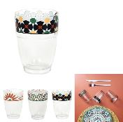 | KA5762 | VERRE PATIO 25CL M24 | 3 | 24 | 3664944368328 | HOME DECO FACTORY | ART DE LA TABLE | VAISSELLE | VERRE ET CARAFE | 10.50x7.30x0.00 | https://asset.product-live.com/968fd82b1ce162878933fe2dd7aa49618864a3e0.jpg
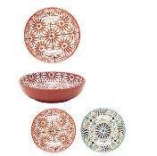 | KA5763 | SALADIER MELAMINE PATIO D20CM M12 | 2 | 12 | 3664944368335 | HOME DECO FACTORY | ART DE LA TABLE | SERVICE DE TABLE | SALADIER ET COUPELLE | 5.50x20.20x0.00 | https://asset.product-live.com/af419b28ed78c1c409ecc892e094473ae070b16c.jpg
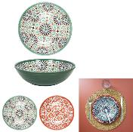 | KA5764 | SALADIER MELAMINE PATIO D30CM M12 | 2 | 12 | 3664944368342 | HOME DECO FACTORY | ART DE LA TABLE | SERVICE DE TABLE | SALADIER ET COUPELLE | 9.00x30.50x0.00 | https://asset.product-live.com/1eb92c7004aba6042b33ec9234daf059261febad.jpg
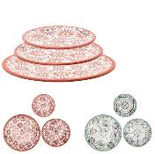 | KA5767 | PLAT DE SERVICE MELAMINE PATIO D35.6CM M12 | 2 | 12 | 3664944368373 | HOME DECO FACTORY | ART DE LA TABLE | SERVICE DE TABLE | SALADIER ET COUPELLE | 3.00x35.60x0.00 | https://asset.product-live.com/791ef72fc324cbf44018b6e8509aa032ebe376d2.jpg
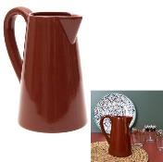 | KA5773 | PICHET CERAMIQUE TERRACOTTA M12 | 1 | 12 | 3664944368427 | HOME DECO FACTORY | ART DE LA TABLE | VAISSELLE | VERRE ET CARAFE | 18.80x15.80x9.60 | https://asset.product-live.com/da97fd1a2512fcd47605e82e16f1af63e6a95cb5.jpg
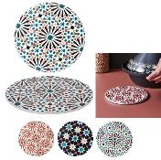 | KA5940 | DESSOUS DE PLAT EN CERAMIQUE PATIO D20CM M18 | 3 | 18 | 3664944372936 | HOME DECO FACTORY | ART DE LA TABLE | SERVICE DE TABLE | ACCESSOIRE DE SERVICE | 20.00x20.00x1.50 | https://asset.product-live.com/7755c7dc29f33ac26027463b7df23016c6286571.jpg
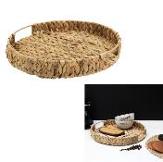 | KA6001 | PLATEAU TRESSAGE NATUREL D40CM M8 | 1 | 8 | 3664944391678 | HOME DECO FACTORY | ART DE LA TABLE | SERVICE DE TABLE | PLATEAU ET CORBEILLE | 40.00x40.00x7.00 | https://asset.product-live.com/c644e892393c8784e9b19cea9bf221c13d96a1b1.jpg
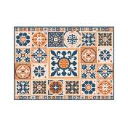 | KA6011 | SET DE TABLE MOTIFS CARREAUX DE CIMENT 40X30CM M36 | 1 | 36 | 3664944393801 | HOME DECO FACTORY | ART DE LA TABLE | SERVICE DE TABLE | TEXTILE DE TABLE | 45.00x30.00x0.00 | https://asset.product-live.com/2ad123fce96257bc356fffb6f775e3de47060472.jpg
 | KC2582 | TAJINE INDUCTION PATIO D30CM M2 | 1 | 2 | 3664944372813 | COOK CONCEPT | CUISINE | CUISSON | CUISSON SPECIFIQUE | 23.00x30.00x30.00 | https://asset.product-live.com/ee58bffa7e12bd40f4e27bc60fa549f5948c329c.jpg
 | RG9302 | PANIER COTON TERRACOTTA OCRE IVOIRE X3 M4 | 1 | 4 | 3664944400578 | HOME DECO FACTORY | DECO | RANGEMENT DECO | PANIER ET CORBEILLE | 26.00x26.00x22.00 | https://asset.product-live.com/4bc861756955f9f06615d08e1991d6d991851055.jpg
 | TB1043 | CENDRIER MAROCAIN D10CM M12 | 3 | 12 | 3664944385882 | HOME DECO FACTORY | DRUGSTORE GIFT | TABAC | ACCESSOIRE TABAC | 10.00x10.00x5.80
 | TB1045 | CENDRIER MAROCAIN D8CM M12 | 3 | 12 | 3664944385905 | HOME DECO FACTORY | DRUGSTORE GIFT | TABAC | ACCESSOIRE TABAC | 8.00x8.00x4.70
 | TXO0050 | TAPIS JUTE COTON TERRACOTTA 120X170CM M1 | 1 | 1 | 3664944371403 | HOME DECO FACTORY | DECO | TEXTILE D'INTERIEUR | TAPIS | 120.00x170.00x1.00 | https://asset.product-live.com/04d24357dc29a4c3929beda8ddcd4e6d8603d0d1.jpg
 | TXO0055 | TAPIS INTERIEUR EXTERIEUR PATIO 120X180CM BOX M24 | 3 | 24 | 3664944371458 | HOME DECO FACTORY | DECO | TEXTILE D'INTERIEUR | TAPIS | 120.00x180.00x1.00 | https://asset.product-live.com/56e605e9a959061daa5676e5ce17785d6a909b46.jpg
 | TXO0109 | COUSSIN DEPERLANT IMPRIME PATIO VERT 40X40CM M6 | 1 | 6 | 3664944371991 | HOME DECO FACTORY | DECO | TEXTILE D'INTERIEUR | COUSSIN | 40.00x40.00x6.00 | https://asset.product-live.com/d8f2e4dda437ca5bb2cc09d0420396abe9e5bc23.jpg
 | TXO0127 | GALETTE CHAISE DEPERLANT PATIO ORANGE 40X40CM M12 | 1 | 12 | 3664944372172 | HOME DECO FACTORY | DECO | TEXTILE D'INTERIEUR | COUSSIN | 40.00x40.00x5.00 | https://asset.product-live.com/b5b31f2cea80f5549a7b9e428511eef97fa581f2.jpg
 | TXO0128 | GALETTE CHAISE DEPERLANT PATIO VERT 40X40CM M12 | 1 | 12 | 3664944372189 | HOME DECO FACTORY | DECO | TEXTILE D'INTERIEUR | COUSSIN | 40.00x40.00x5.00 | https://asset.product-live.com/bdaa580b470ef2e71d3a4556807c7f7eb2797eec.jpg
 | TXO0171 | MATELAS DE SOL IMPRIME PATIO ORANGE 120X60CM M1 | 1 | 1 | 3664944402497 | HOME DECO FACTORY | DECO | TEXTILE D'INTERIEUR | COUSSIN | 120.00x60.00x8.00
 | TXO0172 | MATELAS DE SOL IMPRIME PATIO VERT 120X60CM M1 | 1 | 1 | 3664944402527 | HOME DECO FACTORY | DECO | TEXTILE D'INTERIEUR | COUSSIN | 120.00x60.00x8.00
 | TXO0173 | COUSSIN DEPERLANT IMPRIME PATIO ORANGE 40X40CM M6 | 1 | 6 | 3664944402510 | HOME DECO FACTORY | DECO | TEXTILE D'INTERIEUR | COUSSIN | 40.00x40.00x6.00
 | VO2139 | SAC DE PLAGE AVEC NATTE 50X30CM M9 | 3 | 9 | 3664944383383 | JET LAG | LOISIR VOYAGE | ACCESSOIRE DE PLEIN-AIR | ACCESSOIRE DE PLAGE | 50.00x30.00x8.00 | https://asset.product-live.com/a44b88f84ddc5e82feb4454227177c9431216283.jpg
 | VO2160 | EVENTAIL PATIO M24 | 3 | 24 | 3664944385943 | JET LAG | LOISIR VOYAGE | ACCESSOIRE DE PLEIN-AIR | ACCESSOIRE DE PLAGE | 14.20x2.00x24.80
 | VO2163 | CHAPEAU DE PLAGE ADULTE M12 | 3 | 12 | 3664944387343 | JET LAG | LOISIR VOYAGE | ACCESSOIRE DE PLEIN-AIR | ACCESSOIRE DE PLAGE | 42.00x42.00x11.00

