Feuil1
 | COLLECTION NUIT SLAVE

 | 2021-09-17 14:29:27
 | ENTREPRISE
 | NOM | MAIL

PRODUIT |  |  |  |  | PRODUCT FEATURES
PHOTO | REFERENCE | DESCRIPTION | ASSORTIMENT | NB PCS / COLIS | EAN | MARQUE | GAMME | UNIVERS | FAMILLE | SOUS FAMILLE | DIMENSION PRODUIT CM | LIEN PHOTO HD
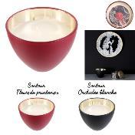 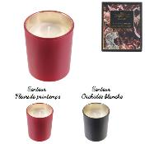 | BO5303 | BOUGIE VERRE BOHEME ET BOITE M12 | 2 | 12 | 3664944134107 | HOME DECO FACTORY | NUIT SLAVE | DECO | BOUGIE ET SENTEUR | BOUGIE | 7.00x7.00x8.50 | https://asset.product-live.com/b7b93c4b4e85a33160e252d9f78ffb15f6fa77f3.jpg
 | BO5304 | BOUGIE BOHEME ECRIN EN VERRE 6.5X9CM M24 | 4 | 24 | 3664944134114 | HOME DECO FACTORY | NUIT SLAVE | DECO | BOUGIE ET SENTEUR | BOUGIE | 6.50x6.50x9.20
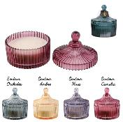 | BO5305 | BOUGIE BOHEME ECRIN EN VERRE 10X12.5CM M12 | 4 | 12 | 3664944134121 | HOME DECO FACTORY | NUIT SLAVE | DECO | BOUGIE ET SENTEUR | BOUGIE | 9.80x9.80x12.30 | https://asset.product-live.com/7e595adcfccff0c40523c311b44cfbf358949c68.jpg
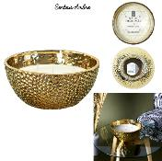 | BO5486 | BOUGIE PARFUMEE MARTELEE DOREE 5 MECHES D21CM M4 | 1 | 4 | 3664944305200 | HOME DECO FACTORY | NUIT SLAVE | DECO | BOUGIE ET SENTEUR | BOUGIE | 21.00x21.00x9.50 | https://asset.product-live.com/dd3738662c85a5717050920088f01656be98beb5.jpg
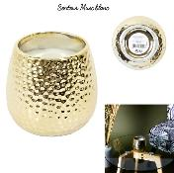 | BO5487 | BOUGIE PARFUMEE MARTELEE DOREE H9CM M12 | 1 | 12 | 3664944305217 | HOME DECO FACTORY | NUIT SLAVE | DECO | BOUGIE ET SENTEUR | BOUGIE | 8.00x8.00x89.00 | https://asset.product-live.com/117bb669d54ff8e2bdd2fc3b9d8f56ae90369ae3.jpg
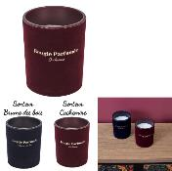 | BO5521 | BOUGIE PARFUMEE VELOURS H12.5CM M12 | 2 | 12 | 3664944332251 | HOME DECO FACTORY | NUIT SLAVE | DECO | BOUGIE ET SENTEUR | BOUGIE | 10.00x10.00x12.50 | https://asset.product-live.com/7090c5fca16354b51415f0800ea652bd0920401b.jpg
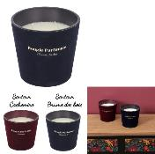 | BO5522 | BOUGIE PARFUMEE VASE VELOURS 3 MECHES D13.5CM M12 | 2 | 12 | 3664944332268 | HOME DECO FACTORY | NUIT SLAVE | DECO | BOUGIE ET SENTEUR | BOUGIE | 13.50x13.50x12.50 | https://asset.product-live.com/aae3535561cd56ebc91bf2e9cd721503459daaa3.jpg
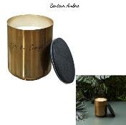 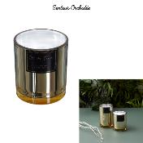 | BO5545 | BOUGIE PARFUMEE ELECTROPLATE DORE H11CM M12 | 1 | 12 | 3664944332497 | HOME DECO FACTORY | NUIT SLAVE | DECO | BOUGIE ET SENTEUR | BOUGIE | 9.70x9.70x11.00 | https://asset.product-live.com/7c57f4232d290b4609cb7e5aa5b18777129327b6.jpg
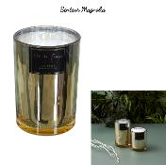 | BO5546 | BOUGIE PARFUMEE ELECTROPLATE DORE H14.5CM M8 | 1 | 8 | 3664944332503 | HOME DECO FACTORY | NUIT SLAVE | DECO | BOUGIE ET SENTEUR | BOUGIE | 10.00x10.00x14.50 | https://asset.product-live.com/da971d12883f51e559bf77e93927069e0b137860.jpg
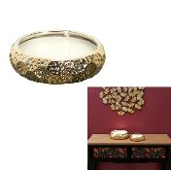 | BO5547 | BOUGIE PARFUMEE CERAMIQUE OR DU TEMPS 3 MECHES M12 | 1 | 12 | 3664944332510 | HOME DECO FACTORY | NUIT SLAVE | DECO | BOUGIE ET SENTEUR | BOUGIE | 14.00x14.00x5.00 | https://asset.product-live.com/cc61a5c16eb708269a4e99656a83976361ff3de3.jpg
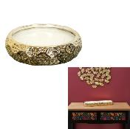 | BO5548 | BOUGIE PARFUMEE CERAMIQUE OR DU TEMPS 7 MECHES M8 | 1 | 8 | 3664944332527 | HOME DECO FACTORY | NUIT SLAVE | DECO | BOUGIE ET SENTEUR | BOUGIE | 20.00x20.00x5.00 | https://asset.product-live.com/29b436775f2ec735b178a04d41d1cdfa4ad596c4.jpg
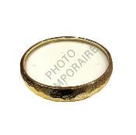 | BO5549 | BOUGIE PARFUMEE CERAMIQUE OR DU TEMPS 10 MECHES M2 | 1 | 2 | 3664944332534 | HOME DECO FACTORY | NUIT SLAVE | DECO | BOUGIE ET SENTEUR | BOUGIE | 30.50x30.50x7.20 | https://asset.product-live.com/2fb155cb3bc20ce13b9e0564467090ac177c7288.jpg
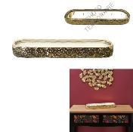 | BO5550 | BOUGIE PARFUMEE CERAMIQUE OR DU TEMPS 6 MECHES M4 | 1 | 4 | 3664944332541 | HOME DECO FACTORY | NUIT SLAVE | DECO | BOUGIE ET SENTEUR | BOUGIE | 39.00x9.80x4.30 | https://asset.product-live.com/b958f7d07a59630af5cd86cd7c3770b30c95e253.jpg
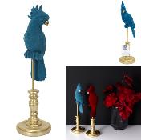 | HD1921 | PERROQUET DECORATIF BLEU M6 | 1 | 6 | 3664944331124 | HOME DECO FACTORY | NUIT SLAVE | DECO | OBJET DECO | AUTRE OBJET DECO | 10.00x10.00x37.00 | https://asset.product-live.com/f338035b4d32ac9a9bf4f0b232dc6ec430cdf511.jpg
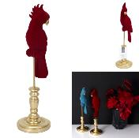 | HD1922 | PERROQUET DECORATIF ROUGE M6 | 1 | 6 | 3664944331131 | HOME DECO FACTORY | NUIT SLAVE | DECO | OBJET DECO | AUTRE OBJET DECO | 10.00x10.00x37.00 | https://asset.product-live.com/b459bdd6f80609d3fa16cdb769b7926e62c45138.jpg
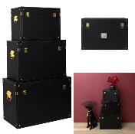 | HD1928 | MALLES DECO NOIR ET OR M1 | 1 | 1 | 3664944338413 | HOME DECO FACTORY | NUIT SLAVE | DECO | RANGEMENT DECO | COFFRE ET MALLE | 40.00x29.00x25.00 | https://asset.product-live.com/fe46ca4babedb20aab7a9509b9b80a378aa05a31.jpg
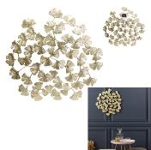 | HD2227 | DECORATION MURALE FLEURS METAL DORE M8 | 1 | 8 | 3664944130499 | HOME DECO FACTORY | NUIT SLAVE | DECO | DECO MURALE | AUTRE DECO MURALE | 48.50x0.50x48.50 | https://asset.product-live.com/8faa49bba51a576c699fd470a2f41217b4001a88.jpg
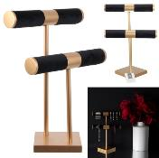 | HD2234 | PORTE BIJOUX DOUBLE VELOURS ET OR M6 | 1 | 6 | 3664944130567 | HOME DECO FACTORY | NUIT SLAVE | DECO | RANGEMENT DECO | BOITE ET PORTE-BIJOUX | 21.00x14.00x29.50 | https://asset.product-live.com/217e04665489f41bbd13d71ff6cae36928605f2d.jpg
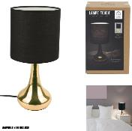 | HD3334 | LAMPE TOUCH CUIVRE NOIR M4 | 1 | 4 | 3561864333347 | HOME DECO FACTORY | NUIT SLAVE | DECO | LUMINAIRE | LAMPE | 15.00x15.00x32.50 | https://asset.product-live.com/60ff35823b5663d59a7340d7e44bebb64e6b9b9e.jpg
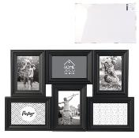 | HD4208 | PELE-MELE 6 VUES PLASTIQUE NOIR M12 | 1 | 12 | 3664944181996 | HOME DECO FACTORY | NUIT SLAVE | DECO | DECO MURALE | CADRE PHOTO ET PELE-MELE | 52.50x2.50x33.50 | https://asset.product-live.com/e5741bd64c60657192e3e9bf07bd6482dcab50a0.jpg
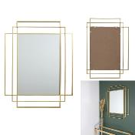 | HD4367 | MIROIR ART DECO DORE M2 | 1 | 2 | 3664944334002 | HOME DECO FACTORY | NUIT SLAVE | DECO | DECO MURALE | MIROIR | 97.00x70.00x3.00 | https://asset.product-live.com/5a54c92ee4537227b91ed95b5c98129ecf46da14.jpg
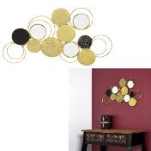 | HD4449 | DECORATION MURALE FILAIRE RONDE M8 | 1 | 8 | 3664944333944 | HOME DECO FACTORY | NUIT SLAVE | DECO | DECO MURALE | AUTRE DECO MURALE | 74.00x40.00x1.50 | https://asset.product-live.com/e076f4eec68f39a8150409fbcc0c73a5ef51dbc7.jpg
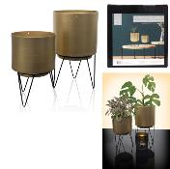 | HD4959 | POT DE FLEUR PIED FILAIRE X2 M6 | 1 | 6 | 3664944213789 | HOME DECO FACTORY | NUIT SLAVE | DECO | OBJET DECO | VASE | 12.90x12.90x22.30 | https://asset.product-live.com/e5d81de061807157c6ed1a2974ee7312d44265a3.jpg
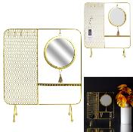 | HD5074 | PORTE BIJOUX MIROIR FILAIRE METAL 35.5X30X10CM M8 | 1 | 8 | 3664944057536 | HOME DECO FACTORY | NUIT SLAVE | DECO | RANGEMENT DECO | BOITE ET PORTE-BIJOUX | 30.00x10.00x35.50 | https://asset.product-live.com/cc9af9afc6ce7296184dcb8733f83d8d51f43e4d.jpg
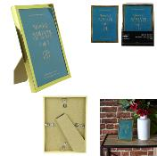 | HD5081 | CADRE PHOTO DORE 13X18CM M24 | 1 | 24 | 3664944057604 | HOME DECO FACTORY | NUIT SLAVE | DECO | DECO MURALE | CADRE PHOTO ET PELE-MELE | 13.80x1.50x18.80 | https://asset.product-live.com/f71709d7dbad852ec366da26a512b9387fe98906.jpg
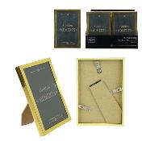 | HD5082 | CADRE PHOTO DORE 10X15CM M24 | 1 | 24 | 3664944062028 | HOME DECO FACTORY | NUIT SLAVE | DECO | DECO MURALE | CADRE PHOTO ET PELE-MELE | 107.00x1.50x16.00 | https://asset.product-live.com/1e7343ee5691bdade1f1f0d45a609fcf670b4cfc.jpg
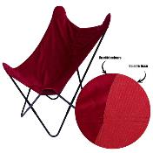 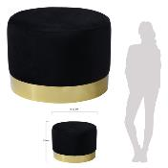 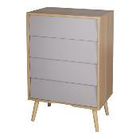 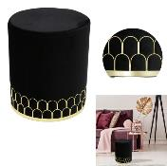 | HD6392 | POUF VELOURS LISERET METAL NOIR M1 | 1 | 1 | 3664944135050 | HOME DECO FACTORY | NUIT SLAVE | MOBILIER | ASSISE | POUF ET COUSSIN DE SOL | 35.00x35.00x43.00 | https://asset.product-live.com/46ca7732618fb9e271639cf021eefa3031de2ae7.jpg
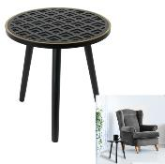 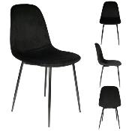 | HD6704 | CHAISE VELOURS COTELE GIULIA NOIR M2 | 1 | 2 | 3664944215554 | HOME DECO FACTORY | NUIT SLAVE | MOBILIER | ASSISE | CHAISE FAUTEUIL DE TABLE | 42.50x44.00x87.00 | https://asset.product-live.com/e9a04040d9304284110a6f0d01351975873341fa.jpg
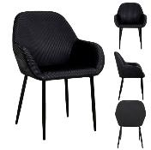 | HD6830 | FAUTEUIL GIULIA NOIR VELOURS COTELE M2 | 1 | 2 | 3664944281610 | HOME DECO FACTORY | NUIT SLAVE | MOBILIER | ASSISE | CHAISE FAUTEUIL DE TABLE | 59.00x44.50x84.00 | https://asset.product-live.com/775d815b390c621d05948cdd516b75ff9fe81c8a.jpg
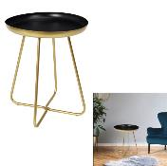 | HD7303 | TABLE D APPOINT PLATEAU ROND NOIR ET DORE M1 | 1 | 1 | 3664944304388 | HOME DECO FACTORY | NUIT SLAVE | MOBILIER | TABLE ET BUREAU | TABLE D'APPOINT - GIGOGNE | 40.00x40.00x48.50 | https://asset.product-live.com/2981251d91ff9c9e15b47521a56e18d05d7f6fb2.jpg
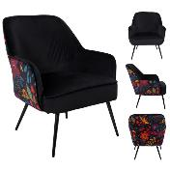 | HD7372 | FAUTEUIL OLGA M1 | 1 | 1 | 3664944325345 | HOME DECO FACTORY | NUIT SLAVE | MOBILIER | ASSISE | CANAPE ET FAUTEUIL | 67.00x74.00x78.00 | https://asset.product-live.com/c75023ead748f3d25e2efbbcc78f33eb71ab925a.jpg
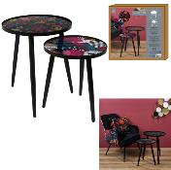 | HD7373 | TABLE GIGOGNE OLGA X2 M1 | 1 | 1 | 3664944325352 | HOME DECO FACTORY | NUIT SLAVE | MOBILIER | TABLE ET BUREAU | TABLE D'APPOINT - GIGOGNE | 39.50x39.50x50.00 | https://asset.product-live.com/f42ba431d9320b1148c6ad8406939026c9506f37.jpg
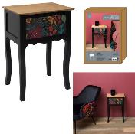 | HD7374 | CHEVET OLGA M1 | 1 | 1 | 3664944325369 | HOME DECO FACTORY | NUIT SLAVE | MOBILIER | MEUBLE | TABLE DE CHEVET | 40.00x30.00x57.00 | https://asset.product-live.com/3512bced16f34b36d736853038d206d35117c114.jpg
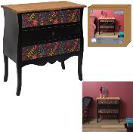 | HD7376 | COMMODE 3 TIROIRS OLGA M1 | 1 | 1 | 3664944325383 | HOME DECO FACTORY | NUIT SLAVE | MOBILIER | MEUBLE | COMMODE ET CHIFFONNIER | 75.00x38.00x76.00 | https://asset.product-live.com/0ebe5a883278c55b382db07db370caa3189ebd77.jpg
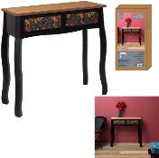 | HD7377 | CONSOLE 2 TIROIRS OLGA M1 | 1 | 1 | 3664944325390 | HOME DECO FACTORY | NUIT SLAVE | MOBILIER | TABLE ET BUREAU | CONSOLE ET SELLETTE | 80.00x30.00x75.00 | https://asset.product-live.com/bebe7d05ea08e2e4a506efdf349d1d7934cb058d.jpg
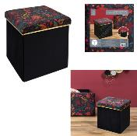 | HD7378 | COFFRE POUF PLIABLE OLGA M4 | 1 | 4 | 3664944325406 | HOME DECO FACTORY | NUIT SLAVE | MOBILIER | ASSISE | COFFRE ET BANC PLIABLE | 38.00x38.00x38.00 | https://asset.product-live.com/9a61f2c0d5121ff496f446d43ef182c2828f9147.jpg
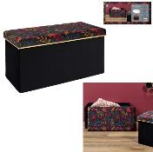 | HD7379 | COFFRE BANC PLIABLE OLGA M2 | 1 | 2 | 3664944325413 | HOME DECO FACTORY | NUIT SLAVE | MOBILIER | ASSISE | COFFRE ET BANC PLIABLE | 76.00x38.00x38.00 | https://asset.product-live.com/eb7f990f3dac8a0aa4fc897ed6cf5ccb226e6c7a.jpg
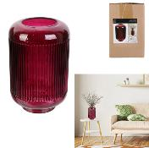 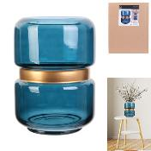 | HD9029 | VASE CERCLAGE DORE BLEU 20.5CM M6 | 1 | 6 | 3664944138983 | HOME DECO FACTORY | NUIT SLAVE | DECO | OBJET DECO | VASE | 15.50x15.50x20.50 | https://asset.product-live.com/f87e1d39060cbdff92a2ea11b7bcef29151526bb.jpg
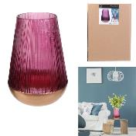 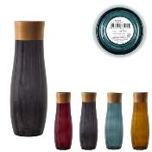 | HD9048 | VASE COLORE BORDURE DOREE OLGA M8 | 4 | 8 | 3664944331155 | HOME DECO FACTORY | NUIT SLAVE | DECO | OBJET DECO | VASE | 9.00x9.00x26.00 | https://asset.product-live.com/e45d32adf2655be530bd99fb1bd3518d3e3e4611.jpg
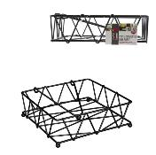 | KA2476 | PORTE SERVIETTES FILAIRE AVEC RABAT NOIR M12 | 1 | 12 | 3664944001393 | HOME DECO FACTORY | NUIT SLAVE | ART DE LA TABLE | SERVICE DE TABLE | PLATEAU ET CORBEILLE | 18.50x18.50x5.50 | https://asset.product-live.com/e3c8ab8be3545d162c143f3327869bddcd86ac05.jpg
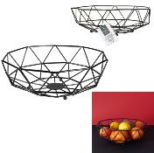 | KA2478 | CORBEILLE FILAIRE FORME GEOMETRIQUE NOIRE M12 | 1 | 12 | 3664944001416 | HOME DECO FACTORY | NUIT SLAVE | ART DE LA TABLE | SERVICE DE TABLE | PLATEAU ET CORBEILLE | 28.00x28.00x10.00 | https://asset.product-live.com/e4af2123799acb7edf4342dc177d18a446ae350a.jpg
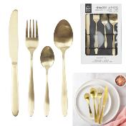 | KA2862 | MENAGERE DOREE X16 M8 | 1 | 8 | 3664944043676 | HOME DECO FACTORY | NUIT SLAVE | ART DE LA TABLE | VAISSELLE | MENAGERE | 4.50x21.70x2.70 | https://asset.product-live.com/324cffcde10ada700d5f936e0c6aa6da2dfafb9c.jpg
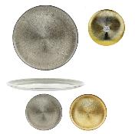  | KA3273 | PLATEAU FILAIRE NOIR ROND 30.5X8 CM M4 | 1 | 4 | 3664944079538 | HOME DECO FACTORY | NUIT SLAVE | ART DE LA TABLE | SERVICE DE TABLE | PLATEAU ET CORBEILLE | 31.00x30.00x11.00 | https://asset.product-live.com/acfcfefae58d3022cee49b5881f22d0bf544a7c1.jpg
 | KA3773 | MENAGERE 16 PIECES GOLD MANCHE NOIR M8 | 1 | 8 | 3664944125839 | HOME DECO FACTORY | NUIT SLAVE | ART DE LA TABLE | VAISSELLE | MENAGERE | 21.00x4.50x2.00 | https://asset.product-live.com/cf7c9d9b8ae46b1bb609a7a70804d2e24bb40e17.jpg
 | KA4548 | BOITE A THE EN VRAC COUVERCLE BAMBOU M12 | 4 | 12 | 3664944209942 | HOME DECO FACTORY | NUIT SLAVE | CUISINE | CONSERVATION | BOITE METAL | 10.00x10.00x10.00 | https://asset.product-live.com/2d74479ded9ef9f33ed5a0a2f288224221e171b8.jpg
   | KA4585 | CAFETIERE A PISTON METAL DOREE 60CL M12 | 1 | 12 | 3664944211488 | COOK CONCEPT | NUIT SLAVE | ART DE LA TABLE | BOISSON ET APERO | THE - CAFE ET SUCRE | 15.00x9.00x19.40 | https://asset.product-live.com/33818df01be64f734c56621dcf693f652052ce6c.jpg
 | KA4844 | PLATEAU DE PRESENTATION MIROIR 34CM M8 | 1 | 8 | 3664944308614 | HOME DECO FACTORY | NUIT SLAVE | ART DE LA TABLE | SERVICE DE TABLE | PLATEAU ET CORBEILLE | 34.00x32.00x8.80 | https://asset.product-live.com/fa83cb57af92902fe5be957c074032383160b9cd.jpg
 | KA5410 | ASSIETTE CERAMIQUE MOSCOU 26CM M12 | 1 | 12 | 3664944338925 | HOME DECO FACTORY | NUIT SLAVE | ART DE LA TABLE | VAISSELLE | ASSIETTE | 26.50x26.50x3.00 | https://asset.product-live.com/7c68ccf80fbca97da172374ebf04ce8efd039dd9.jpg
 | KA5411 | ASSIETTE CERAMIQUE MOSCOU 20CM M12 | 1 | 12 | 3664944338932 | HOME DECO FACTORY | NUIT SLAVE | ART DE LA TABLE | VAISSELLE | ASSIETTE | 20.00x20.00x2.00 | https://asset.product-live.com/95fe21f11de43c032140f2f367e0d98c4c9875b5.jpg
 | KA5413 | ASSIETTE CREUSE MOSCOU 18CM M12 | 1 | 12 | 3664944338789 | HOME DECO FACTORY | NUIT SLAVE | ART DE LA TABLE | VAISSELLE | ASSIETTE | 17.80x17.80x5.00 | https://asset.product-live.com/f3ba4a8daf944705354076b2a7acd244927e31a8.jpg
 | KA5414 | MUG CERAMIQUE MOSCOU 35CL M12 | 1 | 12 | 3664944338796 | HOME DECO FACTORY | NUIT SLAVE | ART DE LA TABLE | VAISSELLE | BOL - MUG ET TASSE | 9.50x9.50x10.20 | https://asset.product-live.com/8fd2512d7940c92116d5f594c860d056e52fe361.jpg
 | KA5432 | SALADIER CERAMIQUE MOSCOU D25CM M6 | 1 | 6 | 3664944349761 | HOME DECO FACTORY | NUIT SLAVE | ART DE LA TABLE | SERVICE DE TABLE | SALADIER ET COUPELLE | 25.50x25.50x7.50 | https://asset.product-live.com/0e99b150f85cf7f2337d2cb4645a56b3f9a4d006.jpg
  | RG6250 | PANIER METAL AJOURE DORE RAYURE X2 M6 | 1 | 6 | 3664944124955 | HOME DECO FACTORY | NUIT SLAVE | DECO | RANGEMENT DECO | PANIER ET CORBEILLE | 25.00x17.00x12.00 | https://asset.product-live.com/ceeb6cc6f97be502cb30f9cd06135f2a5485a7b7.jpg
 | RG6253 | PORTE-REVUES NOIR ET METAL DORE M6 | 1 | 6 | 3664944129486 | HOME DECO FACTORY | NUIT SLAVE | DECO | RANGEMENT DECO | PORTE-REVUES | 41.00x14.00x40.00 | https://asset.product-live.com/d843d68424093e55caf3ae513959fba505173e34.jpg
 | TI3091 | TIRELIRE MATRIOCHKA M12 | 4 | 12 | 3664944331148 | HOME DECO FACTORY | NUIT SLAVE | DRUGSTORE GIFT | IDEE CADEAU | TIRELIRE BOCAL A MESSAGE | 11.00x10.00x20.00 | https://asset.product-live.com/7aa516bb8da3d18c1d59be3789036aa046631e73.jpg
   | TX9153 | TAPIS IMITATION FOURRURE FIN ECRU 110X60CM M8 | 1 | 8 | 3664944335061 | HOME DECO FACTORY | NUIT SLAVE | DECO | TEXTILE D'INTERIEUR | TAPIS | 110.00x60.00x1.00 | https://asset.product-live.com/52e5dbe0bbcef35ebbaaab08aa0ed55fe0b2c381.jpg
 | TX9154 | TAPIS IMITATION FOURRURE FIN ECRU 120X170CM M4 | 1 | 4 | 3664944335078 | HOME DECO FACTORY | NUIT SLAVE | DECO | TEXTILE D'INTERIEUR | TAPIS | 170.00x120.00x1.00 | https://asset.product-live.com/87f98fa1e52c246a6b691a636d2825f956fd21db.jpg
 | TX9176 | PLAID IMIT FOURRURE OPULENCE NOIR 120X150CM M6 | 1 | 6 | 3664944342717 | HOME DECO FACTORY | NUIT SLAVE | DECO | TEXTILE D'INTERIEUR | PLAID ET JETE DE LIT | 120.00x150.00x2.00 | https://asset.product-live.com/a6455cf17fe1293487afca3bde888784a6e9dfa2.jpg
 | TX9177 | COUSSIN IMIT FOURRURE OPULENCE ECRU 40X40CM M6 | 1 | 6 | 3664944342724 | HOME DECO FACTORY | NUIT SLAVE | DECO | TEXTILE D'INTERIEUR | COUSSIN | 40.00x40.00x6.00 | https://asset.product-live.com/cd4eae180b35adacdfad75b6227b99169640d4ca.jpg
 | TX9178 | COUSSIN IMIT FOURRURE OPULENCE NOIR 40X40CM M6 | 1 | 6 | 3664944342731 | HOME DECO FACTORY | NUIT SLAVE | DECO | TEXTILE D'INTERIEUR | COUSSIN | 40.00x40.00x6.00 | https://asset.product-live.com/6abb8fcfc4aeb0891105dec4d77cf4b8abbc65c5.jpg
 | TX9180 | COUSSIN DE SOL VELOURS NOIR 40X40CM M6 | 1 | 6 | 3664944345640 | HOME DECO FACTORY | NUIT SLAVE | DECO | TEXTILE D'INTERIEUR | COUSSIN | 40.00x40.00x10.00 | https://asset.product-live.com/2d98fb33e0e68888b4f1b92d8ea8b76db0692e1c.jpg
 | TX9181 | COUSSIN DE SOL VELOURS BLEU CANARD 40X40CM M6 | 1 | 6 | 3664944345657 | HOME DECO FACTORY | NUIT SLAVE | DECO | TEXTILE D'INTERIEUR | COUSSIN | 40.00x40.00x10.00 | https://asset.product-live.com/d9df4cf5365ec33b4a5d24fe96be37373a6d6d39.jpg
 | TX9182 | COUSSIN DE SOL VELOURS BORDEAUX 40X40CM M6 | 1 | 6 | 3664944345664 | HOME DECO FACTORY | NUIT SLAVE | DECO | TEXTILE D'INTERIEUR | COUSSIN | 40.00x40.00x10.00 | https://asset.product-live.com/30e54d1515fe2fd08c1b0bccb74c2721b6b85976.jpg

