Feuil1
 | COLLECTION NUDE

 | 2021-09-17 14:28:05
 | ENTREPRISE
 | NOM | MAIL

PRODUIT |  |  |  |  | PRODUCT FEATURES
PHOTO | REFERENCE | DESCRIPTION | ASSORTIMENT | NB PCS / COLIS | EAN | MARQUE | GAMME | UNIVERS | FAMILLE | SOUS FAMILLE | DIMENSION PRODUIT CM | DIMENSION COLIS CM | LIEN PHOTO HD
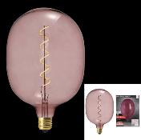 | AM0043 | AMPOULE OVALE D180*270MM E27 ROSE 6W M4 | 1 | 4 | 3664944128083 | HOME DECO FACTORY | NUDE PALETTE | DECO | LUMINAIRE | AMPOULE | 18.00x18.00x27.00 | 50.80x45.10x35.90 | https://asset.product-live.com/7cc278597303b354d8dfcf755389722d847a399c.jpg
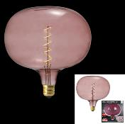 | AM0045 | AMPOULE BULLE D220*225MM E27 ROSE 6W M4 | 1 | 4 | 3664944128106 | HOME DECO FACTORY | NUDE PALETTE | DECO | LUMINAIRE | AMPOULE | 22.00x22.00x22.50 | 59.90x54.70x30.20 | https://asset.product-live.com/476fd6cebe1e24e572be3e53a7440c2b4253bcfb.jpg
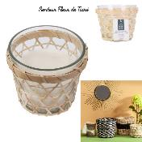 | BO5380 | BOUGIE PARFUMEE TIARE PANIER EN BOIS H10CM M12 | 1 | 12 | 3664944179160 | HOME DECO FACTORY | NUDE PALETTE | DECO | BOUGIE ET SENTEUR | BOUGIE | 12.20x12.20x10.00 | 38.00x27.00x23.00 | https://asset.product-live.com/7c9a01e6896466c88fdf197fedcb4cc656e417ab.jpg
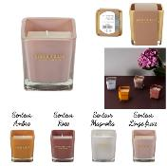 | BO5488 | BOUGIE PARFUMEE CARREE H7.3CM M24 | 4 | 24 | 3664944305224 | HOME DECO FACTORY | NUDE PALETTE | DECO | BOUGIE ET SENTEUR | BOUGIE | 7.30x7.30x7.70 | 31.50x25.00x19.50 | https://asset.product-live.com/a376b87b19ce92399c397f29e6694b52019c3468.jpg
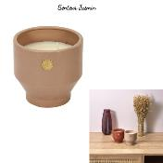 | BO5523 | BOUGIE PARFUMEE CIMENT NUDE MEDAILLON M8 | 1 | 8 | 3664944332275 | HOME DECO FACTORY | NUDE PALETTE | DECO | BOUGIE ET SENTEUR | BOUGIE | 12.00x12.00x11.20 | 53.00x27.00x14.00 | https://asset.product-live.com/3eabab67dbd9231dd1f0bbec5a4d36a962b265e2.jpg
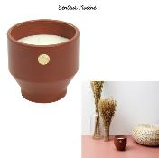 | BO5524 | BOUGIE PARFUMEE CIMENT OCRE MEDAILLON M8 | 1 | 8 | 3664944332282 | HOME DECO FACTORY | NUDE PALETTE | DECO | BOUGIE ET SENTEUR | BOUGIE | 12.00x12.00x11.20 | 53.00x27.00x14.00 | https://asset.product-live.com/eeb181d97578803f1d31c393762c4b74db7b87b4.jpg
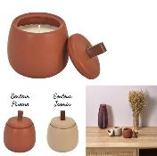 | BO5532 | BOUGIE PARFUMEE POT TOP CERAMIQUE H9.8CM M12 | 2 | 12 | 3664944332367 | HOME DECO FACTORY | NUDE PALETTE | DECO | BOUGIE ET SENTEUR | BOUGIE | 9.00x9.00x9.80 | 41.00x31.00x13.00 | https://asset.product-live.com/f44a92884359e4d3f3ebc690d1c16165be774ec5.jpg
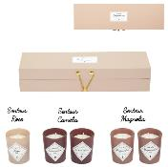 | BO5533 | BOUGIE PARFUMEE X5 COFFRET NUDE M12 | 1 | 12 | 3664944332374 | HOME DECO FACTORY | NUDE PALETTE | DECO | BOUGIE ET SENTEUR | BOUGIE | 4.50x4.50x5.00 | 29.50x24.50x30.00 | https://asset.product-live.com/c802da5fdb6f0e8b8dfc6ab550c088ab88359ab7.jpg
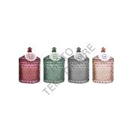 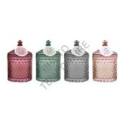 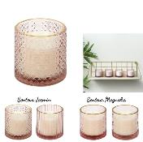 | BO5553 | BOUGIE PARFUMEE VERRE CISELE ROSE H7CM M24 | 4 | 24 | 3664944332572 | HOME DECO FACTORY | NUDE PALETTE | DECO | BOUGIE ET SENTEUR | BOUGIE | 7.00x7.00x6.80 | 50.00x33.00x10.00 | https://asset.product-live.com/9973ec3004b38437fa7baea1abcd9c51a471f7b0.jpg
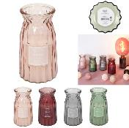 | BO5556 | BOUGIE PARFUMEE VASE CISELE H15CM M12 | 4 | 12 | 3664944332602 | HOME DECO FACTORY | NUDE PALETTE | DECO | BOUGIE ET SENTEUR | BOUGIE | 8.50x8.50x15.00 | 36.00x28.50x17.00 | https://asset.product-live.com/71b1f1a6e2c966a3b6d5df84ef52e63218f1d6be.jpg
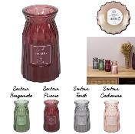 | BO5557 | BOUGIE PARFUMEE VASE CISELE H18CM M8 | 4 | 8 | 3664944332619 | HOME DECO FACTORY | NUDE PALETTE | DECO | BOUGIE ET SENTEUR | BOUGIE | 10.00x10.00x18.00 | 49.50x26.50x24.50 | https://asset.product-live.com/54613ad956d933f63197029ae105bdb6f0fb4361.jpg
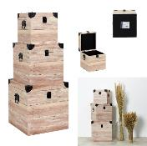 | HD1927 | MALLES DECO CARRE IMPRESSION BOIS M1 | 1 | 1 | 3664944338390 | HOME DECO FACTORY | NUDE PALETTE | DECO | RANGEMENT DECO | COFFRE ET MALLE | 20.00x30.00x0.00 | 36.00x36.00x37.00 | https://asset.product-live.com/24daadae8b54608ab79f869a5bc28d774403c791.jpg
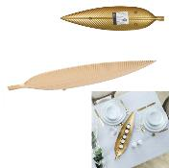 | HD2230 | VIDE POCHE METAL FEUILLE DORE M12 | 1 | 12 | 3664944130529 | HOME DECO FACTORY | NUDE PALETTE | DECO | RANGEMENT DECO | VIDE-POCHE ET COUPELLE | 55.00x13.00x2.50 | 58.00x14.50x19.00 | https://asset.product-live.com/2aa5b5407dbe3211d2b6a590e93928ec8ac9e868.jpg
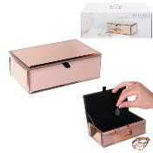 | HD2233 | BOITE A BIJOUX MIROIR CUIVRE M8 | 1 | 8 | 3664944130500 | HOME DECO FACTORY | NUDE PALETTE | DECO | RANGEMENT DECO | BOITE ET PORTE-BIJOUX | 16.00x9.50x5.50 | 35.00x27.50x13.00 | https://asset.product-live.com/cdf146bf2275e6f69f95d24c897754231ac0b357.jpg
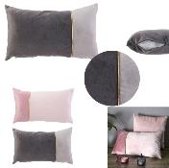 | HD2235 | COUSSIN BICOLORE LISERET DORE 30X50CM M12 | 2 | 12 | 3664944130574 | HOME DECO FACTORY | NUDE PALETTE | DECO | TEXTILE D'INTERIEUR | COUSSIN | 50.00x4.00x30.00 | 39.00x30.50x50.00 | https://asset.product-live.com/9dbaf3d5c919fdbd0ab39f8e7b06cb800ac4cb89.jpg
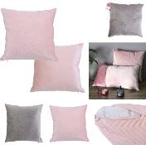 | HD2237 | COUSSIN A MOTIF BLUSH 40X40CM M12 | 2 | 12 | 3664944130598 | HOME DECO FACTORY | NUDE PALETTE | DECO | TEXTILE D'INTERIEUR | COUSSIN | 40.00x3.00x40.00 | 39.00x39.50x40.50 | https://asset.product-live.com/0945aa69b10ff324702cd3897154e5ecd4d907c1.jpg
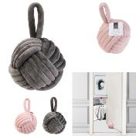 | HD2242 | STOP PORTE VELOURS PELOTE M12 | 2 | 12 | 3664944130642 | HOME DECO FACTORY | NUDE PALETTE | DECO | TEXTILE D'INTERIEUR | BOUDIN DE PORTE | 14.00x14.00x22.00 | 43.00x29.50x29.00 | https://asset.product-live.com/4259a3e10c5806347a5f098d960635ba509be3fe.jpg
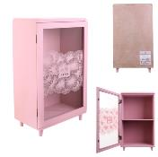 | HD2243 | RANGEMENT DECO AVEC ETAGERE ROSE 24X40X14.5CM M4 | 1 | 4 | 3664944138259 | HOME DECO FACTORY | NUDE PALETTE | DECO | RANGEMENT DECO | BOITE DE RANGEMENT | 24.00x14.50x41.50 | 43.50x32.20x52.50 | https://asset.product-live.com/648270c44aa07573ec119240e1d4b6c34932f279.jpg
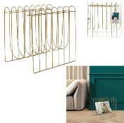 | HD2285 | RANGE MAGAZINES FILAIRE DORE M4 | 1 | 4 | 3664944334132 | HOME DECO FACTORY | NUDE PALETTE | DECO | RANGEMENT DECO | PORTE-REVUES | 32.00x26.00x33.00 | 60.50x34.50x35.50 | https://asset.product-live.com/f2b2ad54b00171f6cd2cac6a0ff0c7841c604778.jpg
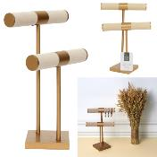 | HD2287 | PORTE BIJOUX DOUBLE BEIGE PIED DORE M6 | 1 | 6 | 3664944334156 | HOME DECO FACTORY | NUDE PALETTE | DECO | RANGEMENT DECO | BOITE ET PORTE-BIJOUX | 21.00x14.00x29.50 | 44.50x38.50x34.00 | https://asset.product-live.com/5c4944b03c4acc33e8bb7aa1af41b94f3f0e63b0.jpg
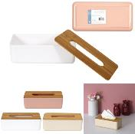 | HD2288 | BOITE A MOUCHOIR BAMBOU ET PLASTIQUE M12 | 2 | 12 | 3664944334163 | HOME DECO FACTORY | NUDE PALETTE | DECO | RANGEMENT DECO | BOITE DE RANGEMENT | 26.10x13.10x8.60 | 53.50x28.50x28.50 | https://asset.product-live.com/aed31cc0c2ebad28ff1a33d1e5be6b9274b5ef30.jpg
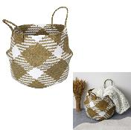 | HD2289 | PANIER DE RANGEMENT BLANC ET NATUREL M6 | 1 | 6 | 3664944334170 | HOME DECO FACTORY | NUDE PALETTE | DECO | RANGEMENT DECO | PANIER ET CORBEILLE | 38.00x38.00x52.00 | 43.50x46.00x36.50 | https://asset.product-live.com/8ce8a4ac60bf644e755bfd3283bfba756b741622.jpg
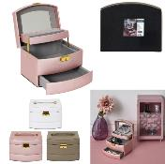 | HD2315 | BOITE A BIJOUX MIROIR 3 NIVEAUX M6 | 3 | 6 | 3664944334064 | HOME DECO FACTORY | NUDE PALETTE | DECO | RANGEMENT DECO | BOITE ET PORTE-BIJOUX | 18.00x14.50x11.50 | 43.50x35.00x22.00 | https://asset.product-live.com/2aa04d3a10a251e9cebbd023d4dd227aa116de2e.jpg
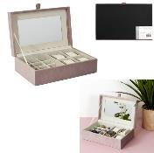 | HD2317 | BOITE A BIJOUX ET MONTRES EN VELOURS M8 | 1 | 8 | 3664944334088 | HOME DECO FACTORY | NUDE PALETTE | DECO | RANGEMENT DECO | BOITE ET PORTE-BIJOUX | 25.00x16.00x8.00 | 36.00x35.50x29.50 | https://asset.product-live.com/29c40f08e0a5577be3dd09d22c55e7b1722e7329.jpg
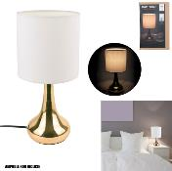 | HD3333 | LAMPE TOUCH CUIVRE BLANC M4 | 1 | 4 | 3561864333330 | HOME DECO FACTORY | NUDE PALETTE | DECO | LUMINAIRE | LAMPE | 15.00x15.00x32.50 | 33.00x33.40x27.80 | https://asset.product-live.com/468c36f3324ecc029c906b042cd3a5e44f9c080e.jpg
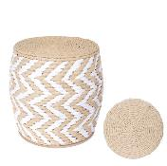 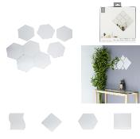 | HD4372 | DECORATION MURALE MIROIR A COLLER X12 M24 | 4 | 24 | 3664944333975 | HOME DECO FACTORY | NUDE PALETTE | DECO | DECO MURALE | MIROIR | 15.00x0.00x15.00 | 45.00x23.50x27.00 | https://asset.product-live.com/093e74bd8191edf8672625369eb0f2ca0ef07018.jpg
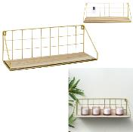 | HD4444 | ETAGERE RECTANGLE DOREE M6 | 1 | 6 | 3664944333951 | HOME DECO FACTORY | NUDE PALETTE | MOBILIER | MEUBLE | ETAGERE | 44.50x15.50x15.50 | 49.50x48.00x18.00 | https://asset.product-live.com/d3e3d88d90b71ad9f032f3cc2193f49a7814cfc6.jpg
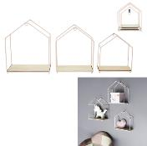 | HD4450 | ETAGERE MAISON FILAIRE ROSE X3 M4 | 1 | 4 | 3664944334644 | HOME DECO FACTORY | NUDE PALETTE | MOBILIER | MEUBLE | ETAGERE | 23.00x13.00x28.00 | 48.00x30.00x31.00 | https://asset.product-live.com/cad448ac7cc4e9b37569de9eb91438174b271ea9.jpg
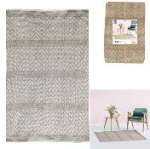 | HD5009 | TAPIS BEIGE 120X170CM M3 | 1 | 3 | 3561864350092 | HOME DECO FACTORY | NUDE PALETTE | DECO | TEXTILE D'INTERIEUR | TAPIS | 170.00x120.00x0.50 | 46.00x33.00x25.00 | https://asset.product-live.com/dd71991196f5a3b219546da0f664eedce2816696.jpg
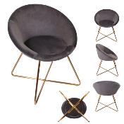 | HD6276 | FAUTEUIL KARL GRIS M1 | 1 | 1 | 3664944097471 | HOME DECO FACTORY | NUDE PALETTE | MOBILIER | ASSISE | CANAPE ET FAUTEUIL | 64.00x62.50x74.00 | 76.50x60.00x43.00 | https://asset.product-live.com/4d365a7f84b9b66f490b8d3d11339f33839c32d6.jpg
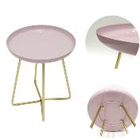 | HD6409 | TABLE D APPOINT PLATEAU ROND GLOSSY ROSE M1 | 1 | 1 | 3664944135227 | HOME DECO FACTORY | NUDE PALETTE | MOBILIER | TABLE ET BUREAU | TABLE D'APPOINT - GIGOGNE | 40.00x40.00x48.50 | 40.50x15.50x47.50 | https://asset.product-live.com/97977060007b33c30c9f3fdf9bd907425247f27c.jpg
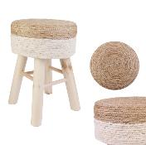 | HD6568 | TABOURET BEIGE M2 | 1 | 2 | 3664944178682 | HOME DECO FACTORY | NUDE PALETTE | MOBILIER | ASSISE | BANC ET TABOURET | 30.00x30.00x43.00 | 34.50x36.00x59.00 | https://asset.product-live.com/75e5cb19a741989d2c69cf6d24a4f2db3485e17d.jpg
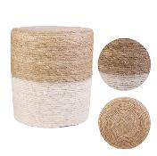 | HD6570 | POUF BEIGE M2 | 1 | 2 | 3664944178705 | HOME DECO FACTORY | NUDE PALETTE | MOBILIER | ASSISE | POUF ET COUSSIN DE SOL | 35.00x35.00x41.00 | 71.00x37.00x44.50 | https://asset.product-live.com/c7e0c441c274c435b8fe3435cfac6e6702871a1a.jpg
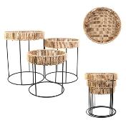 | HD6571 | TABLE GIGOGNE X3 M1 | 1 | 1 | 3664944178712 | HOME DECO FACTORY | NUDE PALETTE | MOBILIER | TABLE ET BUREAU | TABLE D'APPOINT - GIGOGNE | 112.00x40.00x52.00 | 43.00x43.00x54.00 | https://asset.product-live.com/1bae84b65eb35fc17c75fcc5a8d3aa82c6ada0a9.jpg
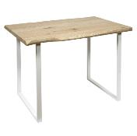 | HD7118 | TABLE DE REPAS FOREST BLANC M1 | 1 | 1 | 3664944302568 | HOME DECO FACTORY | NUDE PALETTE | MOBILIER | TABLE ET BUREAU | TABLE DE REPAS | 110.00x75.00x75.50 | 119.50x81.00x18.50 | https://asset.product-live.com/8ee2083ad454df148c66625a543a46937a5eeda3.jpg
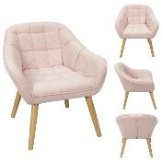 | HD7155 | FAUTEUIL MAGNUS ROSE M1 | 1 | 1 | 3664944302964 | HOME DECO FACTORY | NUDE PALETTE | MOBILIER | ASSISE | CANAPE ET FAUTEUIL | 74.00x70.00x75.00 | 74.00x68.60x48.00 | https://asset.product-live.com/269ade38cf0f254e8400423d2fc410f7b12e5d64.jpg
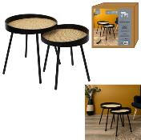 | HD7340 | TABLE GIGOGNE REED NOIR X2 M1 | 1 | 1 | 3664944324546 | HOME DECO FACTORY | NUDE PALETTE | MOBILIER | TABLE ET BUREAU | TABLE D'APPOINT - GIGOGNE | 45.00x45.00x46.00 | 46.00x46.00x12.00 | https://asset.product-live.com/f74a0c2080ac51483ec1e54a2d905bd184bfac4e.jpg
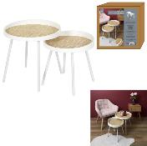 | HD7341 | TABLE GIGOGNE REED BLANC X2 M1 | 1 | 1 | 3664944324553 | HOME DECO FACTORY | NUDE PALETTE | MOBILIER | TABLE ET BUREAU | TABLE D'APPOINT - GIGOGNE | 45.00x45.00x46.00 | 46.00x46.00x12.00 | https://asset.product-live.com/cfa2e63097c5437eb34816e2abb14060e4f528d7.jpg
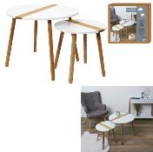 | HD7356 | TABLE GIGOGNE BICOLORE RELIEF BLANC X2 M1 | 1 | 1 | 3664944324706 | HOME DECO FACTORY | NUDE PALETTE | MOBILIER | TABLE ET BUREAU | TABLE D'APPOINT - GIGOGNE | 60.00x60.00x48.00 | 68.00x67.00x10.00 | https://asset.product-live.com/ce95b36d630c527396c6192ad6b6636c2a0d8a3e.jpg
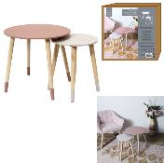 | HD7359 | TABLE GIGOGNE BICOLORE ROSE X2 M1 | 1 | 1 | 3664944324737 | HOME DECO FACTORY | NUDE PALETTE | MOBILIER | TABLE ET BUREAU | TABLE D'APPOINT - GIGOGNE | 43.00x43.00x48.00 | 50.00x50.00x8.00 | https://asset.product-live.com/b7f129fd84167bc4f4e5586aa703a4435095b4c9.jpg
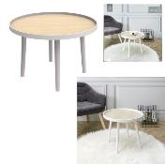 | HD7451 | TABLE PLATEAU MACHA BLANC M1 | 1 | 1 | 3664944335382 | HOME DECO FACTORY | NUDE PALETTE | MOBILIER | TABLE ET BUREAU | TABLE D'APPOINT - GIGOGNE | 50.00x50.00x40.00 | 58.50x11.50x59.00 | https://asset.product-live.com/79287af25cfb5cbb8eb645803760e283424bb264.jpg
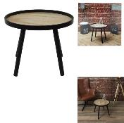 | HD7452 | TABLE PLATEAU MACHA NOIR M1 | 1 | 1 | 3664944335399 | HOME DECO FACTORY | NUDE PALETTE | MOBILIER | TABLE ET BUREAU | TABLE D'APPOINT - GIGOGNE | 50.00x50.00x40.00 | 58.50x11.50x59.00 | https://asset.product-live.com/f0ec830d513ea9fb7f305054230deceecf15134a.jpg
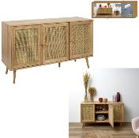 | HD7454 | BUFFET 3 PORTES BALI M1 | 1 | 1 | 3664944335412 | HOME DECO FACTORY | NUDE PALETTE | MOBILIER | MEUBLE | BUFFET ET BIBLIOTHEQUE | 115.00x39.00x70.00 | 118.00x40.00x11.00 | https://asset.product-live.com/d749f4327a6a542650f719e7287d00e5d516fa4d.jpg
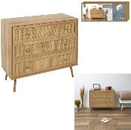 | HD7455 | COMMODE 3 TIROIRS BALI M1 | 1 | 1 | 3664944335429 | HOME DECO FACTORY | NUDE PALETTE | MOBILIER | MEUBLE | COMMODE ET CHIFFONNIER | 90.00x39.00x79.00 | 95.00x44.00x15.00 | https://asset.product-live.com/733a7c2ca4242074ed58e866abced217af85e361.jpg
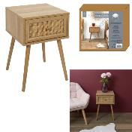 | HD7456 | CHEVET BALI 1 TIROIR M1 | 1 | 1 | 3664944335436 | HOME DECO FACTORY | NUDE PALETTE | MOBILIER | MEUBLE | TABLE DE CHEVET | 39.00x39.00x55.40 | 44.00x40.00x11.00 | https://asset.product-live.com/aaeb441c1a725c40953659c49909980101253169.jpg
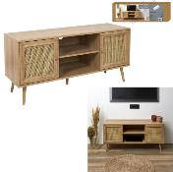 | HD7457 | MEUBLE TV BALI M1 | 1 | 1 | 3664944335443 | HOME DECO FACTORY | NUDE PALETTE | MOBILIER | MEUBLE | MEUBLE TV | 115.00x39.00x56.50 | 118.00x40.00x9.00 | https://asset.product-live.com/3e43fd9edf9a0033fa312182e7cb0e0f69282c12.jpg
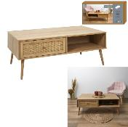 | HD7458 | TABLE BASSE BALI M1 | 1 | 1 | 3664944335450 | HOME DECO FACTORY | NUDE PALETTE | MOBILIER | TABLE ET BUREAU | TABLE BASSE | 110.00x59.00x41.40 | 115.00x60.00x8.00 | https://asset.product-live.com/2a280e562d4f7c5302ae6aeec0b910f882be69aa.jpg
   | HD9045 | JARRE BAMBOU NUDE 21CM M4 | 1 | 4 | 3664944334101 | HOME DECO FACTORY | NUDE PALETTE | DECO | OBJET DECO | VASE | 18.00x18.00x21.00 | 38.00x56.00x25.00 | https://asset.product-live.com/a7aad7da9ed29f11cda0c392077568d74f304a37.jpg
 | HD9046 | JARRE BAMBOU NUDE 50CM M4 | 1 | 4 | 3664944334118 | HOME DECO FACTORY | NUDE PALETTE | DECO | OBJET DECO | VASE | 20.00x20.00x50.00 | 42.00x42.00x52.00 | https://asset.product-live.com/8c8d6b7ef72717898b337cee6f0148b8cb98d728.jpg
 | HD9047 | JARRE BAMBOU NUDE 60CM M2 | 1 | 2 | 3664944334125 | HOME DECO FACTORY | NUDE PALETTE | DECO | OBJET DECO | VASE | 24.00x24.00x60.00 | 26.00x50.00x62.00 | https://asset.product-live.com/1b48ef853808b4a009fc463acbc4dde4d849364f.jpg
   | KA3947 | THEIERE PORCELAINE GINKO M12 | 1 | 12 | 3664944143383 | HOME DECO FACTORY | NUDE PALETTE | ART DE LA TABLE | BOISSON ET APERO | THE - CAFE ET SUCRE | 14.80x12.00x15.50 | 40.00x29.50x22.00 | https://asset.product-live.com/04cb56dafdafc94d5f6995bb772372dd024694e9.jpg
 | LA10053 | GUIRLANDE BOULE ROUGE ROSE 20 LEDS D6CM 3M72 M8 | 1 | 8 | 3664944061373 | HOME DECO FACTORY | NUDE PALETTE | DECO | LUMINAIRE | DECORATION LUMINEUSE | 5.00x5.00x345.00 | 49.50x25.50x33.50 | https://asset.product-live.com/3393b54f86b3fa68155b732213c58102c3ff06d1.jpg
 | LA10068 | GUIRLANDE BOULE ROSE TAUPE 10 LEDS D6CM 1M75 M12 | 1 | 12 | 3664944066965 | HOME DECO FACTORY | NUDE PALETTE | DECO | LUMINAIRE | DECORATION LUMINEUSE | 192.00x5.50x5.50 | 33.00x26.00x39.00 | https://asset.product-live.com/5d3a7f3c0dc49a10d5a6d64062e2710435fa5e0e.jpg
 | LA10408 | GUIRLANDE BOULE ROTIN NATURAL 8 LED D6 1M56 M12 | 1 | 12 | 3664944333845 | HOME DECO FACTORY | NUDE PALETTE | DECO | LUMINAIRE | DECORATION LUMINEUSE | 156.00x6.00x6.00 | 37.50x25.50x38.50 | https://asset.product-live.com/c508831f5940c9e6b289db4907fb58671df5e21e.jpg
 | LA10413 | SUSPENSION INTERIEUR NATURAL 20CM M6 | 1 | 6 | 3664944335689 | HOME DECO FACTORY | NUDE PALETTE | DECO | LUMINAIRE | SUSPENSION ET LUSTRE | 20.00x20.00x20.00 | 62.50x22.00x41.50 | https://asset.product-live.com/b1dc2f1ed42a07f9c1919347d3a1ccb681b77982.jpg
 | LA10415 | SUSPENSION INTERIEUR ROSE 20CM M6 | 1 | 6 | 3664944335702 | HOME DECO FACTORY | NUDE PALETTE | DECO | LUMINAIRE | SUSPENSION ET LUSTRE | 20.00x20.00x20.00 | 62.50x22.00x41.50 | https://asset.product-live.com/d7fa8dda249b75b7f32aee8599a46ed8a0943394.jpg
 | LA12015 | LAMPE A POSER CYLINDRE BOIS NATUREL CABLE GRIS ET BLANC | 1 | 4 | 3664944048411 | HOME DECO FACTORY | NUDE PALETTE | DECO | LUMINAIRE | LAMPE | 8.50x8.50x10.50 | 22.00x22.50x17.50 | https://asset.product-live.com/9970dd84b6908c31dfcb59e8a8c7cc86f20254d1.jpg
 | LA12027 | LAMPE A POSER COPPER CUIVRE | 1 | 4 | 3664944048534 | HOME DECO FACTORY | NUDE PALETTE | DECO | LUMINAIRE | LAMPE | 8.00x8.00x13.00 | 24.00x20.00x15.90 | https://asset.product-live.com/010e0b0b573eba737449f9499bd41f3d75b52037.jpg
 | LA12050 | LAMPE A POSER BOULE FILAIRE BLANC M4 | 1 | 4 | 3664944048732 | HOME DECO FACTORY | NUDE PALETTE | DECO | LUMINAIRE | LAMPE | 27.50x27.50x27.50 | 60.00x60.50x31.50 | https://asset.product-live.com/792fc826e6747c37659da9f57b87f1c7a21a84b8.jpg
 | LA12055 | LAMPE A POSER ANSE DORE M4 | 1 | 4 | 3664944048794 | HOME DECO FACTORY | NUDE PALETTE | DECO | LUMINAIRE | LAMPE | 12.00x12.00x28.00 | 26.70x27.00x32.50 | https://asset.product-live.com/c3930b5db290f3632090e940b7a675277b3b169b.jpg
 | LA12094 | LAMPE A POSER ANSE CUIVRE M4 | 1 | 4 | 3664944066149 | HOME DECO FACTORY | NUDE PALETTE | DECO | LUMINAIRE | LAMPE | 12.00x12.00x28.00 | 26.30x27.00x32.00 | https://asset.product-live.com/3cc69e482510b4463e596ffa0b07e0a8cf2c4835.jpg
 | TX8058 | PLAID POLAIRE UNI ROSE 125X150CM M12 | 1 | 12 | 3664944286264 | HOME DECO FACTORY | NUDE PALETTE | DECO | TEXTILE D'INTERIEUR | PLAID ET JETE DE LIT | 125.00x150.00x0.30 | 45.00x30.00x31.00 | https://asset.product-live.com/a7fa276bafdb4e9f7460aa752d1ff5231f3721d0.jpg
 | TX8059 | PLAID MICROFIBRE ROSE 125X150CM M6 | 1 | 6 | 3664944286271 | HOME DECO FACTORY | NUDE PALETTE | DECO | TEXTILE D'INTERIEUR | PLAID ET JETE DE LIT | 125.00x150.00x0.30 | 29.50x27.00x34.00 | https://asset.product-live.com/42b3356bac9e42fc47dfa238cb25e33fa16b5899.jpg
 | TX8071 | PLAID GROSSE MAILLE CHUNKY ROSE 120X150CM M2 | 1 | 2 | 3664944056621 | HOME DECO FACTORY | NUDE PALETTE | DECO | TEXTILE D'INTERIEUR | PLAID ET JETE DE LIT | 150.00x120.00x1.00 | 39.50x33.00x34.50 | https://asset.product-live.com/cce81925198df02830807956af28bc08a3cd2b16.jpg
 | TX8072 | PLAID GROSSE MAILLE CHUNKY ECRU 120X150CM M2 | 1 | 2 | 3664944056638 | HOME DECO FACTORY | NUDE PALETTE | DECO | TEXTILE D'INTERIEUR | PLAID ET JETE DE LIT | 150.00x120.00x1.00 | 39.50x33.00x34.50 | https://asset.product-live.com/bf5397905ef4db0d885c39f89584f4b1522e5248.jpg
 | TX8165 | PLAID JACQUARD ROSE 125X150CM M6 | 1 | 6 | 3664944308850 | HOME DECO FACTORY | NUDE PALETTE | DECO | TEXTILE D'INTERIEUR | PLAID ET JETE DE LIT | 150.00x125.00x0.30 | 44.00x35.00x20.00 | https://asset.product-live.com/e9f5a67545bfbb9ee5f4c8014963aef52a4cefa8.jpg
 | TX8166 | PLAID JACQUARD BEIGE 125X150CM M6 | 1 | 6 | 3664944308867 | HOME DECO FACTORY | NUDE PALETTE | DECO | TEXTILE D'INTERIEUR | PLAID ET JETE DE LIT | 150.00x125.00x0.30 | 45.00x33.00x24.00 | https://asset.product-live.com/657981809378fcf2e2af1145e658ec45a3d62a47.jpg
 | TX9009 | TAPIS ROND JUTE 120CM M4 | 1 | 4 | 3664944056560 | HOME DECO FACTORY | NUDE PALETTE | DECO | TEXTILE D'INTERIEUR | TAPIS | 120.00x120.00x1.00 | 122.00x30.50x22.90 | https://asset.product-live.com/75b51bbc3cef7859df7df33f50788d5f7f6e38bd.jpg
 | TX9044 | TAPIS IMITATION FOURRURE POIL FIN ROSE 60X90CM M8 | 1 | 8 | 3664944211853 | HOME DECO FACTORY | NUDE PALETTE | DECO | TEXTILE D'INTERIEUR | TAPIS | 60.00x90.00x3.00 | 60.00x40.00x17.00 | https://asset.product-live.com/5ebc3e9f39258170d2e962e3b2c19b962c378562.jpg
 | TX9133 | TAPIS NUDE GEOMETRIQUE 120X170CM M4 | 1 | 4 | 3664944334552 | HOME DECO FACTORY | NUDE PALETTE | DECO | TEXTILE D'INTERIEUR | TAPIS | 150.00x2.00x120.00 | 45.00x33.00x15.00 | https://asset.product-live.com/11b6d8864c07ddc3694ddb5825516bd5e2292fac.jpg
 | TX9134 | PLAID ETHNIQUE RELIEF LOSANGE ECRU 120X150CM M8 | 1 | 8 | 3664944334569 | HOME DECO FACTORY | NUDE PALETTE | DECO | TEXTILE D'INTERIEUR | PLAID ET JETE DE LIT | 150.00x1.00x120.00 | 45.00x33.00x35.00 | https://asset.product-live.com/1304f8c57463ffb973e4e914c6f0cb3154875d5f.jpg
 | TX9135 | COUSSIN ETHNIQUE RELIEF LOSANGE ECRU 40X40CM M6 | 1 | 6 | 3664944334576 | HOME DECO FACTORY | NUDE PALETTE | DECO | TEXTILE D'INTERIEUR | COUSSIN | 40.00x5.00x40.00 | 44.00x44.00x24.00 | https://asset.product-live.com/4519823c1587008512a32c8d11f53c603ba6a332.jpg
 | TX9145 | COUSSIN POILS LONGS ROSE 40X40CM M8 | 1 | 8 | 3664944334965 | HOME DECO FACTORY | NUDE PALETTE | DECO | TEXTILE D'INTERIEUR | COUSSIN | 40.00x5.00x40.00 | 41.00x41.00x40.00 | https://asset.product-live.com/d122addb127e4176b6e78542963d7dcb42ee0c8f.jpg
 | TX9149 | TAPIS IMITATION FOURRURE FIN ROSE 110X60CM M8 | 1 | 8 | 3664944335023 | HOME DECO FACTORY | NUDE PALETTE | DECO | TEXTILE D'INTERIEUR | TAPIS | 110.00x60.00x1.00 | 60.50x53.00x20.50 | https://asset.product-live.com/37efe3e2aedf46d71ea795bda1b38164414f2e11.jpg
 | TX9150 | TAPIS IMITATION FOURRURE FIN ROSE 120X170CM M4 | 1 | 4 | 3664944335030 | HOME DECO FACTORY | NUDE PALETTE | DECO | TEXTILE D'INTERIEUR | TAPIS | 170.00x120.00x1.00 | 119.00x31.50x26.50 | https://asset.product-live.com/3222705daad1c8668cd377c81cee9414f32fc6d4.jpg
 | TX9155 | TAPIS NUDE IMPRIME DORE 120X170CM M3 | 1 | 3 | 3664944335351 | HOME DECO FACTORY | NUDE PALETTE | DECO | TEXTILE D'INTERIEUR | TAPIS | 120.00x170.00x2.00 | 59.00x36.00x55.00 | https://asset.product-live.com/625bcc0c5ae5bd0c9eb52dc1a5672e372dafd605.jpg
 | TX9157 | COUVRE LIT FLANELLE SHERPA GRIS 220X240CM M1 | 1 | 1 | 3664944335467 | HOME DECO FACTORY | NUDE PALETTE | DECO | TEXTILE D'INTERIEUR | PLAID ET JETE DE LIT | 220.00x240.00x10.00 | 55.50x45.50x20.50 | https://asset.product-live.com/9ccc5897306f8907b77a80ef5c54fb768e6611fe.jpg
 | TX9161 | PLAID FLANELLE COTELE SHERPA ECRU 180X220CM M1 | 1 | 1 | 3664944335504 | HOME DECO FACTORY | NUDE PALETTE | DECO | TEXTILE D'INTERIEUR | PLAID ET JETE DE LIT | 180.00x220.00x6.00 | 41.00x36.00x16.00 | https://asset.product-live.com/b3ba8a04c40e789bc8984642cd0e573e14a81b28.jpg
 | TX9162 | COUSSIN FLANELLE COTELE ECRU 40X40CM M6 | 1 | 6 | 3664944335511 | HOME DECO FACTORY | NUDE PALETTE | DECO | TEXTILE D'INTERIEUR | COUSSIN | 40.00x40.00x10.00 | 42.00x42.00x20.00 | https://asset.product-live.com/08845ad3ddd2abfe4a57bd9dcb303c91f853825d.jpg
 | TX9163 | PLAID EMBOSSE BEIGE 140X200CM M6 | 1 | 6 | 3664944335528 | HOME DECO FACTORY | NUDE PALETTE | DECO | TEXTILE D'INTERIEUR | PLAID ET JETE DE LIT | 140.00x200.00x2.00 | 37.00x34.00x44.50 | https://asset.product-live.com/a0e8588798b37a1a53b9ad3ad4279329f7557bd1.jpg
 | TX9164 | PLAID EMBOSSE ROSE 140X200CM M6 | 1 | 6 | 3664944335535 | HOME DECO FACTORY | NUDE PALETTE | DECO | TEXTILE D'INTERIEUR | PLAID ET JETE DE LIT | 140.00x200.00x2.00 | 37.00x34.00x44.50 | https://asset.product-live.com/b2d752d99e0d683de59993505bfe390126d51656.jpg

