Feuil1
 | MISTER GADGET

 | 2021-09-17 16:59:18
 | ENTREPRISE
 | NOM | MAIL

PRODUIT |  |  |  |  | PRODUCT FEATURES
PHOTO | REFERENCE | DESCRIPTION | ASSORTIMENT | NB PCS / COLIS | EAN | MARQUE | UNIVERS | FAMILLE | SOUS FAMILLE | DIMENSION PRODUIT CM | LIEN PHOTO HD
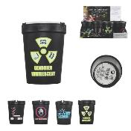 | DE57141 | CENDRIER ANTI-FUMEE LUMINESCENT M24 | 4 | 24 | 3561863757144 | MISTER GADGET | DRUGSTORE GIFT | TABAC | ACCESSOIRE TABAC | 8x8x11 | https://asset.product-live.com/b7142a5b9825a6482022bf63c05ce4289ae36a8b.jpg
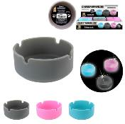 | DI86071 | CENDRIER PHOSPHORESCENT SILICONE M24 | 3 | 24 | 3561863486075 | MISTER GADGET | DRUGSTORE GIFT | TABAC | ACCESSOIRE TABAC | 8x8x3.5 | https://asset.product-live.com/2bfd9011b8cb378b804f78ce421d74d5cf09485d.jpg
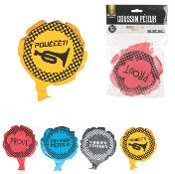 | EA9720 | COUSSIN PETEUR M48 | 4 | 48 | 3561863297206 | MISTER GADGET | DRUGSTORE GIFT | DIVERTISSEMENT | GADGET FUN | 14.5x19x4.3 | https://asset.product-live.com/e77e48122eefa763bb857aed544cdf180f3bcfb3.jpg
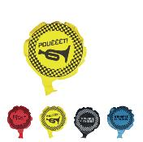 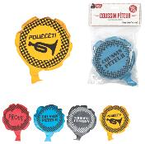 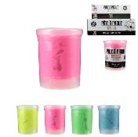 | EA9723 | PATE A PROUT M48 | 4 | 48 | 3561863297237 | MISTER GADGET | DRUGSTORE GIFT | DIVERTISSEMENT | GADGET FUN | 6x6x7.5 | https://asset.product-live.com/b6c0c5c33ccc48980b0b05bcb2413afac4812e45.jpg
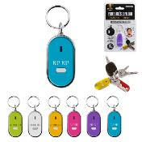 | HT1000 | PORTE-CLES SIFFLEUR M48 | 6 | 48 | 3561864810008 | MISTER GADGET | DRUGSTORE GIFT | IDEE CADEAU | PORTE-CLES | 3.1x0.9x8.5 | https://asset.product-live.com/4bad5b6c78cf0875f5001f64b9384e9e8dd876ca.jpg
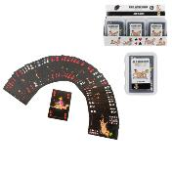 | JE5260 | JEU DE CARTES COQUIN CARTES X54 | 1 | 48 | 3561865352606 | MISTER GADGET | DRUGSTORE GIFT | DIVERTISSEMENT | GADGET FUN | 5.7x1.6x8.9 | https://asset.product-live.com/7b88930ea9fc9c5b7ec2edab8382127f3593fcf6.jpg
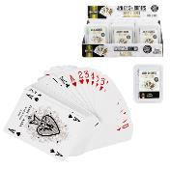 | JE5264 | JEU DE 54 CARTES M48 | 1 | 48 | 3561865352644 | MISTER GADGET | DRUGSTORE GIFT | DIVERTISSEMENT | GADGET FUN | 6.3x1.6x8.9 | https://asset.product-live.com/2834c29dcb85800a3dcfc6dec001b8496c5b2f2b.jpg
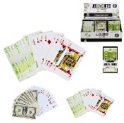 | JE5274 | JEU DE CARTES VERSO EURO OU DOLLAR X54 M48 | 2 | 48 | 3561865352743 | MISTER GADGET | DRUGSTORE GIFT | DIVERTISSEMENT | GADGET FUN | 5.7x1.9x10 | https://asset.product-live.com/766c7d8389c9617491756c69e479c0538fe843ec.jpg
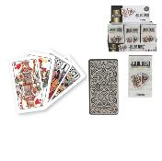 | JE5275 | JEU DE TAROT CARTES X78 | 1 | 36 | 3561865352750 | MISTER GADGET | DRUGSTORE GIFT | DIVERTISSEMENT | GADGET FUN | 6.3x2.8x11.6 | https://asset.product-live.com/1e00affc79329012260d30af513a7fd19bdb0afe.jpg
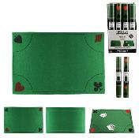 | JE5276 | TAPIS DE JEU CARTE 40X60CM M24 | 2 | 24 | 3561865352767 | MISTER GADGET | DRUGSTORE GIFT | DIVERTISSEMENT | GADGET FUN | 60x40x0.3 | https://asset.product-live.com/3a2fdfb30f6a34ee07130fc73d22afeb51d779e3.jpg
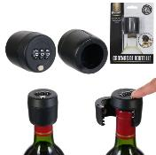 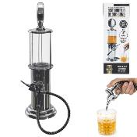 | KV7333 | DISTRIBUTEUR DE BOISSON POMPE A ESSENCE 90CL M4 | 1 | 4 | 3664944300953 | MISTER GADGET | ART DE LA TABLE | BOISSON ET APERO | COCKTAIL - BIERE ET JUS | 14x16x48.5 | https://asset.product-live.com/d03e4693cad7d939e7062b573a873ccb20e7015e.jpg
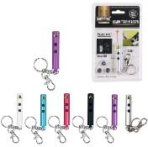 | LT2334 | PORTE-CLES LAMPE TORCHE LASER M48 | 6 | 48 | 3561865923349 | MISTER GADGET | DRUGSTORE GIFT | IDEE CADEAU | PORTE-CLES | 2.5x1.2x14 | https://asset.product-live.com/5a6bde06a00dfd3595a82a0d0b1134cf3aa7409f.jpg
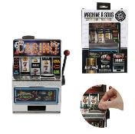 | MG2000 | MACHINE A SOUS PM M12 | 1 | 12 | 3561864220005 | MISTER GADGET | DRUGSTORE GIFT | DIVERTISSEMENT | GADGET FUN | 13.5x9.6x18.4 | https://asset.product-live.com/3555f67c0948399ff05962fbe991d258f35749dd.jpg
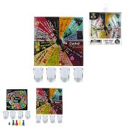  | MG20021/GI | JEU A BOIRE M36 | 2 | 36 | 3561860120026 | MISTER GADGET | DRUGSTORE GIFT | DIVERTISSEMENT | GADGET FUN | 3.5x3.5x5 | https://asset.product-live.com/164aab1e7e970302aef52ec530803772294cdad4.jpg
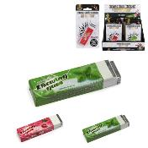 | MG2008 | CHEWING-GUM ELECTROCHOC M48 | 2 | 48 | 3561864220081 | MISTER GADGET | DRUGSTORE GIFT | DIVERTISSEMENT | GADGET FUN | 2x1.3x8 | https://asset.product-live.com/66feaac284191615bff1297da528392f559889e4.jpg
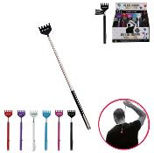 | MG2009 | GRATTE-DOS TELESCOPIQUE M48 | 6 | 48 | 3561864220098 | MISTER GADGET | DRUGSTORE GIFT | DIVERTISSEMENT | GADGET FUN | 3x1x15.8 | https://asset.product-live.com/157a82b429869aa519e6b6f4a49ccc55c68d31c6.jpg
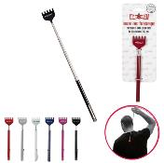 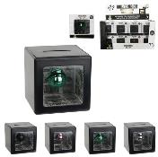 | MG2013 | TIRELIRE TOUR DE MAGIE | 4 | 48 | 3561864220135 | MISTER GADGET | DRUGSTORE GIFT | IDEE CADEAU | TIRELIRE BOCAL A MESSAGE | 7x7x7.2 | https://asset.product-live.com/0add152a9ba32adb02ff3d27d991dc3c2d4f4e96.jpg
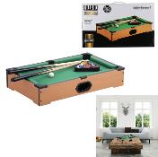 | MG2017 | JEU DE TABLE BILLARD M6 | 1 | 6 | 3561864220173 | MISTER GADGET | DRUGSTORE GIFT | DIVERTISSEMENT | GADGET FUN | 51.6x31.7x9.9 | https://asset.product-live.com/769bfdaf81f0d678a989bb1d8b4091cf2b7e15a1.jpg
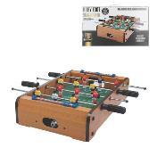 | MG2018 | JEU DE TABLE BABY FOOT M6 | 1 | 6 | 3561864220180 | MISTER GADGET | DRUGSTORE GIFT | DIVERTISSEMENT | GADGET FUN | 51x31x10 | https://asset.product-live.com/3deb7244e77cc708a3ab0633c64b514339fd9e5f.jpg
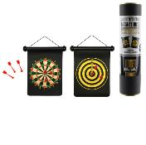 | MG2030 | JEU DE FLECHETTES MAGNETIQUES M24 | 1 | 24 | 3561864220302 | MISTER GADGET | DRUGSTORE GIFT | DIVERTISSEMENT | GADGET FUN | 28.4x4.5x35.5 | https://asset.product-live.com/c07b6300c704a019052120ea9e271d378c7e0a3e.jpg
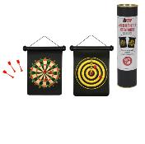 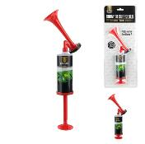 | MG2031 | CORNE DE SUPPORTER M36 | 1 | 36 | 3561864220319 | MISTER GADGET | DRUGSTORE GIFT | DIVERTISSEMENT | GADGET FUN | 4.5x4.5x25.5 | https://asset.product-live.com/deeb19b9697c4890f19de51d4891247f9f338def.jpg
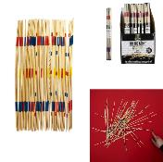 | MG20321 | MIKADO GEANT 41 PIECES EN BOIS | 1 | 24 | 3561864202032 | MISTER GADGET | DRUGSTORE GIFT | DIVERTISSEMENT | GADGET FUN | 0.4x0.4x34 | https://asset.product-live.com/1f4a3610f746dd030754c934bd99c6b6a4799325.jpg
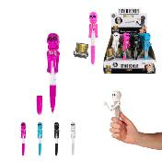 | MG2042 | STYLO BOXEUR M48 | 4 | 48 | 3561864220425 | MISTER GADGET | DRUGSTORE GIFT | DIVERTISSEMENT | GADGET FUN | 18x4x2.5 | https://asset.product-live.com/7eebb57d70f79df54b46c26b581e1dbaa812231b.jpg
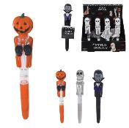 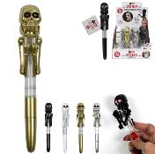 | MG2042/GI | STYLO BOXING M48 | 4 | 48 | 3561860220429 | MISTER GADGET | DRUGSTORE GIFT | DIVERTISSEMENT | GADGET FUN | 19x4x15 | https://asset.product-live.com/bb13ea0914fd41e7d950f944b93fcd997faa4d22.jpg
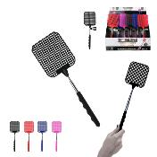 | MG2056 | TAPETTE TELESCOPIQUE 26A72CM M48 | 4 | 48 | 3561864220562 | MISTER GADGET | MAISON ET BAZAR | BAZAR ET QUINCAILLERIE | ANTI INSECTE | 8.3x1.5x72 | https://asset.product-live.com/53cd9d4acb38adc6722bfa6309ee4acf8510a48f.jpg
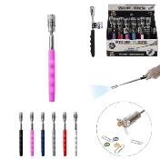 | MG2057 | TORCHE AIMANTEE TELESCOPIQUE 31 A 80CM M48 | 6 | 48 | 3561864220579 | MISTER GADGET | DRUGSTORE GIFT | DIVERTISSEMENT | GADGET FUN | 2x2x19 | https://asset.product-live.com/658f065d3b75b23c534b76e0dcadbf6f475da0c7.jpg
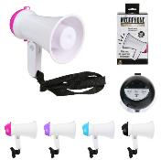 | MG2058 | MEGAPHONE 15X10CM M12 | 4 | 12 | 3561864220586 | MISTER GADGET | DRUGSTORE GIFT | DIVERTISSEMENT | GADGET FUN | 9.7x15.7x17 | https://asset.product-live.com/370733ea7bc796346ffd63b5457ae0379b82cd9b.jpg
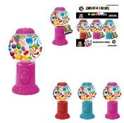 | MG2065 | DISTRIBUTEUR DE CHEWING GUM M24 | 3 | 24 | 3561864220654 | MISTER GADGET | DRUGSTORE GIFT | DIVERTISSEMENT | GADGET FUN | 9.7x9.7x19.5 | https://asset.product-live.com/71ef2c3423494564197f6d10cd9fff357e2554b1.jpg
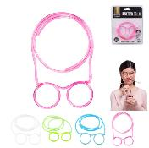 | MG2068 | LUNETTES PAILLE M48 | 4 | 48 | 3561864220685 | MISTER GADGET | DRUGSTORE GIFT | DIVERTISSEMENT | GADGET FUN | 5.2x120x120 | https://asset.product-live.com/1c28895c5c8033b0b8eeb903733bc4193991ccad.jpg
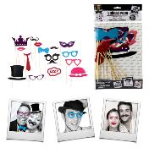 | MG2082 | BATON PHOTO PHOTOBOOTH X15 M48 | 1 | 48 | 3561864220821 | MISTER GADGET | DRUGSTORE GIFT | FETE ET EVENEMENT | DECO ET LUMIERE DE FETE | 22.2x0.5x39 | https://asset.product-live.com/11e4f4b3ba7bc6d0c2519870ddcb02ee9acfddb0.jpg
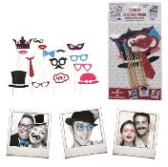 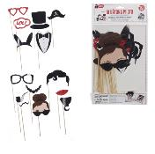 | MG2082/GI | BATON PHOTO X15 M48 | 1 | 48 | 3561864220821 | MISTER GADGET | DRUGSTORE GIFT | DIVERTISSEMENT | GADGET FUN | 22.2x39.5x40.5 | https://asset.product-live.com/1d63d6a713e9376a56ee4dc7511ce2962f842b63.jpg
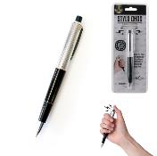 | MG3007 | STYLO CHOC ELECTRIQUE M36 | 1 | 36 | 3561864230073 | MISTER GADGET | DRUGSTORE GIFT | DIVERTISSEMENT | GADGET FUN | 1.7x1.5x14.2 | https://asset.product-live.com/7abe303714f40cbbdecdb886d1b88d83f17235bb.jpg
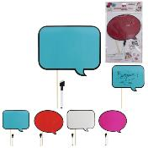 | MG3009/GI | BULLES A SELFIE EFFACABLES AVEC STYLO M36 | 4 | 36 | 3561869930091 | MISTER GADGET | DRUGSTORE GIFT | DIVERTISSEMENT | GADGET FUN | 8xx20 | https://asset.product-live.com/e4dc03ab8a8ee8973facdc778e5efe0841eb8bac.jpg
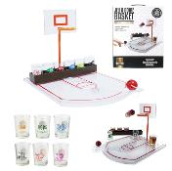 | MG3039 | JEU A BOIRE BASKET X6 VERRES M8 | 1 | 8 | 3561864230394 | MISTER GADGET | DRUGSTORE GIFT | DIVERTISSEMENT | GADGET FUN | 36.9x24x22.5 | https://asset.product-live.com/39db5efdd194cd96cdde0b521818a4e4a4eacaa0.jpg
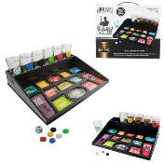 | MG3042 | JEU A BOIRE SHOOTER A GAGES | 1 | 6 | 3561864230424 | MISTER GADGET | DRUGSTORE GIFT | DIVERTISSEMENT | GADGET FUN | 27.3x22.3x9 | https://asset.product-live.com/6d9485bccf416e39a29e7ccc7f74acf220a06141.jpg
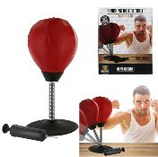 | MG3050 | PUNCHING BALL DE TABLE VENTOUSE 1 POMPE M8 | 1 | 8 | 3561864230509 | MISTER GADGET | DRUGSTORE GIFT | DIVERTISSEMENT | GADGET FUN | 17.5x17.5x36 | https://asset.product-live.com/9bd2c8034521971a6f580eea45915e445170bebb.jpg
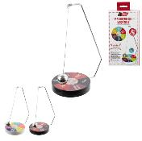 | MG3054/GI | JEU DE DECISION MAGNETIQUE M12 | 2 | 12 | 3561860130544 | MISTER GADGET | DRUGSTORE GIFT | DIVERTISSEMENT | GADGET FUN | 11.8xx21.5 | https://asset.product-live.com/92988940c2d5ad47043842caac20e36beebe2ab2.jpg
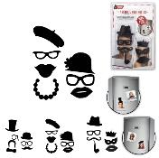 | MG3055/GI | MAGNET PHOTOBOOTH X7 M24 | 3 | 24 | 3561869930558 | MISTER GADGET | DRUGSTORE GIFT | DIVERTISSEMENT | GADGET FUN | 14x19x0.7 | https://asset.product-live.com/7dad8c5594732ce9d268c4da7c56fb72d848ecc1.jpg
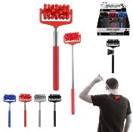 | MG3058 | MASSEUR TELESCOPIQUE M24 | 4 | 24 | 3561864230585 | MISTER GADGET | DRUGSTORE GIFT | DIVERTISSEMENT | GADGET FUN | 7.5x3.3x44 | https://asset.product-live.com/22cd53420d93e3b47bd5239e40e12e593a2f0811.jpg
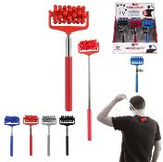 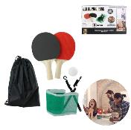 | MG3072 | JEU DE PING PONG MOBILE M16 | 1 | 16 | 3561864230721 | MISTER GADGET | DRUGSTORE GIFT | DIVERTISSEMENT | GADGET FUN | 15x2x25.4 | https://asset.product-live.com/1ce30c327432b725939adefc8ae0f8d14e7925b0.jpg
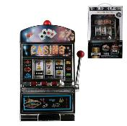 | MG3073 | MACHINE A SOUS GM M2 | 1 | 2 | 3561864230738 | MISTER GADGET | DRUGSTORE GIFT | DIVERTISSEMENT | GADGET FUN | 23.5x16x37 | https://asset.product-live.com/411a732884bfe4ec161c296ebff2b0f46a1ea0fa.jpg
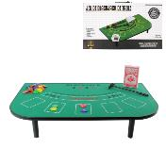 | MG3080 | JEU DE TABLE BLACKJACK M6 | 1 | 6 | 3561864230806 | MISTER GADGET | DRUGSTORE GIFT | DIVERTISSEMENT | GADGET FUN | 51x30.2x10 | https://asset.product-live.com/08ec343a39535bc1ca6171311f90776e1c1bc506.jpg
 | MG3083 | CADRE PHOTO GONFLABLE 86X60CM M18 | 2 | 18 | 3561864230837 | MISTER GADGET | DRUGSTORE GIFT | FETE ET EVENEMENT | DECO ET LUMIERE DE FETE | 86x10x60 | https://asset.product-live.com/ed179064fdfbf01f9883b3275420386220af2909.jpg
 | MG3083/GI | CADRE PHOTO GONFLABLE 86.5X60.5CM M12 | 2 | 12 | 3561869930831 | MISTER GADGET | DRUGSTORE GIFT | FETE ET EVENEMENT | AUTRE EVENEMENT | 86x10x60 | https://asset.product-live.com/01727112391c0a1f8242dc29317319579a57c665.jpg
 | MG3087 | PANIER DE BASKET DE CORBEILLE | 2 | 16 | 3561864230875 | MISTER GADGET | DRUGSTORE GIFT | DIVERTISSEMENT | GADGET FUN | 20x18.5x24.7 | https://asset.product-live.com/391db1ad35b0b1904994e6400a58e1e2fc687809.jpg
 | MG3093 | JEU DE GOLF DE TOILETTES M6 | 1 | 6 | 3561864230936 | MISTER GADGET | DRUGSTORE GIFT | DIVERTISSEMENT | GADGET FUN | 71.5x83x0.2 | https://asset.product-live.com/6dd7f12fb13dc74bb638532f0543ef171596101d.jpg
  | MG3105 | APPLAUDISSEUR A GONFLER 46X9CM X2 M48 | 2 | 48 | 3561864231056 | MISTER GADGET | DRUGSTORE GIFT | DIVERTISSEMENT | GADGET FUN | 60x10x0.2 | https://asset.product-live.com/1aecb9edbb2edb8985c917ba1dc6296541721d73.JPG
 | MG3106 | SERRE TETE DRAPEAU 13X28CM M48 | 1 | 48 | 3561864231063 | MISTER GADGET | DRUGSTORE GIFT | DIVERTISSEMENT | GADGET FUN | 13x1.5x11 | https://asset.product-live.com/e2e6d53e33c951ecc0f772269507663dd95b6b77.jpg
  | MG3109 | PORTE-CLES CROTTE SONORE ET LUMINEUX M24 | 1 | 24 | 3561864231094 | MISTER GADGET | DRUGSTORE GIFT | IDEE CADEAU | PORTE-CLES | 3.5x3.5x8 | https://asset.product-live.com/43eb45957e89f7d14c79832077d9604af58fc10d.JPG
 | MG3117 | PORTE-CLES LICORNE SONORE ET LUMINEUX M24 | 1 | 24 | 3561864231179 | MISTER GADGET | DRUGSTORE GIFT | IDEE CADEAU | PORTE-CLES | 7x2.1x6 | https://asset.product-live.com/05d06a423093f91c825cd35c172aedd6561b3b7e.jpg
 | MG3118/SM | APPLAUDISSEUR MAIN X2 M36 | 1 | 36 | 3561869931180 | MISTER GADGET | DRUGSTORE GIFT | DIVERTISSEMENT | GADGET FUN | 14x28x2 | https://asset.product-live.com/b338f183c3d21b042aed8132c25a2702223eeecc.jpg
 | MG3121 | PORTE-CLES FLAMANT SONORE ET LUMINEUX M24 | 1 | 24 | 3664944055631 | MISTER GADGET | DRUGSTORE GIFT | IDEE CADEAU | PORTE-CLES | 2.7x6.8x7.5 | https://asset.product-live.com/0e112115e3606333b78bc211221d7ef5a506b38b.JPG
 | MG3130 | DANSEUR SOLAIRE LICORNE M24 | 1 | 24 | 3664944047865 | MISTER GADGET | DRUGSTORE GIFT | DIVERTISSEMENT | GADGET FUN | 5x6x10.2 | https://asset.product-live.com/d065002d02047c04a30015b17321e0261998607b.jpg
 | MG3131 | DANSEUR SOLAIRE FLAMANT M24 | 1 | 24 | 3664944047872 | MISTER GADGET | DRUGSTORE GIFT | DIVERTISSEMENT | GADGET FUN | 5x6x11.6 | https://asset.product-live.com/661913b4b5adda54d9ffe885073f14efb50bc3ed.jpg
 | MG3133 | DANSEUR SOLAIRE TAHITIENNE M24 | 4 | 24 | 3664944047896 | MISTER GADGET | DRUGSTORE GIFT | DIVERTISSEMENT | GADGET FUN | 5x6x10.5 | https://asset.product-live.com/a1a840da38cc9f4e9118e436ec2e887732790854.jpg
 | MG3138 | PANIER DE BASKET A LINGE SALE M6 | 1 | 6 | 3664944047940 | MISTER GADGET | DRUGSTORE GIFT | DIVERTISSEMENT | GADGET FUN | 32x32x40 | https://asset.product-live.com/086e995d7eb9ba2c450f427a3fb086b0964961ac.jpg
 | MG3139 | PISTOLET DISTRIBUTEUR DE BILLETS M6 | 2 | 6 | 3664944047957 | MISTER GADGET | DRUGSTORE GIFT | DIVERTISSEMENT | GADGET FUN | 19x8.5x18.7 | https://asset.product-live.com/0bcff8f26dbabd69138a25eb27f0aca543780375.jpg
 | MG3142 | LAMPE DE TOILETTE DETECTEUR MOUVEMENT COULEURS M24 | 1 | 24 | 3664944047988 | MISTER GADGET | DRUGSTORE GIFT | DIVERTISSEMENT | GADGET FUN | 6x4.2x8 | https://asset.product-live.com/d595a92f893342bf0e0bd74cbd38d9c032cfdd4b.jpg
 | MG3143 | JEU A BOIRE SHOTSKI M6 | 1 | 6 | 3664944060987 | MISTER GADGET | DRUGSTORE GIFT | DIVERTISSEMENT | GADGET FUN | 60x9.8x6.7 | https://asset.product-live.com/375efd3b09b8fc530e8fcff87c4dcca71ac41956.jpg
 | MG3144 | JEU A BOIRE DECAPSULEUR | 1 | 4 | 3664944060994 | MISTER GADGET | DRUGSTORE GIFT | DIVERTISSEMENT | GADGET FUN | 18.5x3.8x39.5 | https://asset.product-live.com/1bf15b0996b93d0e4bbf34773ebdecc12923dc62.jpg
 | MG3150 | JEU DE COCKTAILS | 1 | 24 | 3664944079415 | MISTER GADGET | DRUGSTORE GIFT | DIVERTISSEMENT | GADGET FUN | 1.5x1.5x1.5 | https://asset.product-live.com/c4ed7c058a110c4ee453658e22d290b9d1ecfa22.jpg
 | MG3190 | CARTE DE FRANCE CAPSULES DE BIERE | 1 | 12 | 3664944088356 | MISTER GADGET | DRUGSTORE GIFT | DIVERTISSEMENT | GADGET FUN | 38x1x40 | https://asset.product-live.com/5c0800bc7f6f6521d20732b1f2a5016033782d25.jpg
 | MG3208 | BALLE ANTI-STRESS CROTTE M24 | 6 | 24 | 3664944090014 | MISTER GADGET | DRUGSTORE GIFT | DIVERTISSEMENT | GADGET FUN | 6.5x6.5x7 | https://asset.product-live.com/691e39b3831f39c140c78c45ef7cc4dcbdd9b293.jpg
 | MG3209 | STYLO BOXING LED LICORNE M24 | 2 | 24 | 3664944090021 | MISTER GADGET | DRUGSTORE GIFT | DIVERTISSEMENT | GADGET FUN | 2.9x3.5x19.3 | https://asset.product-live.com/46430bfe799296a8615660e250ec04524cf1af69.jpg
 | MG3210 | RAQUETTE ELECTRIQUE TAPE MOUCHE M12 | 3 | 12 | 3664944090038 | MISTER GADGET | DRUGSTORE GIFT | DIVERTISSEMENT | GADGET FUN | 16x2.5x44.3 | https://asset.product-live.com/203fbeb94a026d31b6cfdc7cd992b4ecfd17bd89.jpg
 | MG3252 | JEU A BOIRE PETILL-PONG SPECIAL BULLES M24 | 1 | 24 | 3664944129578 | MISTER GADGET | DRUGSTORE GIFT | DIVERTISSEMENT | GADGET FUN | 8.5x8.5x10 | https://asset.product-live.com/c08b859504c1946bf0cb102b4d63220a63d798a6.jpg
 | MG3255 | JEU DE LA BOUTEILLE | 1 | 24 | 3664944129608 | MISTER GADGET | DRUGSTORE GIFT | DIVERTISSEMENT | GADGET FUN | 18x12x6 | https://asset.product-live.com/01ab6bd6be38bd02496193b30cc0e2929846b40a.jpg
 | MG3259 | SERINGUE A SHOT D ALCOOL X8 | 1 | 12 | 3664944129646 | MISTER GADGET | DRUGSTORE GIFT | DIVERTISSEMENT | GADGET FUN | 4.5x3.5x17.3 | https://asset.product-live.com/6a0288b0c0358999cdf56ce6fc166fa4615a0f58.jpg
 | MG3260 | JEU DE TABLE HOCKEY M4 | 1 | 4 | 3664944129653 | MISTER GADGET | DRUGSTORE GIFT | DIVERTISSEMENT | GADGET FUN | 56x30.5x10 | https://asset.product-live.com/5e7484722faa456346e864f6c980996cf0481811.jpg
  | MG3265 | DEGUISEMENT GONFLABLE FLAMANT POUR ADULTE M6 | 1 | 6 | 3664944129707 | MISTER GADGET | DRUGSTORE GIFT | DIVERTISSEMENT | GADGET FUN | 165x20x194 | https://asset.product-live.com/48df28b2ecc413e8099b4954e7fbad195bcf0045.jpg
 | MG3266 | DEGUISEMENT GONFLABLE REQUIN POUR ADULTE M6 | 1 | 6 | 3664944129714 | MISTER GADGET | DRUGSTORE GIFT | DIVERTISSEMENT | GADGET FUN | 165x20x194 | https://asset.product-live.com/b55f6c37de57033c6a1db700444a9c273e701d0e.jpg
 | MG3267 | DEGUISEMENT GONFLABLE LICORNE POUR ENFANT M6 | 1 | 6 | 3664944129721 | MISTER GADGET | DRUGSTORE GIFT | DIVERTISSEMENT | GADGET FUN | 120x2x110 | https://asset.product-live.com/81d5f492d134a498321fe1880b06955b5cf39594.jpg
 | MG3268 | DEGUISEMENT GONFLABLE DINOSAURE POUR ENFANT M6 | 1 | 6 | 3664944129738 | MISTER GADGET | DRUGSTORE GIFT | DIVERTISSEMENT | GADGET FUN | 150x2x110 | https://asset.product-live.com/1e7a36a6f104a6ed6c1d099b3bc1d46d2facce2d.jpg
 | MG3270 | JEU DE CARTES DEBAT SOIREE SPECIALE FILLES X54 M24 | 1 | 24 | 3664944129752 | MISTER GADGET | DRUGSTORE GIFT | DIVERTISSEMENT | GADGET FUN | 8.5x0.1x5.3 | https://asset.product-live.com/8a3d001a10050465b304e83202664989de2f4eb8.jpg
 | MG3271 | JEU DE CARTES DEBAT SOIREE SPECIALE AMIS X54 M24 | 1 | 24 | 3664944129769 | MISTER GADGET | DRUGSTORE GIFT | DIVERTISSEMENT | GADGET FUN | 8.5x0.1x5.3 | https://asset.product-live.com/8c569406641515b8d30c6f4aab2d8107a79312a2.jpg
 | MG3272 | JEU DE CARTES DEBAT SPECIALE FAMILLE X54 M24 | 1 | 24 | 3664944129776 | MISTER GADGET | DRUGSTORE GIFT | DIVERTISSEMENT | GADGET FUN | 8.5x0.1x5.3 | https://asset.product-live.com/35c213e6c3b3344837e3c5cdcbe3fe537ea4ec4a.jpg
 | MG3273 | CARTES DE 30 DEFIS PLAISIRS SIMPLES QUOTIDIENS M12 | 1 | 12 | 3664944129783 | MISTER GADGET | DRUGSTORE GIFT | DIVERTISSEMENT | GADGET FUN | 15x1x21 | https://asset.product-live.com/774231b0825cbc023438a39fe18f6e5cb52f2634.jpg
 | MG3274 | POSTER AVANT LA FIN DU MONDE M24 | 2 | 24 | 3664944129790 | MISTER GADGET | DRUGSTORE GIFT | DIVERTISSEMENT | GADGET FUN | 56x0.2x60 | https://asset.product-live.com/da415c95ea2ea98eada1c9d0e4e085d2c9fd958a.jpg
 | MG3277 | CARTES QUIZ X60 M24 | 1 | 24 | 3664944210344 | MISTER GADGET | DRUGSTORE GIFT | DIVERTISSEMENT | GADGET FUN | 8.5x5.5x0.1 | https://asset.product-live.com/852e58318ced631bdb3614e438b1b8f69bacb854.jpg
 | MG3278 | CARTES VAS-TU OSER X60 M24 | 1 | 24 | 3664944210351 | MISTER GADGET | DRUGSTORE GIFT | DIVERTISSEMENT | GADGET FUN | 5.5x8.5x0.1 | https://asset.product-live.com/bc2939cf26b266b8f32cb05cb5979207a83b8646.jpg
 | MG3284 | JEU A BOIRE ECARTEUR DE BOUCHE M12 | 1 | 12 | 3664944216254 | MISTER GADGET | DRUGSTORE GIFT | DIVERTISSEMENT | GADGET FUN | 4.3x4.3x7 | https://asset.product-live.com/07a58df2b981578300e7fc4fa5ed4c27ed6d1651.jpg
 | MG3288 | JEU A BOIRE CIBLE M12 | 1 | 12 | 3664944222293 | MISTER GADGET | DRUGSTORE GIFT | DIVERTISSEMENT | GADGET FUN | 25x7x35 | https://asset.product-live.com/b6a2d22da81db4af0a8091cd9e8c84ffc8ee2fa2.jpg
 | MG3289 | JEU A BOIRE PLATEAU ET 4 SHOOTERS M12 | 1 | 12 | 3664944222286 | MISTER GADGET | DRUGSTORE GIFT | DIVERTISSEMENT | GADGET FUN | 25x25x6.7 | https://asset.product-live.com/35bd542446f7bcb868951e440f307608e9957785.jpg
 | MG3291 | LAMPE LED GADGET M24 | 4 | 24 | 3664944209836 | MISTER GADGET | DRUGSTORE GIFT | DIVERTISSEMENT | GADGET FUN | 2x2x5.8 | https://asset.product-live.com/9cf4c11474b4a9eb44b3880d50240ce4a6e1cd5d.jpg
 | MG3295 | JEU A BOIRE BASKETBALL SHOOTER X2 M12 | 1 | 12 | 3664944222309 | MISTER GADGET | DRUGSTORE GIFT | DIVERTISSEMENT | GADGET FUN | 35.3x10.8x25.5 | https://asset.product-live.com/303053015ee7f332ea4c417a1ea2e074845fd322.jpg
 | MG3300 | POSTER A GRATTER 60X40CM DEUX MOIS DE DEFIS M24 | 1 | 24 | 3664944215400 | MISTER GADGET | DRUGSTORE GIFT | DIVERTISSEMENT | GADGET FUN | 40x0.2x60 | https://asset.product-live.com/f0e8e67005c5824fa1be284be55075315247076e.jpg
 | MG3304 | BALLES ANTI-STRESS X3 M12 | 1 | 12 | 3664944215455 | MISTER GADGET | DRUGSTORE GIFT | DIVERTISSEMENT | GADGET FUN | 7x7x7 | https://asset.product-live.com/2d317f7587a51fbd3c5d07a512c00d472e89e4e2.jpg
 | MG3305 | MINUTEUR WC M24 | 1 | 24 | 3664944215462 | MISTER GADGET | DRUGSTORE GIFT | DIVERTISSEMENT | GADGET FUN | 10.2x10.2x5.4 | https://asset.product-live.com/052b947dbd058c3bdf3187f2a5555ce921f3c47e.jpg
 | MG3307 | JEU TOUR INFERNALE M12 | 1 | 12 | 3664944223351 | MISTER GADGET | DRUGSTORE GIFT | DIVERTISSEMENT | GADGET FUN | 5.1x1.7x1 | https://asset.product-live.com/08afa1d61bfc6466d1728d6e8a907c49adbffa9a.jpg
 | MG3308 | JEU DE BINGO M6 | 1 | 6 | 3664944223368 | MISTER GADGET | DRUGSTORE GIFT | DIVERTISSEMENT | GADGET FUN | 23x18.5x19 | https://asset.product-live.com/16c2f84a2c5f7572b1e5e5121cc3f468ed8f2933.jpg
 | MG3309 | JEU DE LOTO M12 | 1 | 12 | 3664944223375 | MISTER GADGET | DRUGSTORE GIFT | DIVERTISSEMENT | GADGET FUN | 16.5x9x0.1 | https://asset.product-live.com/716fec26fed2816c4719ff43cf5c5f8563b5292c.jpg
 | MG3311 | JEU BASKET BALL SPHERE M12 | 2 | 12 | 3664944266235 | MISTER GADGET | DRUGSTORE GIFT | DIVERTISSEMENT | GADGET FUN | 5.5x7.5x7.5 | https://asset.product-live.com/1ee9b549c9793d71ab926b9f4db88cbbf72372be.jpg
 | MG3312 | JEU A BOIRE BIERE PONG VERRES REUTILISABLES M12 | 1 | 12 | 3664944270263 | MISTER GADGET | DRUGSTORE GIFT | DIVERTISSEMENT | GADGET FUN | 9x9x12.7 | https://asset.product-live.com/a3769510194e115fa1168ce92d7b982b140711ab.jpg
 | MG3313 | CONSOLE MINI ARCADE 23 JEUX CLASSIQUES RETRO M12 | 1 | 12 | 3664944281214 | MISTER GADGET | DRUGSTORE GIFT | DIVERTISSEMENT | GADGET FUN | 10x5x2.5 | https://asset.product-live.com/82cfe7a12c48ba155227b60cf7434602a6e960ee.jpg
 | MG3317 | MINI CHAMBOULE TOUT 10 VERRES M24 | 1 | 24 | 3664944294580 | MISTER GADGET | DRUGSTORE GIFT | DIVERTISSEMENT | GADGET FUN | 19x0x4.1 | https://asset.product-live.com/0be21579f2287467f45e7fe60b80f857847602b4.jpg
 | MG3319 | JEU DE BASKET DE TOILETTES M6 | 1 | 6 | 3664944294603 | MISTER GADGET | DRUGSTORE GIFT | DIVERTISSEMENT | GADGET FUN | 68x80x0 | https://asset.product-live.com/0ea8aef6567a0d3922ef244e21ad4c59119c274b.jpg
 | MG3320 | JEU A BOIRE DE GOLF M6 | 1 | 6 | 3664944294566 | MISTER GADGET | DRUGSTORE GIFT | DIVERTISSEMENT | GADGET FUN | 17.2x16x8 | https://asset.product-live.com/97556271e40b81be94b2ff28d5fb5f6bd1d867a0.jpg
 | MG3321 | CASSE-TETE M24 | 6 | 24 | 3664944294641 | MISTER GADGET | DRUGSTORE GIFT | DIVERTISSEMENT | GADGET FUN | 7.5x0.4x10 | https://asset.product-live.com/4419bd263cd3a302c68435fdc778e40b38198706.jpg
 | MG3322 | JEU A BOIRE SHOOTER ET DE M24 | 1 | 24 | 3664944294535 | MISTER GADGET | DRUGSTORE GIFT | DIVERTISSEMENT | GADGET FUN | 8.5x0x0 | https://asset.product-live.com/774aba4131fddabd60af9f3342caf41f585e8050.jpg
 | MG3323 | CEINTURE JEU TWERK PONG M12 | 1 | 12 | 3664944294542 | MISTER GADGET | DRUGSTORE GIFT | DIVERTISSEMENT | GADGET FUN | 3.5x3.5x3.5 | https://asset.product-live.com/278af5a3c5c798b0142ccd48fdad9bdb200611e3.jpg
 | MG3324 | CASQUE ANTI SOIF ET STICKERS M8 | 2 | 8 | 3664944294559 | MISTER GADGET | DRUGSTORE GIFT | DIVERTISSEMENT | GADGET FUN | 31.5x27.5x14.5 | https://asset.product-live.com/bca707b02d908f74c0ada2cc2baac26e91085594.jpg
 | MG3325 | SOUFFLET MAGIQUE 2 BALLES FLOTTANTES M24 | 1 | 24 | 3664944294573 | MISTER GADGET | DRUGSTORE GIFT | DIVERTISSEMENT | GADGET FUN | 4x15x4.5 | https://asset.product-live.com/5f79cee7191ab86453ccb92dc7a43400bc1c4ab5.jpg
 | MG3326 | JEU DE CIBLE VENTOUSE M18 | 1 | 18 | 3664944294597 | MISTER GADGET | DRUGSTORE GIFT | DIVERTISSEMENT | GADGET FUN | 11.5x11.5x3.5 | https://asset.product-live.com/a93b0cd0535dfcb80757f58772342fd2d3a5fcb9.jpg
 | MG3327 | JEU DE DOMINO M12 | 1 | 12 | 3664944294610 | MISTER GADGET | DRUGSTORE GIFT | DIVERTISSEMENT | GADGET FUN | 4.8x2.4x0.7 | https://asset.product-live.com/4f9615d2c2d1fb5b92a2217958c65051de577be2.jpg
 | MG3328 | JEU D ECHECS EN VERRE 25X25 M6 | 1 | 6 | 3664944294627 | MISTER GADGET | DRUGSTORE GIFT | DIVERTISSEMENT | GADGET FUN | 28x25x0 | https://asset.product-live.com/aa61d2a67eb692d0a04501276a1dc7e207ea6625.jpg
 | MG3330 | JEU DE FLECHETTES M12 | 1 | 12 | 3664944305545 | MISTER GADGET | DRUGSTORE GIFT | DIVERTISSEMENT | GADGET FUN | 38x0x0 | https://asset.product-live.com/551f130a2bd23f826c98f9b12b7a26198eb0195e.jpg
 | MG3331 | JEU DE QUILLES EN BOIS NORDIQUE M6 | 1 | 6 | 3664944305552 | MISTER GADGET | DRUGSTORE GIFT | DIVERTISSEMENT | GADGET FUN | 19.2x4.7x22 | https://asset.product-live.com/191a891eff48b3bdc0692912fd2e13322cf9ac9f.jpg
 | TB1013 | CENDRIER METAL BISTROT M36 | 2 | 36 | 3561868210132 | MISTER GADGET | DRUGSTORE GIFT | TABAC | ACCESSOIRE TABAC | 13.5x13.5x1.7 | https://asset.product-live.com/7672ed2c6bb751de9cbd7c89530f02a09a026276.jpg
 | TB1015 | CENDRIER POUSSOIR M36 | 3 | 36 | 3561868210156 | MISTER GADGET | DRUGSTORE GIFT | TABAC | ACCESSOIRE TABAC | 9.4x9.4x12 | https://asset.product-live.com/7a88a4e50f257230a869ca3676b645623c92574b.jpg
 | TB1027 | ETUI A CIGARETTES GAMME MOTS M24 | 5 | 24 | 3561868210279 | MISTER GADGET | DRUGSTORE GIFT | TABAC | ACCESSOIRE TABAC | 6.2x9.6x3 | https://asset.product-live.com/e6d47468cab17eec05bb2b985fa5e3d28cd81c43.jpg
  | TB1033 | CENDRIER POUSSOIR MOTS M24 | 4 | 24 | 3664944089674 | MISTER GADGET | DRUGSTORE GIFT | TABAC | ACCESSOIRE TABAC | 9.5x9.5x12.8 | https://asset.product-live.com/0c25a07dbf5be792f75dac2239fcbb0d1ee5c579.jpg

