Feuil1
 | LUMIERES LED

 | 2021-09-20 17:02:40
 | ENTREPRISE
 | NOM | MAIL

PRODUIT |  |  |  |  |  | PRODUCT FEATURES
PHOTO | REFERENCE | DESCRIPTION | ASSORTIMENT | NB PCS / COLIS | NB COL / PAL | EAN | MARQUE | UNIVERS | FAMILLE | SOUS FAMILLE | DIMENSION PRODUIT CM | LIEN PHOTO HD
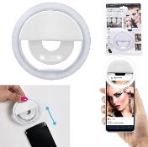 | HT2051 | LUMIERE LED SELFIE RECHARGEABLE SMARTPHONE M12 | 1 | 12 |  | 3664944294238 | BE MIX | LOISIR VOYAGE | HIGH TECH | ACCESSOIRE NOMADE | 8.70x3.00x8.70 | https://asset.product-live.com/95cce4f21254bf4c5e11b5b23c79e758471b8cd8.jpg
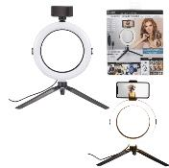 | HT2052 | LUMIERE LED TREPIED SMARTPHONE PHOTOS ET VIDEOS M6 | 1 | 6 |  | 3664944294245 | BE MIX | LOISIR VOYAGE | HIGH TECH | ACCESSOIRE NOMADE | 30.50x27.00x39.50 | https://asset.product-live.com/20cde0de38dffe0453770e4d7854493d358e442e.jpg
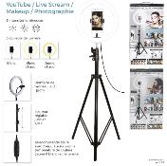 | HT2084 | LUMIERE LED TREPIED XXL PHOTO VIDEO M4 | 1 | 4 |  | 3664944321415 | BE MIX | LOISIR VOYAGE | HIGH TECH | ACCESSOIRE NOMADE | 30.00x30.00x200.00 | https://asset.product-live.com/08936fb6850efac826bfcf4f19ed96d83b8e49fc.jpg
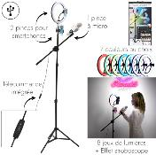 | HT2090 | LUMIERE LED TREPIED XXL PHOTO VIDEO KARAOKE RGB M4 | 1 | 4 |  | 3664944331704 | BE MIX | LOISIR VOYAGE | HIGH TECH | MULTIMEDIA | 194.00x0.00x194.00 | https://asset.product-live.com/23d37eca02cf3a6515dbc5e5b241e8ad36b93d26.jpg
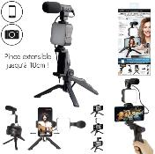 | HT2145 | LUMIERE LED TREPIED MICRO INTEGRE PHOTO VIDEO M6 | 1 | 6 |  | 3664944362838 | BE MIX | LOISIR VOYAGE | HIGH TECH | ACCESSOIRE NOMADE | 19.50x17.50x32.00 | https://asset.product-live.com/e3d0d1b93b68adf7434d28183feee1e0f4a7aafd.jpg
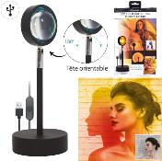 | HT2146 | LUMIERE PROJECTEUR LED COUCHER DE SOLEIL M6 | 1 | 6 |  | 3664944362845 | BE MIX | LOISIR VOYAGE | HIGH TECH | ACCESSOIRE NOMADE | 10.00x10.00x25.00 | https://asset.product-live.com/99137d2ffef33fe7c6f1374a49dd946d9749f370.jpg
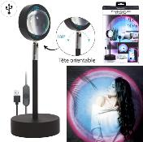 | HT2147 | LUMIERE PROJECTEUR LED ARC EN CIEL M6 | 1 | 6 |  | 3664944362852 | BE MIX | LOISIR VOYAGE | HIGH TECH | ACCESSOIRE NOMADE | 10.00x10.00x25.00 | https://asset.product-live.com/670c2a9cc98addd9cafdf2735fba9ff4c84fc99d.jpg

