Feuil1
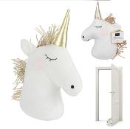
 | LICORNE

 | 2021-09-20 17:35:05
 | ENTREPRISE
 | NOM | MAIL

PRODUIT |  |  |  |  | PRODUCT FEATURES
PHOTO | REFERENCE | DESCRIPTION | ASSORTIMENT | NB PCS / COLIS | EAN | MARQUE | UNIVERS | FAMILLE | SOUS FAMILLE | DIMENSION PRODUIT CM | LIEN PHOTO HD
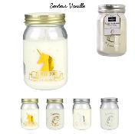 | BO5226 | BOUGIE MASON JAR LICORNE M12 | 4 | 12 | 3664944080084 | HOME DECO FACTORY | DECO | BOUGIE ET SENTEUR | BOUGIE | 7.50x7.50x13.00 | https://asset.product-live.com/8f7fd241fbd4d969da1c4ed9f094687289ac39d1.jpg
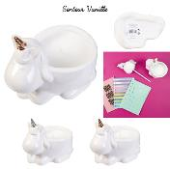 | BO5338 | BOUGIE LICORNE M8 | 2 | 8 | 3664944134459 | HOME DECO FACTORY | DECO | BOUGIE ET SENTEUR | BOUGIE | 15.00x9.80x12.00 | https://asset.product-live.com/d85d56e0993de459ab75b450613d55110172d2ba.jpg
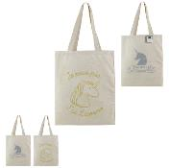 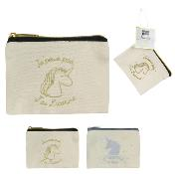 | DE5801 | POCHETTE TOILE 10X13CM LICORNE M24 | 2 | 24 | 3561863758011 | HOME DECO FACTORY | LOISIR VOYAGE | ACCESSOIRE DE VOYAGE | TROUSSE DE TOILETTE | 12.50x0.50x10.50 | https://asset.product-live.com/0bb6d6af4b51849034c7d703272b841c048871ca.jpg
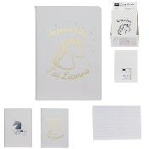 | DE5803 | CARNET DE NOTES 40 PAGES LICORNE M36 | 2 | 36 | 3561863758035 | HOME DECO FACTORY | LOISIR VOYAGE | PAPETERIE LOISIR CREATIF | PAPETERIE | 15.00x0.50x21.00 | https://asset.product-live.com/53359c28741d1627b73dc6a980b3e946555c95a0.jpg
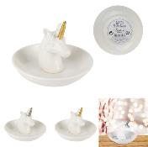 | DE5807 | PORTE BIJOUX LICORNE CERAMIQUE M24 | 2 | 24 | 3561863758073 | HOME DECO FACTORY | DECO | RANGEMENT DECO | BOITE ET PORTE-BIJOUX | 10.00x10.00x8.20 | https://asset.product-live.com/1ca2a0b075bb2fdce53706bd3c724413432bd32b.jpg
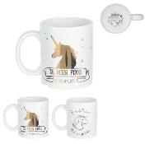 | DE5810 | MUG LICORNE CERAMIQUE 35CL M18 | 2 | 18 | 3561863758103 | HOME DECO FACTORY | ART DE LA TABLE | VAISSELLE | BOL - MUG ET TASSE | 11.60x8.00x9.50 | https://asset.product-live.com/a488a9736d5ad3485126e32e9f8819ca0fd06bf0.jpg
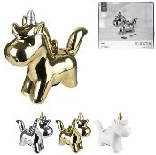 | DE5842 | TIRELIRE LICORNE M9 | 3 | 9 | 3561863758424 | HOME DECO FACTORY | DRUGSTORE GIFT | IDEE CADEAU | TIRELIRE BOCAL A MESSAGE | 21.50x6.50x18.80 | https://asset.product-live.com/d608ed393aa80127ff8842da415f1ffc919cdb01.jpg
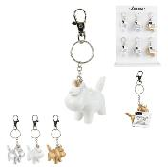 | DE5843 | PORTE-CLES LICORNE 3D M24 | 3 | 24 | 3561863758431 | HOME DECO FACTORY | DRUGSTORE GIFT | IDEE CADEAU | PORTE-CLES | 6.00x2.30x13.00 | https://asset.product-live.com/203bb6673920b603427fceacf246f6846304257c.jpg
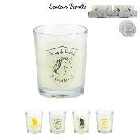 | DE5844 | BOUGIE VERRE LICORNE H6.7CM M24 | 4 | 24 | 3561863758448 | HOME DECO FACTORY | DECO | BOUGIE ET SENTEUR | BOUGIE | 5.50x5.50x6.70 | https://asset.product-live.com/0a80ca76d9d15ade1d48e2412dafc4aa5a6b806b.jpg
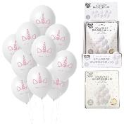 | EA10064 | BALLON MOTIF LICORNE X10 M24 | 1 | 24 | 3664944337645 | PARTY TIME | DRUGSTORE GIFT | FETE ET EVENEMENT | ANNIVERSAIRE | 15.00x0.50x17.00 | https://asset.product-live.com/9cd913c34849cadb1cfbd3dda721a506c5c5366f.jpg
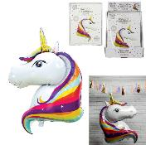 | EA9411 | BALLON ALUMINIUM LICORNE 100CM M24 | 1 | 24 | 3664944048022 | PARTY TIME | DRUGSTORE GIFT | FETE ET EVENEMENT | ANNIVERSAIRE | 45.00x22.00x80.00 | https://asset.product-live.com/bf20ec2231ca42223f5abed52c433842fde869de.jpg
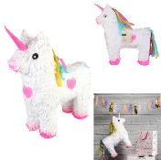 | EA9443 | PINATA LICORNE 40X13.5X50CM M4 | 1 | 4 | 3664944187981 | PARTY TIME | DRUGSTORE GIFT | FETE ET EVENEMENT | ANNIVERSAIRE | 41.00x14.00x48.00 | https://asset.product-live.com/b03769224de2d14e69d579c64027006e0a101d82.jpg
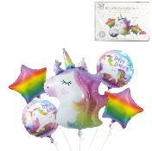 | EA9463 | BALLON ALUMINIUM LICORNE X4 M12 | 1 | 12 | 3664944308218 | PARTY TIME | DRUGSTORE GIFT | FETE ET EVENEMENT | ANNIVERSAIRE | 25.50x0.00x0.00 | https://asset.product-live.com/3474443fb9b359d98585cc9544108e97f8180ea1.jpg
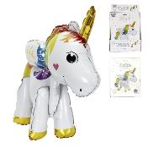 | EA9464 | BALLON LICORNE 3D SUR PIEDS M24 | 1 | 24 | 3664944308225 | PARTY TIME | DRUGSTORE GIFT | FETE ET EVENEMENT | ANNIVERSAIRE | 19.80x0.00x0.00 | https://asset.product-live.com/ce67204a055d79363994244ae2d1b416a07fc2ab.jpg
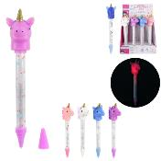 | EC3201 | STYLO LUMINEUX LICORNE M24 | 4 | 24 | 3561863332013 | JEUX 2 MOMES | LOISIR VOYAGE | PAPETERIE LOISIR CREATIF | PAPETERIE | 4.00x5.00x22.50 | https://asset.product-live.com/fe50f48f742c4e52a69928ea95ec1cfa3f4a4d39.jpg
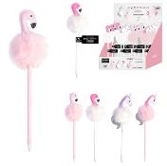 | EC5000 | STYLO FLAMANT ET LICORNE M24 | 4 | 24 | 3664944047391 | THE CONCEPT FACTORY | LOISIR VOYAGE | PAPETERIE LOISIR CREATIF | PAPETERIE | 6.00x6.00x25.00 | https://asset.product-live.com/902519e00f55120c80268dce074959a7ea262b2b.jpg
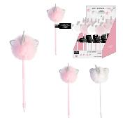 | EC5001 | STYLO CHAT LICORNE LAPIN CHAT M24 | 2 | 24 | 3664944060314 | JEUX 2 MOMES | LOISIR VOYAGE | PAPETERIE LOISIR CREATIF | PAPETERIE | 7.50x6.00x23.00 | https://asset.product-live.com/ca9590bcce5e030c43b31c254667c6ef5f35882d.jpg
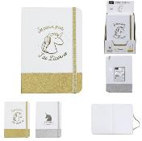 | EC5025 | CARNET DE NOTES PAILLETTES LICORNE 21X15CM M24 | 2 | 24 | 3664944075172 | HOME DECO FACTORY | LOISIR VOYAGE | PAPETERIE LOISIR CREATIF | PAPETERIE | 15.00x21.00x1.00 | https://asset.product-live.com/039a17095e1e3444ef555f89f85617625635f421.jpg
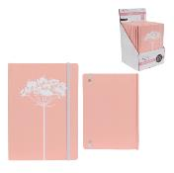 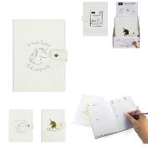 | EC5026 | AGENDA PERPETUEL LICORNE 12.5X17.6CM M24 | 2 | 24 | 3664944075189 | HOME DECO FACTORY | LOISIR VOYAGE | PAPETERIE LOISIR CREATIF | PAPETERIE | 17.50x1.00x13.00 | https://asset.product-live.com/ad244af2362afe484508c09c340bee9ddb9ebedc.jpg
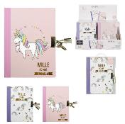 | EC5185 | JOURNAL INTIME AVEC CADENAS M36 | 2 | 36 | 3664944203742 | JEUX 2 MOMES | LOISIR VOYAGE | PAPETERIE LOISIR CREATIF | PAPETERIE | 11.70x15.20x1.20 | https://asset.product-live.com/3eafe1ec133a352211aada50eddf10b8c3185bc6.jpg
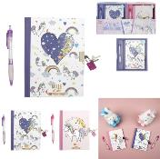 | EC5188 | CARNET SECRET ET CRAYON LICORNE M24 | 2 | 24 | 3664944266211 | JEUX 2 MOMES | LOISIR VOYAGE | PAPETERIE LOISIR CREATIF | PAPETERIE | 15.50x1.00x17.90 | https://asset.product-live.com/75640447657154ff058dd5bf9b08b5eb5f04e7c8.jpg
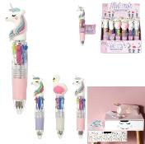 | EC5189 | MINI CRAYON FANTAISIE M24 | 3 | 24 | 3664944266228 | JEUX 2 MOMES | LOISIR VOYAGE | PAPETERIE LOISIR CREATIF | PAPETERIE | 2.20x3.00x10.30 | https://asset.product-live.com/ac633f7ce900c7265dba56951b45781592cc2434.jpg
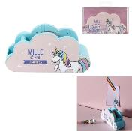 | EC5250 | DISTRIBUTEUR RUBAN ADHESIF LICORNE M24 | 1 | 24 | 3664944308416 | JEUX 2 MOMES | LOISIR VOYAGE | PAPETERIE LOISIR CREATIF | PAPETERIE | 13.50x4.70x6.80 | https://asset.product-live.com/0a3ebf5c381dc25c65cb20e33a44be1443dda05a.jpg
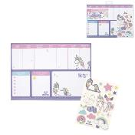 | EC5251 | ORGANISATEUR LICORNE M24 | 1 | 24 | 3664944308423 | JEUX 2 MOMES | LOISIR VOYAGE | PAPETERIE LOISIR CREATIF | PAPETERIE | 29.60x0.50x20.80 | https://asset.product-live.com/3e6941ef63509c02fbb190e76e02d2d330d08731.jpg
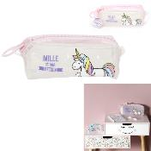 | EC5252 | TROUSSE TRANSPARENTE LICORNE M24 | 1 | 24 | 3664944308522 | JEUX 2 MOMES | LOISIR VOYAGE | PAPETERIE LOISIR CREATIF | PAPETERIE | 18.50x8.00x7.00 | https://asset.product-live.com/048eed647036affeb2176d082d001fc707f06526.jpg
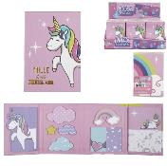 | EC5253 | NOTES ADHESIVES LICORNE M24 | 1 | 24 | 3664944308539 | JEUX 2 MOMES | LOISIR VOYAGE | PAPETERIE LOISIR CREATIF | PAPETERIE | 8.00x2.00x11.80 | https://asset.product-live.com/714d745a6eeb3f41bfe879c3b149f375bcd27a77.jpg
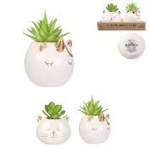 | HD4119 | PLANTE ARTIFICIELLE CHAT ET LICORNE CERAMIQUE M16 | 2 | 16 | 3664944130901 | HOME DECO FACTORY | DECO | OBJET DECO | PLANTE ARTIFICIELLE | 7.50x5.50x10.00 | https://asset.product-live.com/8dc8fb3f718065ed62a568591e8e530f58fef2be.jpg
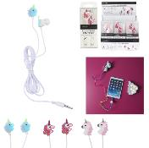 | HT1930 | ECOUTEURS FANTAISIES LICORNE M24 | 3 | 24 | 3664944175773 | BE MIX | LOISIR VOYAGE | HIGH TECH | AUDIO | 110.00x1.50x2.50 | https://asset.product-live.com/18447a8df27bbdb06b98615b98a95a7b5a3813f0.jpg
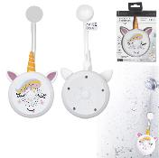 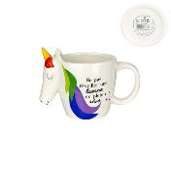 | KA3149 | MUG MESSAGE LICORNE TETE 3D 40CL M12 | 1 | 12 | 3664944064886 | THE CONCEPT FACTORY | ART DE LA TABLE | VAISSELLE | BOL - MUG ET TASSE | 16.00x9.50x11.50 | https://asset.product-live.com/8ac8b1f61ba03aea75818a07baf4b61d4563f0ce.JPG
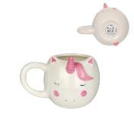 | KA3151 | MUG LICORNE CORNE 3D 40CL M12 | 1 | 12 | 3664944064909 | HOME DECO FACTORY | ART DE LA TABLE | VAISSELLE | BOL - MUG ET TASSE | 14.30x11.00x10.70 | https://asset.product-live.com/5a04bffbabc5b8137525b7a3d2e29e15c677d2a5.JPG
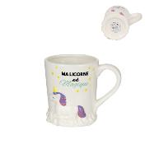 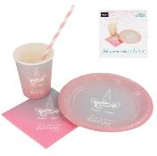 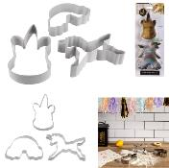 | KP5534 | EMPORTE PIECE LICORNE X3 M24 | 1 | 24 | 3664944135968 | LILY COOK | CUISINE | PATISSERIE | CERCLE ET DECOUPOIR | 6.50x12.50x2.50 | https://asset.product-live.com/2e76c90632736f104b67fdab2e99834b7bf55a7d.jpg
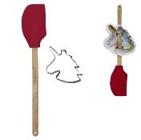 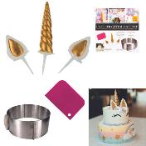 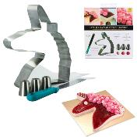 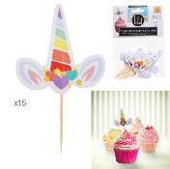 | KP5547 | PIQUE DECORATIVE LICORNE X15 M48 | 1 | 48 | 3664944136002 | LILY COOK | CUISINE | PATISSERIE | ACCESSOIRE DE DECORATION | 5.50x0.10x8.50 | https://asset.product-live.com/a652f5897e9931bb2b2c9d34791a5d3173d9be74.jpg
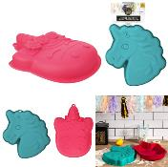 | KP5567 | MOULE SILICONE LICORNE M18 | 2 | 18 | 3664944147107 | LILY COOK | CUISINE | PATISSERIE | MOULE ET CUISSON | 20.00x25.50x3.50 | https://asset.product-live.com/077cc97942e85a7797ad0cdb5949455d1979bc2f.jpg
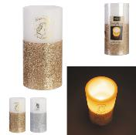 | LA10132 | BOUGIE LED GLITTER LICORNE 15X7.5CM M10 | 2 | 10 | 3664944085874 | HOME DECO FACTORY | DECO | BOUGIE ET SENTEUR | BOUGIE LED | 15.00x7.30x7.30 | https://asset.product-live.com/7061bbe2b059c75bfc803e54b26b56521a024f53.jpg
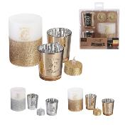 | LA10134 | COFFRET PHOTOPHORE LICORNE ET BOUGIE LED X2 M6 | 2 | 6 | 3664944085898 | HOME DECO FACTORY | DECO | BOUGIE ET SENTEUR | BOUGEOIR ET PHOTOPHORE | 10.00x7.50x7.50 | https://asset.product-live.com/cd9491f58d075e4396e13aa315e2f65715e670be.jpg
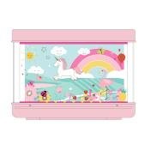 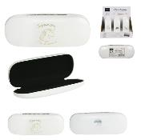 | LU2803 | BOITIER A LUNETTES LICORNE M24 | 2 | 24 | 3664944075141 | HOME DECO FACTORY | MODE BIEN-ETRE | CONFORT ET MODE | LUNETTE ET ACCESSOIRE | 16.20x6.00x3.00 | https://asset.product-live.com/097b57e6ba2dd68876b4cfec45cebb9c5c267390.jpg
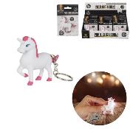 | MG3117 | PORTE-CLES LICORNE SONORE ET LUMINEUX M24 | 1 | 24 | 3561864231179 | MISTER GADGET | DRUGSTORE GIFT | IDEE CADEAU | PORTE-CLES | 7.00x2.10x6.00 | https://asset.product-live.com/05d06a423093f91c825cd35c172aedd6561b3b7e.jpg
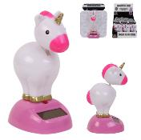 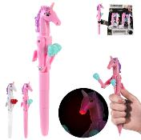 | MG3209 | STYLO BOXING LED LICORNE M24 | 2 | 24 | 3664944090021 | MISTER GADGET | DRUGSTORE GIFT | DIVERTISSEMENT | GADGET FUN | 2.90x3.50x19.30 | https://asset.product-live.com/46430bfe799296a8615660e250ec04524cf1af69.jpg
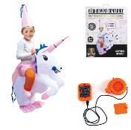 | MG3267 | DEGUISEMENT GONFLABLE LICORNE POUR ENFANT M6 | 1 | 6 | 3664944129721 | MISTER GADGET | DRUGSTORE GIFT | DIVERTISSEMENT | GADGET FUN | 120.00x2.00x110.00 | https://asset.product-live.com/81d5f492d134a498321fe1880b06955b5cf39594.jpg
 | PA9464 | CHAUSSONS LICORNE ENFANT M12 | 1 | 12 | 3664944142607 | SENSLY | MODE BIEN-ETRE | CONFORT ET MODE | TEXTILE | 23.50x9.00x11.00 | https://asset.product-live.com/3e096bb4cddf2237075c382fec3d985560b6a206.jpg
 | PA9474 | CHAUSSONS BALLERINE LICORNE CHAT SHERPA M16 | 2 | 16 | 3664944164012 | SENSLY | MODE BIEN-ETRE | CONFORT ET MODE | TEXTILE | 24.50x10.00x2.00 | https://asset.product-live.com/9898c9f1c04e7c4e0f34c044dfdd421a03fd0f3d.jpg
 | PA9495 | CHAUSSONS LICORNE ENFANT 3D M12 | 1 | 12 | 3664944164227 | SENSLY | MODE BIEN-ETRE | CONFORT ET MODE | TEXTILE | 20.00x10.00x6.50 | https://asset.product-live.com/a8100f64fecd3536e81b80b00d68470f135e82ff.jpg
 | PA9497 | CHAUSSON DOUBLE LICORNE M8 | 1 | 8 | 3664944164241 | SENSLY | MODE BIEN-ETRE | CONFORT ET MODE | TEXTILE | 26.00x35.00x24.00 | https://asset.product-live.com/e732ae02660d36fa854be655839a497777cc9dc9.jpg
 | PA9551 | CASQUETTE LICORNE M24 | 2 | 24 | 3664944192329 | THE CONCEPT FACTORY | MODE BIEN-ETRE | CONFORT ET MODE | TEXTILE | 18.00x26.00x15.00 | https://asset.product-live.com/610022d104042ecbfbffe983801796cd89f44402.jpg
 | PA9557 | DISPLAY 24 PAIRES DE CHAUSSETTES FANTAISIE ENF M24 | 3 | 24 | 3664944335122 | THE CONCEPT FACTORY | MODE BIEN-ETRE | CONFORT ET MODE | CONFORT | 0.00x0.00x0.00 | https://asset.product-live.com/9dd0885433657ac1b09e03e8eaf0feb4b4b65d56.jpg
 | RG6218 | BOITE GIGOGNE LICORNE X3 M8 | 2 | 8 | 3664944075165 | HOME DECO FACTORY | DECO | RANGEMENT DECO | BOITE DE RANGEMENT | 22.00x16.00x9.00 | https://asset.product-live.com/e31400f64ce190a001c0ee6d42747a3ed8a0a4f7.jpg
  | TI3041 | TIRELIRE LICORNE | 3 | 12 | 3561868330410 | THE CONCEPT FACTORY | DRUGSTORE GIFT | IDEE CADEAU | TIRELIRE BOCAL A MESSAGE | 22.00x7.00x18.50 | https://asset.product-live.com/6130a9d6606fb1ce5be6b450b20dcdf5045efe19.jpg
 | TI3088 | TIRELIRE MINI LICORNE M24 | 2 | 24 | 3664944184430 | THE CONCEPT FACTORY | DRUGSTORE GIFT | IDEE CADEAU | TIRELIRE BOCAL A MESSAGE | 12.20x5.00x12.50 | https://asset.product-live.com/d1d910538c674cfbd939746f5c7930059e264072.jpg
 | TX5001 | COMBINAISON DE BAIN ENFANT LICORNE M8 | 1 | 8 | 3664944189190 | HOME DECO FACTORY | LOISIR VOYAGE | ACCESSOIRE DE PLEIN-AIR | ACCESSOIRE DE PLAGE | 28.00x0.20x86.00 | https://asset.product-live.com/2759c8e1109e0db405388e8d8d688ad8a5e6a503.jpg
 | TX6004 | PLAID LICORNE 90X110CM M6 | 1 | 6 | 3664944142713 | HOME DECO KIDS | ENFANT | DECO CHAMBRE D'ENFANT | TEXTILE ENFANT | 120.00x90.00x1.50 | https://asset.product-live.com/01d63af936f3d6cab813fb4049dc146d3017772c.jpg
 | TX6007 | MATELAS LICORNE M4 | 1 | 4 | 3664944164821 | HOME DECO KIDS | ENFANT | DECO CHAMBRE D'ENFANT | TEXTILE ENFANT | 65.00x125.00x3.00 | https://asset.product-live.com/d0ccf849b405df0ec8465593e3a5809b0ed7da02.jpg
 | TX8523 | COUSSIN LICORNE 40X40CM M12 | 2 | 12 | 3664944067276 | HOME DECO FACTORY | DECO | TEXTILE D'INTERIEUR | COUSSIN | 40.00x40.00x10.00 | https://asset.product-live.com/6bd779fe35660e9c370f044da3696d3175eaecc5.jpg

