Feuil1
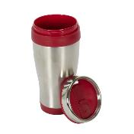 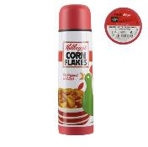 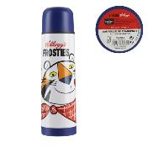 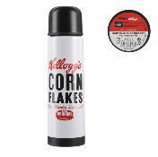 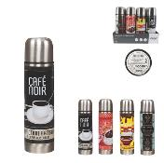 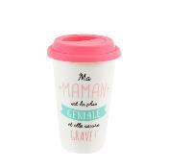 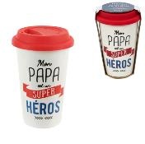 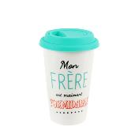 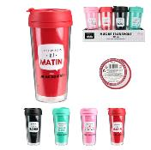
 | BOUTEILLES & MUGS DE TRANSPORT

 | 2021-09-17 16:46:37
 | ENTREPRISE
 | NOM | MAIL

PRODUIT |  |  |  |  | PRODUCT FEATURES
PHOTO | REFERENCE | DESCRIPTION | ASSORTIMENT | NB PCS / COLIS | EAN | MARQUE | UNIVERS | FAMILLE | SOUS FAMILLE | DIMENSION PRODUIT CM | LIEN PHOTO HD
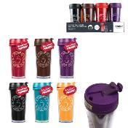 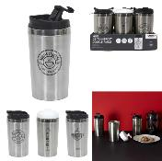 | KA1175 | MUG COPS TRANSPORT DOUBLE PAROI M36 | 2 | 36 | 3561869011752 | COOK CONCEPT | CUISINE | A EMPORTER | BOUTEILLE DE TRANSPORT | 8.30x8.30x16.10 | https://asset.product-live.com/d996eb8028a0abf6a1445cbccb86aa4dc99e9868.jpg
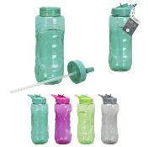 | KA1209 | GOURDE SPORT BOUCHON PAILLE 800ML M36 | 4 | 36 | 3561869012094 | COOK CONCEPT | CUISINE | A EMPORTER | BOUTEILLE DE TRANSPORT | 8.00x9.00x29.50 | https://asset.product-live.com/114f6af68403d812e32a106a7e431bd68493ccb7.jpg
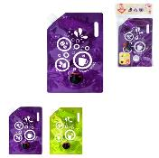 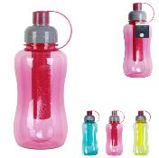 | KA1470 | GOURDE AVEC REFROIDISSEUR 80CL M24 | 3 | 24 | 3561869014708 | COOK CONCEPT | CUISINE | A EMPORTER | BOUTEILLE DE TRANSPORT | 8.40x8.00x22.70 | https://asset.product-live.com/310c91b14321e0f621d76ce2b34410cd0f419e21.jpg
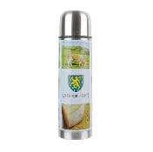 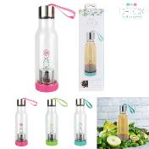 | KA1603 | BOUTEILLE AVEC INFUSEUR THE INTEGRE 50CL | 3 | 18 | 3561869016030 | COOK CONCEPT | CUISINE | A EMPORTER | BOUTEILLE DE TRANSPORT | 7.00x7.00x23.70 | https://asset.product-live.com/3b2abdb354568b1188ff4e1496606b31a785e218.jpg
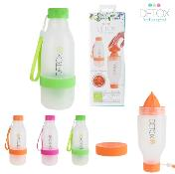 | KA1604 | BOUTEILLE DETOX 60CL PRESSE-AGRUMES INTEGRE M18 | 3 | 18 | 3561869016047 | COOK CONCEPT | CUISINE | A EMPORTER | BOUTEILLE DE TRANSPORT | 8.00x8.00x21.80 | https://asset.product-live.com/532da5435d86b2c5e782cfcdb4295881cdb375a8.jpg
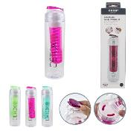 | KA1739 | BOUTEILLE DETOX ET INFUSEUR M18 | 3 | 18 | 3561869017396 | COOK CONCEPT | CUISINE | A EMPORTER | BOUTEILLE DE TRANSPORT | 7.00x7.00x24.20 | https://asset.product-live.com/4a68834eafea9682179601cbc730dc78cfaa00f6.jpg
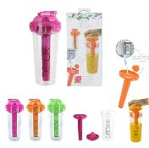 | KA1776 | GOURDE DETOX 3EN1 PRESSE-AGRUMES PAIN DE GLACE M12 | 3 | 12 | 3561869017761 | COOK CONCEPT | CUISINE | A EMPORTER | BOUTEILLE DE TRANSPORT | 10.40x10.40x22.70 | https://asset.product-live.com/39db7b772682cfdeab1fd58c989864f4923d5ab3.jpg
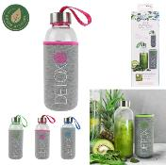 | KA1778 | BOUTEILLE EN VERRE 45CL AVEC POCHON NEOPRENE M18 | 3 | 18 | 3561869017785 | COOK CONCEPT | CUISINE | A EMPORTER | BOUTEILLE DE TRANSPORT | 6.80x6.80x20.00 | https://asset.product-live.com/190c345385fca40b7fb17ce5808dba08543d6132.jpg
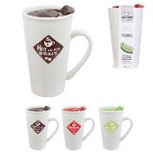 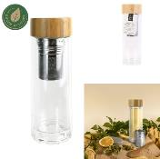 | KA2117 | INFUSEUR DOUBLE PAROI BOUCHON BAMBOU | 1 | 12 | 3561869021171 | COOK CONCEPT | CUISINE | A EMPORTER | BOUTEILLE DE TRANSPORT | 7.00x7.00x20.40 | https://asset.product-live.com/43a7313189b2a336cc48c7e751ea0da74b3b0ae1.jpg
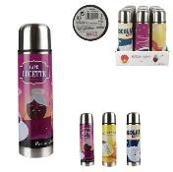 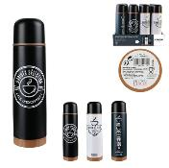 | KA2229 | BOUTEILLE DE TRANSPORT 45CL M12 | 3 | 12 | 3561869022291 | COOK CONCEPT | CUISINE | A EMPORTER | BOUTEILLE DE TRANSPORT | 6.80x6.80x24.80 | https://asset.product-live.com/2575dd5343f287a3f1cde946b8479a8040c618eb.jpg
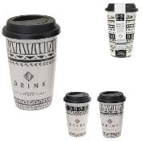 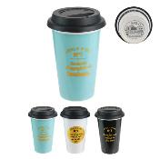 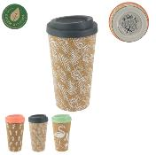 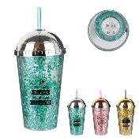 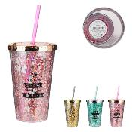 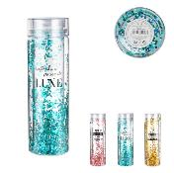 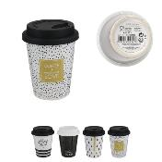 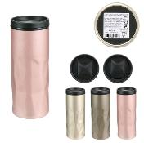 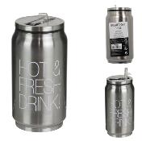 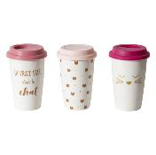 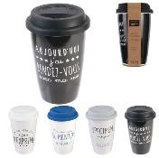 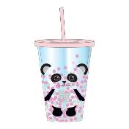 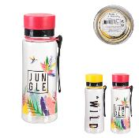 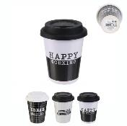 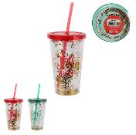 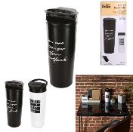 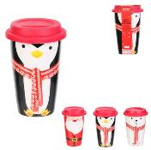 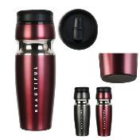 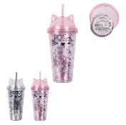 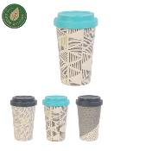 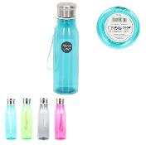 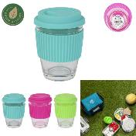 | KA4304 | MUG DE TRANSPORT MINI EN VERRE 30CL M12 | 3 | 12 | 3664944187059 | COOK CONCEPT | CUISINE | A EMPORTER | BOUTEILLE DE TRANSPORT | 9.00x9.00x12.00 | https://asset.product-live.com/59f33c5324a2aa43163b177905cab74aed2a7bbc.jpg
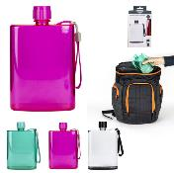 | KA4305 | BOUTEILLE DE TRANSPORT PLATE 30CL M18 | 3 | 18 | 3664944187066 | COOK CONCEPT | CUISINE | A EMPORTER | BOUTEILLE DE TRANSPORT | 10.80x3.60x17.00 | https://asset.product-live.com/a40948ee11979529ed58121b7ac63f20ea698324.jpg
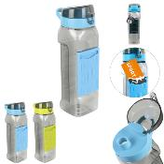 | KA4306 | BOUTEILLE DE TRANSPORT AVEC PORTE CARTE M18 | 2 | 18 | 3664944187073 | COOK CONCEPT | CUISINE | A EMPORTER | BOUTEILLE DE TRANSPORT | 7.00x9.50x24.50 | https://asset.product-live.com/7f17f9b9f5f21e627c9f70abca38b3bafde0c76c.jpg
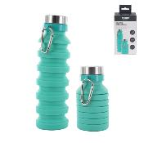 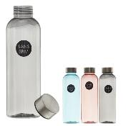 | KA4308 | BOUTEILLE EN PLASTIQUE REUTILISABLE 50CL M18 | 3 | 18 | 3664944187097 | COOK CONCEPT | CUISINE | A EMPORTER | BOUTEILLE DE TRANSPORT | 6.50x6.50x21.00 | https://asset.product-live.com/fd7d324fa11ebe1292b5e04adc42db12b6483a40.jpg
 | KA4612 | BOUTEILLE DE TRANSPORT POCHON SILICONE 45CL M18 | 2 | 18 | 3664944211747 | COOK CONCEPT | CUISINE | A EMPORTER | BOUTEILLE DE TRANSPORT | 6.50x6.50x28.00 | https://asset.product-live.com/079b63c987f62f5acd2d433c027f06176dc29df5.jpg
 | KA4613 | BOUTEILLE DE TRANSPORT ISOTHERME INOX 50CL M8 | 2 | 8 | 3664944211754 | COOK CONCEPT | CUISINE | A EMPORTER | BOUTEILLE DE TRANSPORT | 6.50x6.50x25.40 | https://asset.product-live.com/c811905ee1a524398a03e7f210dd6845955c6d33.jpg
 | KA4614 | BOUTEILLE DE TRANSPORT ISOTHERME DESIGN 50CL M12 | 3 | 12 | 3664944211761 | COOK CONCEPT | CUISINE | A EMPORTER | BOUTEILLE DE TRANSPORT | 6.50x6.50x25.50 | https://asset.product-live.com/8de52ed42d074c1b397e5e148b22104ecce891ac.jpg
 | KA4615 | BOUTEILLE DE TRANSPORT CHAUD FROID 35CL M12 | 2 | 12 | 3664944211815 | COOK CONCEPT | CUISINE | A EMPORTER | BOUTEILLE DE TRANSPORT | 6.4x6.4x19 | https://asset.product-live.com/f1b40dfbef9ebb958e281c31e294c74c7506552d.jpg
 | KA4616 | BOUTEILLE DE TRANSPORT AVEC MOUSQUETON 35CL M18 | 3 | 18 | 3664944211822 | COOK CONCEPT | CUISINE | A EMPORTER | BOUTEILLE DE TRANSPORT | 6.50x6.50x16.30 | https://asset.product-live.com/401e8d4e7e4d71cc7ec276bce90bbb05901c7849.jpg
 | KA4636 | BOUTEILLE DE TRANSPORT ISOTHERME 50CL MORDORE M8 | 1 | 8 | 3664944220602 | COOK CONCEPT | CUISINE | A EMPORTER | BOUTEILLE DE TRANSPORT | 6.50x6.50x25.50 | https://asset.product-live.com/d1f2c80beed3f8d3b4fbca9f8f5628cddeda0a68.jpg
 | KA4637 | BOUTEILLE DE TRANSPORT ISOTHERME BLANCHE 50CL M8 | 1 | 8 | 3664944220619 | COOK CONCEPT | CUISINE | A EMPORTER | BOUTEILLE DE TRANSPORT | 6.50x6.50x25.50 | https://asset.product-live.com/190ed605588e1f038f1c743378f630e2ef7cf6c3.jpg
 | KA4638 | BOUTEILLE DE TRANSPORT ISOTHERME NOIRE 50CL M8 | 1 | 8 | 3664944220688 | COOK CONCEPT | CUISINE | A EMPORTER | BOUTEILLE DE TRANSPORT | 6.50x6.50x25.50 | https://asset.product-live.com/b8d6988296d57e8fa28a708b595dceb128e6b7c5.jpg
 | KA4639 | BOUTEILLE DE TRANSPORT ISOTHERME VERTE 50CL M8 | 1 | 8 | 3664944220695 | COOK CONCEPT | CUISINE | A EMPORTER | BOUTEILLE DE TRANSPORT | 6.50x6.50x25.50 | https://asset.product-live.com/facc3b1b881dbdb38e2ac6f75711ceffe4d6a5a0.jpg
 | KA4640 | BOUTEILLE DE TRANSPORT ISOTHERME BLEUE 50CL M8 | 1 | 8 | 3664944221043 | COOK CONCEPT | CUISINE | A EMPORTER | BOUTEILLE DE TRANSPORT | 6.50x6.50x25.30 | https://asset.product-live.com/b5d047fea2c64bacb636994ffc3946b145edb9a5.jpg
 | KA4641 | BOUTEILLE DE TRANSPORT ISOTHERME 26CL M12 | 3 | 12 | 3664944221050 | COOK CONCEPT | CUISINE | A EMPORTER | BOUTEILLE DE TRANSPORT | 6.50x6.50x20.00 | https://asset.product-live.com/1e4bb82297968ef460717d9fa69047793ca05a3e.jpg
 | KA4642 | BOUTEILLE DE TRANSPORT ISOTHERME MARBREE 50CL M12 | 2 | 12 | 3664944221067 | COOK CONCEPT | CUISINE | A EMPORTER | BOUTEILLE DE TRANSPORT | 6.50x6.50x25.50 | https://asset.product-live.com/0da63d486e314c585e2823ff00cb2de381c83bcf.jpg
 | KA4643 | BOUTEILLE DE TRANSPORT ISOTHERME MOTS 50CL M12 | 3 | 12 | 3664944221074 | COOK CONCEPT | CUISINE | A EMPORTER | BOUTEILLE DE TRANSPORT | 6.50x6.50x25.50 | https://asset.product-live.com/e436e35f066f931548b76c7d50abcb0e8e746349.jpg
 | KA4650 | COFFRET BOUTEILLE ISOTHERME FLEURIE 50CL M8 | 1 | 8 | 3664944222538 | COOK CONCEPT | CUISINE | A EMPORTER | BOUTEILLE DE TRANSPORT | 6.50x6.50x25.20 | https://asset.product-live.com/caacabb94f8b4e42e5b5720df48a94ae53d59458.jpg
 | KA4651 | MUG DE TRANSPORT VEGETAL 35CL M12 | 3 | 12 | 3664944222545 | COOK CONCEPT | CUISINE | A EMPORTER | BOUTEILLE DE TRANSPORT | 7.80x8.30x16.50 | https://asset.product-live.com/72656262e497ed7fb191d5e1f1c77d32aabd7bc1.jpg
 | KA4652 | MUG DE TRANSPORT 35CL M12 | 3 | 12 | 3664944222552 | COOK CONCEPT | CUISINE | A EMPORTER | BOUTEILLE DE TRANSPORT | 7.80x8.20x16.50 | https://asset.product-live.com/98272039444793f6325c1b8f74ec0b7cf46038c9.jpg
 | KA4653 | MUG DE TRANSPORT EXPRESSO 16CL M12 | 3 | 12 | 3664944222569 | COOK CONCEPT | CUISINE | A EMPORTER | BOUTEILLE DE TRANSPORT | 7.50x7.00x10.00 | https://asset.product-live.com/105c4f212dd73696dd1e1a8d6725cca40a5bd3e4.jpg
 | KA46531 | MUG DE TRANSPORT EXPRESSO 16CL M12 | 3 | 12 | 3664944222569 | COOK CONCEPT | CUISINE | A EMPORTER | BOUTEILLE DE TRANSPORT | 7.50x7.00x10.00 | https://asset.product-live.com/21126e90cb878c8e36342b9dae4e97b48f8386a6.jpg
  | KA46541 | MUG A EMPORTER EXPRESSO MOT 30CL M12 | 3 | 12 | 3664944222576 | COOK CONCEPT | CUISINE | A EMPORTER | BOUTEILLE DE TRANSPORT | 9.50x7.60x9.50 | https://asset.product-live.com/14f80bba0e027b0e781ac5ea25629bd17273f4dc.jpg
 | KA4655 | COFFRET BOUTEILLE DE TRANSPORT EFFET BOIS M8 | 1 | 8 | 3664944222712 | COOK CONCEPT | CUISINE | A EMPORTER | BOUTEILLE DE TRANSPORT | 6.50x6.50x25.20 | https://asset.product-live.com/a79090dbbbb31b0cd5d716fa8cc9c9e083476906.jpg
 | KA4672 | BOUTEILLE DE TRANSPORT ARTY 42CL M12 | 2 | 12 | 3664944264897 | COOK CONCEPT | CUISINE | A EMPORTER | BOUTEILLE DE TRANSPORT | 6.20x6.20x27.00 | https://asset.product-live.com/5a043884ca382829b5626d3e461e7e166351eb9f.jpg
 | KA4790 | BAC A GLACONS POUR BOUTEILLE DE TRANSPORT M24 | 3 | 24 | 3664944304579 | COOK CONCEPT | CUISINE | A EMPORTER | BOUTEILLE DE TRANSPORT | 11.70x29.50x2.00 | https://asset.product-live.com/ab87d4259c47d55989dbb689661421b5ef355130.jpg
 | KA4791 | REFROIDISSEUR DE BOUTEILLE M12 | 1 | 12 | 3664944304586 | COOK CONCEPT | CUISINE | A EMPORTER | BOUTEILLE DE TRANSPORT | 3.50x3.50x21.30 | https://asset.product-live.com/5009327eeff01cc620ed7ea2f44db7efc500c6ba.jpg
 | KA4793 | BOUTEILLE DE TRANSPORT EN VERRE 33CL M24 | 6 | 24 | 3664944304609 | COOK CONCEPT | CUISINE | A EMPORTER | BOUTEILLE DE TRANSPORT | 5.50x5.50x21.00 | https://asset.product-live.com/bdd951ebd9fe665bb91fd594b51b731af028e312.jpg
 | KA4804 | BOUTEILLE SIMPLE PAROI 80CL M8 | 1 | 8 | 3664944304715 | COOK CONCEPT | CUISINE | A EMPORTER | BOUTEILLE DE TRANSPORT | 7.00x7.00x24.00 | https://asset.product-live.com/9bb4161419cb5bccd536fbc0615d2ea096098e54.jpg
 | KA4805 | BOUTEILLE DE TRANSPORT ISOTHERME JAUNE 45CL M12 | 1 | 12 | 3664944304722 | COOK CONCEPT | CUISINE | A EMPORTER | BOUTEILLE DE TRANSPORT | 6.70x6.70x18.50 | https://asset.product-live.com/05b52785abb25e17f85f5920af1a51d0ffb4c624.jpg
 | KA4806 | BOUTEILLE DE TRANSPORT ISOTHERME ROUGE 45CL M12 | 1 | 12 | 3664944304739 | COOK CONCEPT | CUISINE | A EMPORTER | BOUTEILLE DE TRANSPORT | 6.70x6.70x18.50 | https://asset.product-live.com/c9ea31510069be2562135b8de14cce812e2cd6a1.jpg
 | KA4807 | BOUTEILLE ISOTHERME FRAMBOISE 45CL M12 | 1 | 12 | 3664944304746 | COOK CONCEPT | CUISINE | A EMPORTER | BOUTEILLE DE TRANSPORT | 0.00x0.00x20.30 | https://asset.product-live.com/c8908934409abcb38318e9597b546ebe95f2f893.jpg
 | KA4808 | BOUTEILLE DE TRANSPORT ISOTHERME BLEUE 45CL M12 | 1 | 12 | 3664944304753 | COOK CONCEPT | CUISINE | A EMPORTER | BOUTEILLE DE TRANSPORT | 6.70x6.70x18.50 | https://asset.product-live.com/707a456a8cfaa21b66f49f74e4aa302e34564459.jpg
 | KA4809 | BOUTEILLE DE TRANSPORT ISOTHERME FRUITS 50CL M12 | 3 | 12 | 3664944304760 | COOK CONCEPT | CUISINE | A EMPORTER | BOUTEILLE DE TRANSPORT | 6.50x6.50x25.80 | https://asset.product-live.com/a814cd607dac355af080403286d84419834d5d3e.jpg
  | KA4811 | BOUTEILLE EN VERRE SIMPLE PAROI FLEURIE 42CL M16 | 4 | 16 | 3664944304784 | COOK CONCEPT | CUISINE | A EMPORTER | BOUTEILLE DE TRANSPORT | 6.30x6.30x19.50 | https://asset.product-live.com/8966bee5cf4d1bddc7164d5b9312093301c0aaf3.jpg
 | KA4812 | BOUTEILLE DE TRANSPORT DOUBLE PAROI INFUSEUR M12 | 3 | 12 | 3664944304791 | COOK CONCEPT | CUISINE | A EMPORTER | BOUTEILLE DE TRANSPORT | 7.20x7.20x19.00 | https://asset.product-live.com/f66fda189ea647efee6132edd1a2480fc9c3ef6d.jpg
 | KA4813 | BOUTEILLE DE TRANSPORT AVEC INFUSEUR 50CL M8 | 3 | 8 | 3664944304807 | COOK CONCEPT | CUISINE | A EMPORTER | BOUTEILLE DE TRANSPORT | 7.40x7.40x22.00 | https://asset.product-live.com/ff9ceaa2b7648b18c5dc0750426bbc969604cef3.jpg
  | KA4815 | BOUTEILLE DE TRANSPORT EN VERRE 65CL M12 | 2 | 12 | 3664944304821 | COOK CONCEPT | CUISINE | A EMPORTER | BOUTEILLE DE TRANSPORT | 7.00x7.00x25.50 | https://asset.product-live.com/c57df5ee0b95bd5a725a8601220096e138160ab8.jpg
 | KA4816 | BOUTEILLE DE TRANSPORT AVEC ENCEINTE INOX 35CL M6 | 3 | 6 | 3664944304838 | COOK CONCEPT | CUISINE | A EMPORTER | BOUTEILLE DE TRANSPORT | 6.70x6.70x26.50 | https://asset.product-live.com/f479c13c1faa2b7d7174994515bcc129d186b52a.jpg
 | KA4818 | BOUTEILLE AVEC THERMOMETRE 50CL M8 | 2 | 8 | 3664944304852 | COOK CONCEPT | CUISINE | A EMPORTER | BOUTEILLE DE TRANSPORT | 6.50x6.50x23.00 | https://asset.product-live.com/b489d34d80cf99554ea1334797be6a070371c94b.jpg
 | KA4819 | BOUTEILLE DOUBLE PAROI COMPARTIMENT INFUSION M12 | 1 | 12 | 3664944304869 | COOK CONCEPT | CUISINE | A EMPORTER | BOUTEILLE DE TRANSPORT | 7.00x6.50x24.00 | https://asset.product-live.com/b91d007498053a3c4d3aefa901fdb8d08bad1888.jpg
 | KA4827 | BOUTEILLE DE TRANSPORT ISOTHERME FLEURIE 50CL M12 | 3 | 12 | 3664944304944 | COOK CONCEPT | CUISINE | A EMPORTER | BOUTEILLE DE TRANSPORT | 6.50x6.50x26.00 | https://asset.product-live.com/80078c44889ded3771bb4c501f50c0b2638ede97.jpg
 | KA4831 | BOUTEILLE DE TRANSPORT ENFANT LICORNE 50CL M18 | 1 | 18 | 3664944304982 | COOK CONCEPT | CUISINE | A EMPORTER | BOUTEILLE DE TRANSPORT | 7.50x7.50x21.50 | https://asset.product-live.com/715c28fbc1c38d968761344cfbbbc539e802d3f4.jpg
 | KA4832 | BOUTEILLE DE TRANSPORT ENFANT ANIMAUX 50CL M18 | 1 | 18 | 3664944304999 | COOK CONCEPT | CUISINE | A EMPORTER | BOUTEILLE DE TRANSPORT | 7.50x7.50x21.50 | https://asset.product-live.com/7f61435e482cb32f07fa8dfdd143fbb4d8c6cc08.jpg
 | KA4838 | GOURDE A JUS ENFANT 15CL M24 | 1 | 24 | 3664944305057 | COOK CONCEPT | CUISINE | A EMPORTER | BOUTEILLE DE TRANSPORT | 9.70x3.00x18.00 | https://asset.product-live.com/03103e64bc4c944666eaa1800778daeb060fc3ab.jpg
 | KA4842 | BOUTEILLE DE TRANSPORT ISOTHERME MERCI 50CL M12 | 3 | 12 | 3664944308256 | COOK CONCEPT | CUISINE | A EMPORTER | BOUTEILLE DE TRANSPORT | 6.50x6.50x26.00 | https://asset.product-live.com/13275adaee1abdb84fde9a68a5f02ce05ff3ad9a.jpg
 | KA4968 | BOUTEILLE ISOTHERME FLEURIE COFFRET 50CL M8 | 1 | 8 | 3664944325000 | COOK CONCEPT | CUISINE | A EMPORTER | BOUTEILLE DE TRANSPORT | 0.00x0.00x26.00 | https://asset.product-live.com/14332433dc61a994c07bdbdf3dea0ca0546e4bbb.jpg
 | KA4969 | BOUTEILLE DE TRANSPORT ISOTHERME AUTOMNE 50CL M12 | 3 | 12 | 3664944325017 | COOK CONCEPT | CUISINE | A EMPORTER | BOUTEILLE DE TRANSPORT | 25.80x7.00x25.80 | https://asset.product-live.com/970f364e4a663c772d9093bb36b787727dce309b.jpg
 | KA4970 | BOUTEILLE ISOTHERME CONSTELLATION 50CL M8 | 1 | 8 | 3664944325024 | COOK CONCEPT | CUISINE | A EMPORTER | BOUTEILLE DE TRANSPORT | 26.00x7.00x26.00 | https://asset.product-live.com/e560a2f2e9b86d213a5f62828cca9f0b90d5548c.jpg
 | KA4971 | BOUTEILLE TRANSPORT ISOTHERME RETRO 50CL M12 | 3 | 12 | 3664944325031 | COOK CONCEPT | CUISINE | A EMPORTER | BOUTEILLE DE TRANSPORT | 25.50x7.00x25.80 | https://asset.product-live.com/9b050b433f6fc59694ef236e44e5e00009ba8fe8.jpg
 | KA4972 | BOUTEILLE DE TRANSPORT ISOTHERME RAINBOW 50CL M12 | 3 | 12 | 3664944325048 | COOK CONCEPT | CUISINE | A EMPORTER | BOUTEILLE DE TRANSPORT | 0.00x0.00x25.80 | https://asset.product-live.com/71f7add9367993daf7897f4e7af30e187a994f54.jpg
 | KA4973 | BOUTEILLE DE TRANSPORT ISOTHERME INOX 1L M12 | 1 | 12 | 3664944325055 | COOK CONCEPT | CUISINE | A EMPORTER | BOUTEILLE DE TRANSPORT | 30.00x8.00x30.00 | https://asset.product-live.com/21eb8a5d039e6b531907d20983de59661438d1fc.jpg
 | KA4974 | BOUTEILLE ISOTHERME JACQUES A DIT COFFRET 50CL M8 | 1 | 8 | 3664944325062 | THE CONCEPT FACTORY | CUISINE | A EMPORTER | BOUTEILLE DE TRANSPORT | 60.00x40.00x26.00 | https://asset.product-live.com/9e6ff93788fa281935a3327ad529afddae0f13db.jpg
  | KA4976 | BOUTEILLE DE TRANSPORT SIMPLE PAROI SPORT 80CL M12 | 2 | 12 | 3664944325086 | COOK CONCEPT | CUISINE | A EMPORTER | BOUTEILLE DE TRANSPORT | 25.00x7.00x25.00 | https://asset.product-live.com/87782a93e4ce483d77e70da03198eed9e4ce4a89.jpg
 | KA4977 | BOUTEILLE DE TRANSPORT SIMPLE PAROI 60CL M12 | 1 | 12 | 3664944325093 | COOK CONCEPT | CUISINE | A EMPORTER | BOUTEILLE DE TRANSPORT | 21.00x7.30x21.00 | https://asset.product-live.com/96247064ed7df7a0e2e100b10f4506bc4cbef609.jpg
 | KA4979 | BOUTEILLE VERRE ET POCHON SILICONE 75CL M12 | 3 | 12 | 3664944325109 | COOK CONCEPT | CUISINE | A EMPORTER | BOUTEILLE DE TRANSPORT | 8.00x8.00x25.00 | https://asset.product-live.com/c39e351c10ec178c8e14b963c2960888ca1740b6.jpg
 | KA4980 | QUART PALETTE BOUTEILLE VERRE ET POCHON 40CL M105 | 6 | 105 | 3664944325116 | COOK CONCEPT | CUISINE | A EMPORTER | BOUTEILLE DE TRANSPORT | 19.50x6.50x19.50 | https://asset.product-live.com/f64b1be3ff7afa37e5e1012a04b660b54f46d682.jpg
   | KA4990 | MUG DE TRANSPORT AVEC VERRE ISOTHERME 30CL M12 | 3 | 12 | 3664944325208 | COOK CONCEPT | CUISINE | A EMPORTER | BOUTEILLE DE TRANSPORT | 19.30x7.00x19.30 | https://asset.product-live.com/51cac56d0ff1a9b1f56c2d7572ea9690f01eb49f.jpg
 | KA4991 | BOUTEILLE DE TRANSPORT ISOTHERME 55CL M12 | 2 | 12 | 3664944325215 | COOK CONCEPT | CUISINE | A EMPORTER | BOUTEILLE DE TRANSPORT | 28.00x8.00x28.00 | https://asset.product-live.com/2aaf59cee5466a99de85229a84dad2dbbdb68bbf.jpg
 | KA5043 | BOUTEILLE ISOTHERME LADY BOSS 26CL M12 | 3 | 12 | 3664944327172 | COOK CONCEPT | CUISINE | A EMPORTER | BOUTEILLE DE TRANSPORT | 19.70x6.00x19.70 | https://asset.product-live.com/77b71a52d67f1eab2b3069ee4d177e664c32fe84.jpg
 | KA5431 | BOUTEILLE ISOTHERME COUTEAU MULTIUSAGE COFFRET M8 | 1 | 8 | 3664944348894 | COOK CONCEPT | CUISINE | A EMPORTER | BOUTEILLE DE TRANSPORT | 0.00x0.00x26.00 | https://asset.product-live.com/568ecc8cc9b5d5e8d0ab30ec20cd598fc441a309.jpg
  | KB5272 | MUG DE TRANSPORT INOX 40CL M36 | 4 | 36 | 3561865452726 | COOK CONCEPT | CUISINE | A EMPORTER | BOUTEILLE DE TRANSPORT | 8.40x8.40x18.00 | https://asset.product-live.com/8c410352558f8bfb3e9c76d6143dadf72a1a0b5c.jpg

